Required section
Public Sector Climate Change Duties Reporting Template (excel format) - (v3.3 14/07/15)
1 | Organisational Profile
1a | Name of the organisation
 | Provide the name of the organisation that is the subject of this report (“the organisation”).
 | West Dunbartonshire Council
1b | Type of organisation
 | Select from the options below
 | Local Authority
1c | Number of FTE staff in the organisation
 | 5745
1d | Alternative metrics used by the organisation
 | Specify any other metrics that the organisation uses to assess its performance in relation to climate change and sustainability.
 | Metric | Units | Value | Comments
 |  | #N/A
 |  | #N/A
 |  | #N/A
 | Other (specify in comments)
1e | Overall budget of the organisation
 | Specify approximate £/annum for the report year.
 | £216,730,000.00
1f | Report year
 | Specify the report year e.g. 2015/2016.
 | 2014/15 (Financial year)
1g | Organisational context
 | Provide a summary of the organisation's nature and functions that are relevant to Climate Change reporting.
 | West Dunbartonshire Council (WDC) is a Scottish Local Authority, we signed the Scottish Climate Change Declaration in 2007 and have provided annual reports relating to climate change since this date. WDC is required to comply with the public bodies duties as laid out in the Climate Change (Scotland) Act 2009.

2 | Governance, Management and Strategy
 | Governance and management
2a | How is climate change governed in the organisation?
 | Items relating to climate change are predominantly be reported to the Infrastructure and Regeneration Committee and the Housing and Communities Committee depending on the nature of the item. A diagram of this structure is below and indicates which departments (with specific relevance to climate change) now report into these committees. Neighbourhood Services teams report to both committees. Sustainable Procurement and ICT initiatives are reported to and approved through the Corporate Services Committee. Proposals which affect the whole organisation and are not service specific will be taken to full Council meetings for approval this includes the revised Carbon Management Plan. In certain circumstances items may be reported to other committees where appropriate. West Dunbartonshire Councils is part of Community Planning West Dunbartonshire. Community planning is about all organisations delivering services in the area working together to achieve more than when working on their own. The Community Planning Partnership (CPP) reports to the Community Planning Partnership board and Corporate Services Committee. The CPP funds community initiatives, one such initiative is the Environment Trust. The Environment Trust manages an environment and regeneration programme within West Dunbartonshire. The Environment Trust report annually to the Community Planning Partnership on the actions they have taken and outcomes achieved throughout the year. West Dunbartonshire Councils (WDC) Strategic Plan sets out the visions, values and priorities for the Council. Action on Climate Change is consistent with the following two Council priorities: • Improve local housing and environmentally sustainable infrastructure • Improve the wellbeing of communities and protect the welfare of vulnerable people Committee reports include a section within which officers must demonstrate how the proposal meets the Councils strategic priorities. Elected members can then scrutinise proposals to ensure that
 | 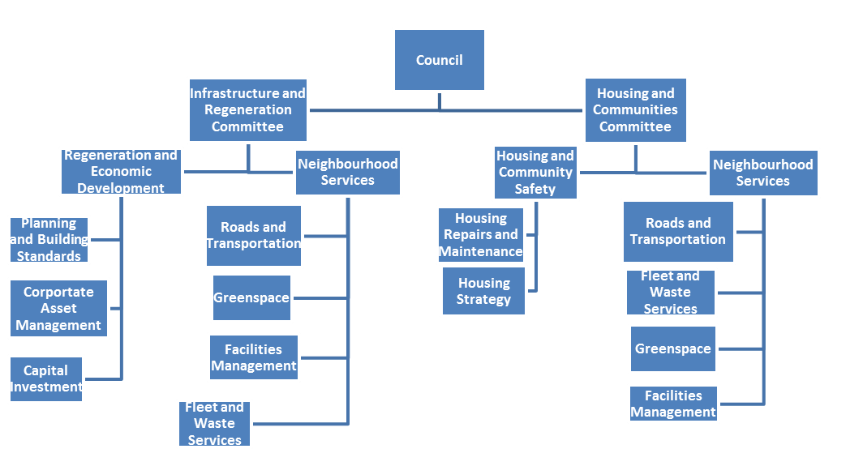
2b | How is climate change action managed and embedded in the organisation?
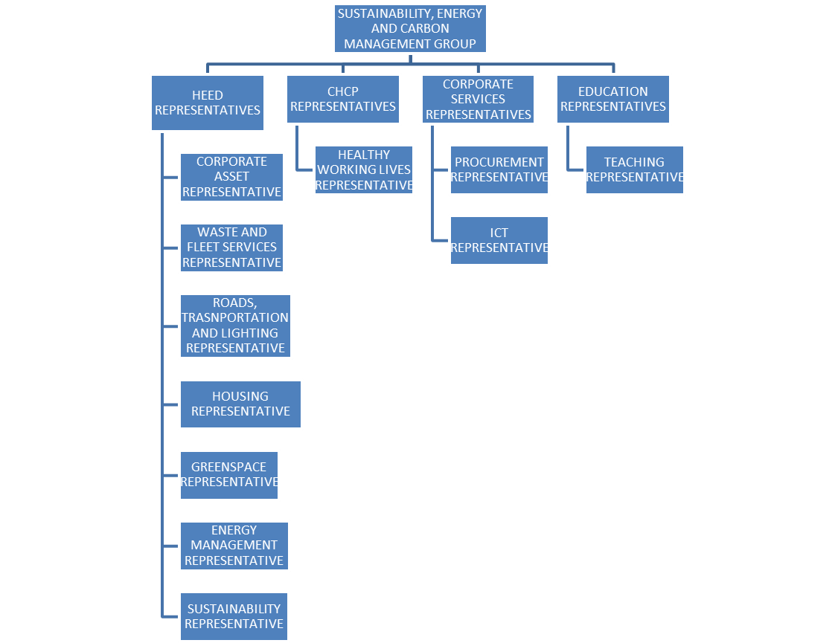
 | There are four directorates within WDC. Four Executive Directors and the Chief Executive form the Council’s Corporate Management Team (CMT) which is responsible for managing all Council activities and advising all of its committees. Activities which relate to climate change have been listed below under the appropriate directorate. Housing, Environmental and Economic Development (HEED) Overall responsibility for sustainable development and climate change Carbon management Energy and water management in Council Properties Management of CEEF Transport planning, including promotion of sustainable travel Management and maintenance of the road network Statutory flood management responsibilities Planning and building standards Strategic Environmental Assessment Greenspace management Biodiversity Waste management Fleet management Facilities management Domestic energy efficiency and fuel poverty Local Housing Strategy Building design Street lighting Education Environmental education in schools Eco schools participation Corporate Services Corporate responsibility for emergency and contingency planning Procurement Management and Promotion of E-LEARN including sustainability module Employee Travel Policy Community Health Care Partnership Healthy Working Lives Overall management of mitigation and adaptation is conducted through the Housing, Environment and Economic Development Directorate. Day to day management is conducted through the relevant service teams. All relevant teams are indicated in the diagram within the Governance section. The Sustainability Officer’ (who sits within the Corporate Asset Management Team) day to day role includes the management of and adherence to the Public Bodies duties under the Climate Change Scotland Act (2009). An officer led group known as the Sustainability Energy and Carbon Management Group (SECM) was created in 2011 and the remit of the group was refreshed in 2013. The objectives of the group are to: • Raise awareness of the su

 | Strategy
2c | Does the organisation have specific climate change mitigation and adaptation objectives in its corporate plan or similar document?
 | Provide a brief summary of objectives if they exist.
 | Wording of objective | Name of document
 | • Improve local housing and environmentally sustainable infrastructure • Improve the wellbeing of communities and protect the welfare of vulnerable people | WDC Strategic Plan

2d | Does the organisation have a climate change plan or strategy?
 | If yes, provide the name and/or link to any such document.
 | Yes West Dunbartonshire Council has a Climate Change Strategy.
2e | Does the organisation have any plans or strategies covering the following areas that include climate change?
 | Provide the name of any such document and the timeframe covered.
 | Topic area | Name of document | Time period covered | Comments
 | Adaptation | Climate Change Strategy | 2012 to be reviewed in 2016 | https://www.west-dunbarton.gov.uk/media/4299077/climate_change_strategy.pdf
 | Business travel | Business Travel Scheme | Updated version going to committee in November 2015
 | Business travel | Climate Change Strategy | 2012 to be reviewed in 2016 | https://www.west-dunbarton.gov.uk/media/4299077/climate_change_strategy.pdf
 | Business travel | Carbon Management Plan | 2014-2020 | http://intranet.west-dunbarton.gov.uk/heed/regeneration-economic-development/corporate-asset-management/energy-and-compliance/sustainability/climate-change/reducing-our-carbon-emissions/
 | Staff Travel | Westbound travel plan and site specific travel plans | 2007 onwards
 | Staff Travel | Carbon Management Plan | 2014-2020 | http://intranet.west-dunbarton.gov.uk/heed/regeneration-economic-development/corporate-asset-management/energy-and-compliance/sustainability/climate-change/reducing-our-carbon-emissions/
 | Energy efficiency | Energy Strategy | 2013-2018 | http://intranet.west-dunbarton.gov.uk/heed/regeneration-economic-development/corporate-asset-management/energy-and-compliance/energy/
 | Energy efficiency | Climate Change Strategy | 2012 to be reviewed in 2016 | https://www.west-dunbarton.gov.uk/media/4299077/climate_change_strategy.pdf
 | Energy efficiency | Carbon Management Plan | 2014-2020 | http://intranet.west-dunbarton.gov.uk/heed/regeneration-economic-development/corporate-asset-management/energy-and-compliance/sustainability/climate-change/reducing-our-carbon-emissions/
 | Fleet transport | Fleet and Waste Services departmental plan | updated annually
 | Fleet transport | Vehicle Replacement Programme | updated annually
 | ICT | Energy Strategy, Climate Change Strategy | 2013-2018 | http://intranet.west-dunbarton.gov.uk/heed/regeneration-economic-development/corporate-asset-management/energy-and-compliance/energy/
 | Renewable energy | Energy Strategy | 2013-2018 | http://intranet.west-dunbarton.gov.uk/heed/regeneration-economic-development/corporate-asset-management/energy-and-compliance/energy/
 | Renewable energy | Carbon Management Plan | 2014-2020 | http://intranet.west-dunbarton.gov.uk/heed/regeneration-economic-development/corporate-asset-management/energy-and-compliance/sustainability/climate-change/reducing-our-carbon-emissions/
 | Sustainable/renewable heat | Energy Strategy | 2013-2018 | http://intranet.west-dunbarton.gov.uk/heed/regeneration-economic-development/corporate-asset-management/energy-and-compliance/energy/
 | Sustainable/renewable heat | Carbon Management Plan | 2014-2020 | http://intranet.west-dunbarton.gov.uk/heed/regeneration-economic-development/corporate-asset-management/energy-and-compliance/sustainability/climate-change/reducing-our-carbon-emissions/
 | Sustainable/renewable heat | District Heating Strategy | Currently being developed
 | Waste management | Scotland Zero Waste Plan | 2010 onwards | WDC use the Zero Waste Plan and targets from the Waste (Scotland) Regulations 2012 http://www.gov.scot/Publications/2010/06/08092645/0
 | Waste management | Waste and Fleet Services Departmental plan | updated annually
 | Waste management | Code of Practice for Recycling Collections
 | Water and sewerage | Energy Strategy | 2013-2018 | http://intranet.west-dunbarton.gov.uk/heed/regeneration-economic-development/corporate-asset-management/energy-and-compliance/energy/
 | Land Use | Proposed Local Development Plan | 2014 onwards | http://www.west-dunbarton.gov.uk/media/3761560/ldp__as_modified_march__with_fc.pdf
 | Other | Sustainable Procurement Strategy | 2009 onwards | http://intranet.west-dunbarton.gov.uk/media/5551/sustainable-procurement-policy-dec-09-1.pdf
 | Other | Carbon Management Plan | 2014-2020 | http://intranet.west-dunbarton.gov.uk/heed/regeneration-economic-development/corporate-asset-management/energy-and-compliance/sustainability/climate-change/reducing-our-carbon-emissions/
 | Other | Open space strategy | 2011 onwards | https://www.west-dunbarton.gov.uk/media/1999212/os_strategy_august_2011_-_amendments_december_2011.pdf
 | Other | Local Biodiversity Action Plan | Currently being updated
2f | What are the organisation’s top 5 priorities for climate change governance, management and strategy for the year ahead?
 | Provide a brief summary of the organisation’s areas and activities of focus for the year ahead.
 | Keep members up to date with the work being undertaken in relation to climate change through elected member briefings and presentations. Develop a larger number of indicators under SPI 1 sustainable development relating to climate change. Review the Climate change strategy and the next steps that should follow on from the current action plan. Continue to develop the Sustainability Energy and Carbon Management Group and progress work undertaken by this group. Consider requesting an elected member champion on climate change.
...
3i | Estimated decrease or increase in emissions from other sources in the year ahead
 | Total |  | 3,392 | Note the figures provided are all estimate based on the parameters within the comments and are very difficult to calculate as multiple factors affect each site.

3j | Total carbon reduction project savings since baseline year
 | If the organisation has data available, estimate the total emissions savings made from projects since the organisation’s baseline year.
 | Total savings | Total estimated emissions savings (tCO2e) | Comments
 | Total project savings since baseline year | 803 | This figure is the estimated saving from projects implemented since 2012-2013 the total reduction since 2012-2013 in total is 1510 tonnes of CO2e. Note that the total figure has been affected by the electricity emissions factor change, estate changes and service/staff changes as well as projects. Estate changes and a milder winter formed the basis of the carbon reduction comparing 2012/13 to 2013/14 . Projects including food waste collection for composting, greater recycling infrastructure, building efficiency projects, oil to gas projects, lighting projects, building management system and control improvements have formed the reduction witnessed from 2013/14 to 2014/15. 130 tonnes of this saving are projects which were implemented in 2014-2015 year but showed significant savings in the 2014/15 footprint. Savings provided are cumulative across the projects implemented in 2012-2013 and 2013-2014 and projects which were implemented in 2014-2015 but have shown savings in 14-15.

 | Further information
3k | Supporting information and best practice
 | Provide any other relevant supporting information and any examples of best practice by the organisation in relation to corporate emissions, targets and projects.
 | 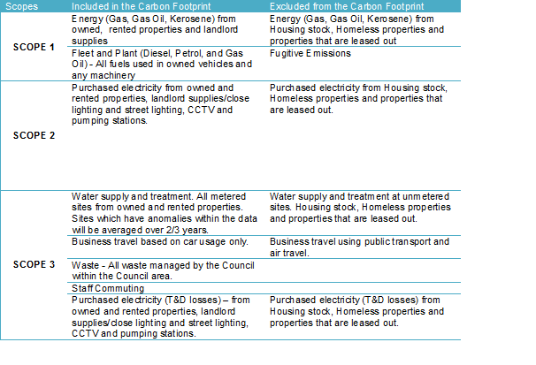 Scope for footprints provide below:

4 | Adaptation
 | Assessing and managing risk
4a | Has the organisation assessed current and future climate-related risks?
 | If yes, provide a reference or link to any such risk assessment(s).
 | West Dunbartonshire has completed a local climate impacts assessment and is working to implement the recommendations from this piece of work. Work is currently on-going to assess future threats of Climate Change specific to the West Dunbartonshire area in conjunction with the other partner agencies and data available from the UK Climate Impact Projections and progressing through the 5 steps to managing your climate change risk.
4b | What arrangements does the organisation have in place to manage climate-related risks?
 | Provide details of any climate change adaptation risk management procedures, strategies, action plans and any adaptation policies and actions included across policy areas.
 | Climate change adaptation is considered within the Councils Climate Change Strategy and action plan that was produced. Climate Change adaptation is referenced in the proposed local development plan. Flooding is specifically considered in proposed Local Development Plan Policy document DS6. Supplementary guidance relating to flooding will be produced. A flood risk management plan for the Clyde and Loch Lomond district plan area is being undertaken in partnership with SEPA, Scottish Water, and the Scottish Government. Glasgow City Council are the lead authority for this district. The plan will inform the national flood risk management plan which requires to be published by 2016 West Dunbartonshire Council Severe weather events are highlighted as a risk in the Multi-Agency Community Risk Register; the Council’s Corporate Contingency Plan and associated Severe Weather Trigger Point Matrix which are all managed by the Resilience Officer once approved by a Council-wide Resilience Group. Operational protocols detail the response procedures to severe weather by Council teams (primarily the Roads department) and arrangements are in place to ensure 24/7 receipt and dissemination of weather warnings from SEPA, Met Office and local flood monitoring sensors. A number of departments contribute to the management of adaptation within the Council including the Sustainability Officer, Business Continuity Officer, Roads and Green space departments. Adaptation is considered at the Sustainability Energy and Carbon Management Group which representatives from the above attend.
...

