Required section
Public Sector Report on Compliance with Climate Change Duties 2020 Template (excel format) - 2019-2020 Factors
PART 1 | Profile of Reporting Body
1a | Name of reporting body
 | Provide the name of the listed body (the "body") which prepared this report.
 | University of St Andrews
1b | Type of body
 | Select from the options below
 | Educational Institution
1c | Highest number of full-time equivalent staff in the body during the report year
 | 2641
1d | Metrics used by the body
 | Specify the metrics that the body uses to assess its performance in relation to climate change and sustainability.
 | Metric | Units | Value | Comments
 | Floor area | m2 | 264605.00 | Gross Internal Area
 | Number of full-time students | number FTS | 9227.00

 | Other (specify in comments)
1e | Overall budget of the body
 | Specify approximate £/annum for the report year.
 | Budget | Budget Comments
 | £261,376,000.00 | In accordance with SORP 2015 and FRS102
1f | Report year
 | Specify the report year.
 | Report year | Report year comments
 | 2019/20 (Academic year) | August 2019 to July 2020
1g | Context
 | Provide a summary of the body's nature and functions that are relevant to climate change reporting.
 | Sustainability and Climate Change are at the heart of many areas of research and teaching at St Andrews. The University undertakes world-class research in fuel cells, batteries, energy and gas storage and photovoltaics, and it employs world-renowned academic leaders in sustainable economies. In addition to research into new solutions and the spread of this knowledge through teaching, the University believes that it should also act to influence a significant change in its own behaviours and performance. Our Sustainable Investment Policy sets clear sustainability criteria for our endowment investments, and the University is a signatory member of the United Nations Principles of Responsible Investment (UNPRI) initiative, and is a signatory to the Universities and Colleges Climate Change Commitment for Scotland. The University’s Sustainable Development Strategy 2012 to 2022, and its supporting Carbon Management Plan, define a range of commitments to make significant reductions in the University’s own carbon emissions http://www.st-andrews.ac.uk/environment/importantinfo/sdstrategy/. These documents are supported by a new institutional Strategic plan which also has sustainability at its heart.

PART 2 | Governance, Management and Strategy
 | Governance and management
2a | How is climate change governed in the body?
 | Provide a summary of the roles performed by the body’s governance bodies and members in relation to climate change. If any of the body’s activities in relation to climate change sit outside its own governance arrangements (in relation to, for example, land use, adaptation, transport, business travel, waste, information and communication technology, procurement or behaviour change), identify these activities and the governance arrangements. Provide a diagram / chart to outline the governance structure within the body.
 | Governance of sustainability matters is managed by the Environmental Sustainability Board (ESB), who report annually to the Planning and Resources Committee (PARC) of the University Court of the University of St Andrews.The Environmental Sustainability Board was established by the Principal’s Office in November 2019. Professor Sir Ian Boyd was appointed by the Principal to Chair the ESB. The Quaestor and Factor, Derek Watson, serves as Deputy Chair. Dr Emma Read Kallblad is the ESB Coordinator. In early 2020 the ESB recruited nine Members reflective of the University community in an open application process that attracted over 120 applications. Individuals from offices key to the delivery of environmental sustainability at the University were appointed as Advisors to the ESB.
 | 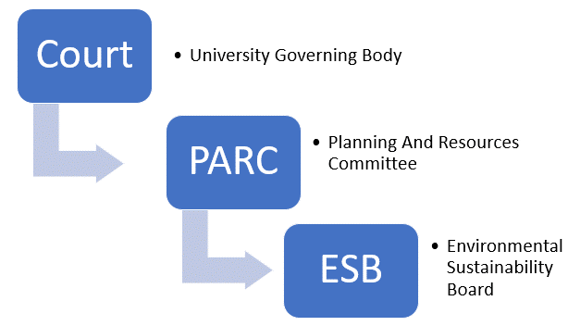
2b | How is climate change action managed and embedded in the body?
 | Provide a summary of how decision-making in relation to climate change action by the body is managed and how responsibility is allocated to the body’s senior staff, departmental heads etc. If any such decision-making sits outside the body’s own governance arrangements (in relation to, for example, land use, adaptation, transport, business travel, waste, information and communication technology, procurement or behaviour change), identify how this is managed and how responsibility is allocated outside the body. Provide a diagram to show how responsibility is allocated to the body’s senior staff, departmental heads etc.
 | The University communicates performance on energy and carbon performance to a wide range of stakeholders, including the University Court, the ESB, the student body, peer group Universities, the public domain and statutory bodies. Climate change mitigation is managed through the Carbon Management Plan, reducing the carbon emissions throughout the organisation. Implementation of reduction programmes is the responsibility of the Environment Team within the Estates Department (calling on the support from others within the University as appropriate), and reported annually to PARC. This team is further supported by Environmental Facilitators from the wider University,student School Sustainability Reps, the Environment Subcommittee of the Students Association, and through Transition University of St Andrews. Work continues on climate change adaptation through the ESB. In complement to the main committee, the ESB coordinates five working groups which address the areas of education, research, operations, the estate, and student and community engagement. The chairs of these working groups are drawn from the main ESB. The Chair of the ESB also hosts a Chair’s Advisory Group whose 25 members come from the senior ranks of the University. In addition the ESB also hosts a Forum for enabling wider engagement with the University community. The ESB Chair also meets with key University office holders, and continues to join cross-cutting University meetings, such as the Heads of School lunch, Senate and Court to engage with the wider community. The ESB working groups meet at a pace of their own choosing, and often weekly. The research, education, estate and operations working groups have reference groups which between them connect the ESB to over 80 members of the University.
 | 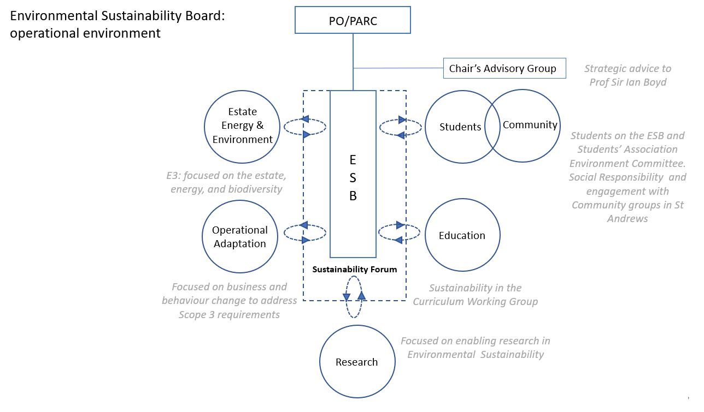

 | Strategy
2c | Does the body have specific climate change mitigation and adaptation objectives in its corporate plan or similar document?
 | Provide a brief summary of objectives if they exist.
 | Wording of objective | Name of document |  |  | Document Link
 | CARBON NEUTRALITY: Climate Change continues to present one of the most significant challenges facing mankind. The Scottish Government have declared a Climate Emergency and set a goal for Scotland of net carbon zero by 2045. As part of our contribution towards finding solutions to this, the University is currently investigating the increased scope to capture all carbon emissions of the institution. It aspires to be net carbon zero by 2035 for all scopes of carbon. This goal is likely to be thwarted in the short term as we have been unable to engage meaningfully with the MoD around the consented 12MW windfarm at Kenly. The challenges however go even further than energy, with the efficient use of resources as important as sustainable energy around the world. Coupled with these international issues, the increasing focus on research impact in relation to public funding of research requires us to engage more fully in translational or knowledge transfer activities. The University campus in nearby Guardbridge provides a unique opportunity in this respect to form industrial links, spin-outs and a platform for collaborative research with academic partners. There will be significant opportunities for engagement across the disciplines with Science, Social Science and the Arts & Humanities having real opportunities for meaningful engagement at a resource that will be unique in the UK. The intention is to create a centre over the 36 acres that enables the integration of technologies including green energy generation and storage and the capture and re-use of outputs such as CO2. This will be done on a scale that will demonstrate capability and will enable these combinations to be replicated across other settings and countries. | University of St Andrews Strategy 2018-2023 |  |  | www.st-andrews.ac.uk/about/governance/university-strategy/
 | BUILDING SUSTAINABILITY: In recent years, the University has striven to achieve the highest standards in building sustainability. Our general policy is to achieve BREEAM Excellent or better in all new buildings. An example of this is our most recent major science investment, the Wellcome Biomedical Science Research Complex being awarded BREEAM Outstanding, the first intensive laboratory building to be given this rating in the UK. We will continue to demonstrate excellent sustainable development practice in our new buildings, in our refurbishments and in the way we use our buildings, continuing to improve energy and water efficiency even after carbon neutrality has been achieved. | University of St Andrews Strategy 2018-2023 |  |  | www.st-andrews.ac.uk/about/governance/university-strategy/
 | Sustainability Development Strategy 2012-2022. This document is due to be replaced during 2020 with an Environmental Sustainability Strategy to more accurately reflect the institution’s latest strategy. | Sustainable Development Policy and Strategy 2012-2022 |  |  | www.st-andrews.ac.uk/media/estates/documents/SD POLICY & STRATEGY 2012-2022..pdf

2d | Does the body have a climate change plan or strategy?
 | If yes, provide the name of any such document and details of where a copy of the document may be obtained or accessed.
 | The University is currently consulting on a new Environmental Sustainability Strategy. Climate Change mitigation is outlined in the Carbon Management Vision 2019-2024, and an Climate Adaptation Implementation Plan is currently being developed, following detailed department workshops and climate impact assessments. www.st-andrews.ac.uk/media/estates/documents/Carbon Management Vision 2019.pdf
2e | Does the body have any plans or strategies covering the following areas that include climate change?
 | Provide the name of any such document and the timeframe covered.
 | Topic area | Name of document | Link | Time period covered | Comments
 | Adaptation | Universities and Colleges Climate Commitment for Scotland | www.st-andrews.ac.uk/media/estates/documents/ucccfs%20signed%20copy%202009.pdf | Ongoing
 | Business travel | Travel Plan | www.st-andrews.ac.uk/media/estates/Travel Plan 2015.pdf | Ongoing | Travel Plan is currently being reviewed
 | Staff Travel | Travel Plan | www.st-andrews.ac.uk/media/estates/Travel Plan 2015.pdf | Ongoing | Travel Plan is currently being reviewed
 | Energy efficiency | Carbon Management Vision 2019-2024 | www.st-andrews.ac.uk/media/estates/documents/Carbon Management Vision 2019.pdf | 2019-2024
 | Fleet transport | Travel Plan | www.st-andrews.ac.uk/media/estates/Travel Plan 2015.pdf | Ongoing | Travel Plan is currently being reviewed
 | ICT | Carbon Management Vision 2019-2024 | www.st-andrews.ac.uk/media/estates/documents/Carbon Management Vision 2019.pdf | 2019-2024
 | Renewable energy | Carbon Management Vision 2019-2024 | www.st-andrews.ac.uk/media/estates/documents/Carbon Management Vision 2019.pdf | 2019-2024
 | Sustainable/renewable heat | Carbon Management Vision 2019-2024 | www.st-andrews.ac.uk/media/estates/documents/Carbon Management Vision 2019.pdf | 2019-2024
 | Waste management | Carbon Management Vision 2019-2024 | www.st-andrews.ac.uk/media/estates/documents/Carbon Management Vision 2019.pdf | 2019-2024
 | Water and sewerage | Carbon Management Vision 2019-2024 | www.st-andrews.ac.uk/media/estates/documents/Carbon Management Vision 2019.pdf | 2019-2024
 | Land Use | Biodiversity Policy 2019-2024 | www.st-andrews.ac.uk/media/estates/documents/Biodiversity Policy 2019.pdf | 2019-2024
 | Other
2f | What are the body’s top 5 priorities for climate change governance, management and strategy for the year ahead?
 | Provide a brief summary of the body’s areas and activities of focus for the year ahead.
 | 1. Consult upon and approve our new Environmental Sustainability Strategy based on the work of the ESB 2. Start to implement strategy outcomes across the whole University 3. Update our Carbon Management Vision and Action Plan, and updating it to reflect the Scottish Government and Fife Council declared Climate Emergency and the University Strategy. Review drivers, objectives and strategy with reference to the University's organisation's corporate plan. 4. Update the Carbon Reduction Project Register to contain sufficient projects with realistic emission reduction figures to achieve our overall carbon reduction target and other related targets such as energy efficiency, business travel and transport, waste and water. Using the University Carbon Reduction Fund we will be implementing a "Smart Campus" program that will deliver significant energy demand reductions, and have an extensive range of carbon mitigation projects planned. 5. Use the Scotland Adapts Framework to improve the way the University responds to Climate Change Adaptation and create a Climate Action Plan.
2g | Has the body used the Climate Change Assessment Tool (a) or equivalent tool to self-assess its capability / performance?
 | If yes, please provide details of the key findings and resultant action taken.
 | (a) This refers to the tool developed by Resource Efficient Scotland for self-assessing an organisation’s capability / performance in relation to climate change.
 | Yes, CCAT has been used every year since 2015 to 2018 and showed year on year performance increases. Since 2019 the new Scottish Government Adaptation Capability Framework and Benchmarking Tool has been used to evaluate the University's performance. This clearly laid out our benchmarking results across all capabilities of Organisational Culture & Resources, Understanding the Challenge, Planning & Implementation, and Working Together.

 | Further information
2h | Supporting information and best practice
 | Provide any other relevant supporting information and any examples of best practice by the body in relation to governance, management and strategy.
 | The University has a number of governance and management information structures in which data pertaining to the estate and climate change are integral. The University monitors a range of KPIs quarterly that relate specifically to climate change and our commitments therein. These form part of our core planning functions and are reported regularly to Court. These are reflective of our Scottish Funding Council Outcome Agreement commitments.
...

