Required section
Public Sector Climate Change Duties Reporting Template (excel format) - (v3.3 14/07/15)
1 | Organisational Profile
1a | Name of the organisation
 | Provide the name of the organisation that is the subject of this report (“the organisation”).
 | University of Edinburgh
1b | Type of organisation
 | Select from the options below
 | Higher Education
1c | Number of FTE staff in the organisation
 | 9195.67
1d | Alternative metrics used by the organisation
 | Specify any other metrics that the organisation uses to assess its performance in relation to climate change and sustainability.
 | Metric | Units | Value | Comments
 | Number of full-time students | number FTS | 26698.00 | For the 2014/15 academic year.
 | Floor area | m2 | 829000.00 | For the 2014/15 academic year.
 | Turnover | £ | 841000000 | For the 2014/15 academic year.
1e | Overall budget of the organisation
 | Specify approximate £/annum for the report year.
 | £840,748,000.00
1f | Report year
 | Specify the report year e.g. 2015/2016.
 | 2014/15 (Academic year)
1g | Organisational context
 | Provide a summary of the organisation's nature and functions that are relevant to Climate Change reporting.
 | The University of Edinburgh aims to make a significant, sustainable and socially responsible contribution to Scotland, the United Kingdom and the world promoting health, economic growth and cultural well-being. As a global and world leading university, Edinburgh seeks to benefit society through the research it conducts, and the students who learn here and whose lives are influenced here. In addition, as a large organisation with hundreds of buildings, thousands of students and staff, with supply chains reaching across the world, the University of Edinburgh impacts on people and nature through the way in which it operates and undertakes its work. Making sure that impact is a positive one is important to us. In 2013 the University established the Department for Social Responsibility and Sustainability to enable the University to understand, explain and deliver on its ambition to be a leading socially responsible and sustainable University. Further information on the University’s commitment to social responsibility and sustainability is available at www.ed.ac.uk/sustainability.

2 | Governance, Management and Strategy
 | Governance and management
2a | How is climate change governed in the organisation?
 | Overall governance responsibilities sit with the Social Responsibility and Sustainability Committee which succeeded the former Sustainability and Environment Advisory Group (SEAG) in 2015. The scope and remit for the SRS Committee were reviewed during the last year, recognising that in addition to the sustainability and environmental topics, the Committee’s scope would also include fair employment and equalities and diversities issues, access to education and widening participation issues, community and public engagement. Through engagement with both the University and local communities, government relations and partnerships, we seek to understand the social responsibility and sustainability issues that are important to our stakeholders and to the long term success of the University. The Sustainable Operations Advisory Group, a sub-committee, continues to provide oversight on sustainable operational issues such as climate change and energy efficiency. The Department for Social Responsibility and Sustainability functionally leads on climate change. Estates functionally lead on sustainable operations such as biodiversity, energy management, landscape management, travel and waste, with support from the Department for Social Responsibility and Sustainability. Accommodation Services functionally lead on food. The University is currently reviewing its Climate Action Plan 2010-20 and in 2016 will be developing an institution-wide Climate Strategy which will outline the governance structure to support the implementation of the new strategy.
 | 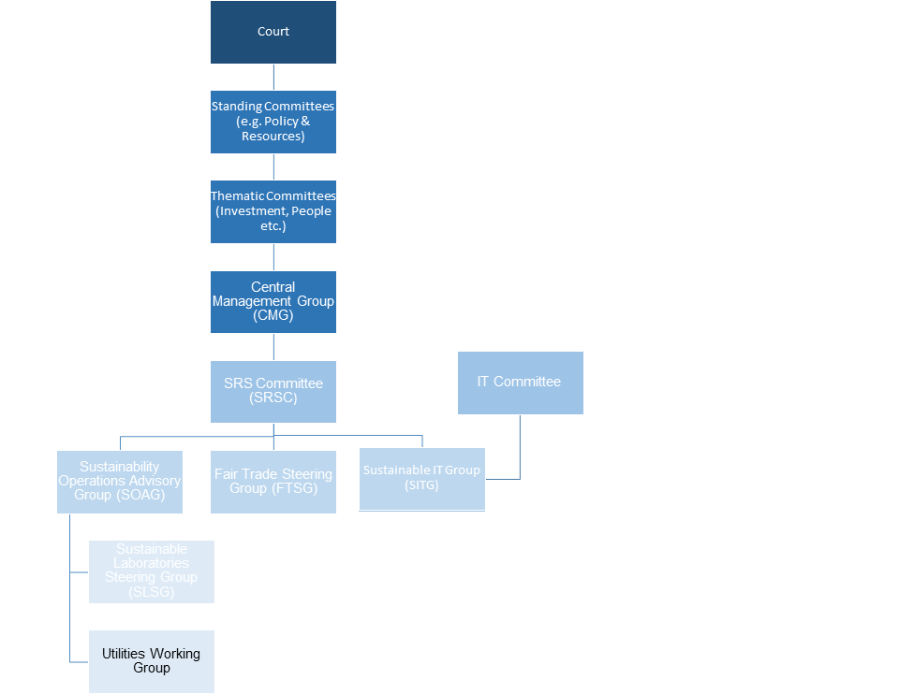
2b | How is climate change action managed and embedded in the organisation?
 | The University is a founding member of the Universities and Colleges Climate Commitment for Scotland and our ambitious Climate Action Plan is being reviewed in 2015. The University has had a Climate Action Plan since 2010 and the plan sets out an institution-wide approach to addressing climate change. The University’s Strategic Plan 2012-16 includes Social Responsibility as a strategic theme. The theme outlines the University’s aim to harness the expertise of the University’s many academics currently conducting ground-breaking research to benefit the University’s objective of becoming a more sustainable institution. The Learning and Teaching sub-committee, chaired by Professor Pete Higgins and Professor Dave Reay, continues to ensure that students can access SRS course during their time degree programmes. Students undertake work based placements and volunteering roles to support the University objectives by undertaking environmental audits and research. Academic colleges and support groups address the Strategic Plan through their own departmental strategies and operations. The importance of social responsibility as a strategic priority was recognised through the establishment of the Department for Social Responsibility and Sustainability in 2013. High quality and impactful programmes continue to catalyse action and collaboration across campus and support the University in achieving its Social Responsibility and Sustainability Strategy. Priority programme areas include: energy engagement and communications; resource efficiency; sustainable laboratories; as well as fair trade and sustainable procurement. Throughout our programmes we seek to develop a ‘Living Lab’ approach across campus to link research and learning opportunities to practical operational issues. The efforts of staff and students in making a positive contribution towards society and the environment continued to be recognised through the Sustainability Awards. Record numbers of staff and studen
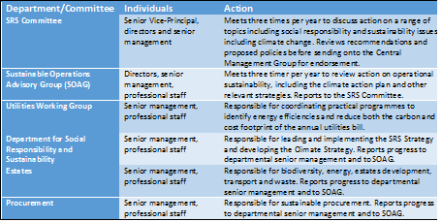

 | Strategy
2c | Does the organisation have specific climate change mitigation and adaptation objectives in its corporate plan or similar document?
 | Provide a brief summary of objectives if they exist.
 | Wording of objective | Name of document
 | To create the conditions under which our students, staff and the wider community are inspired and supported to engage with and contribute to social responsibility and sustainability across the University and beyond. | University of Edinburgh Strategic Plan 2012-16
 | Reduce absolute CO2 emissions by 29% by 2020, against a 2007 baseline (interim target of 20% savings by 2015) | University of Edinburgh Strategic Plan 2012-16
 | Relative indicators for carbon emissions against gross internal area and turnover | University of Edinburgh Strategic Plan 2012-16

2d | Does the organisation have a climate change plan or strategy?
 | If yes, provide the name and/or link to any such document.
 | The Climate Action Plan 2010-20 responded to national and international legislative, political, economic, and ethical drivers. The University is required to comply with the Public Bodies’ Duty, which reflects the Climate Change Act (Scotland). As a result the Climate Action Plan proposed that the University reduce its carbon emissions by 29% by 2020, with an interim target of 20% savings by 2015, against a 2007 baseline. Six themes of activity to achieve this reduction were identified, as follows: 1. Energy efficiency projects 2. Energy infrastructure projects 3. Sustainable estates development 4. Waste reduction and recycling 5. Sustainable travel planning 6. Responsible procurement of goods and services The Climate Action Plan 2010-2020 is available at http://www.ed.ac.uk/files/imports/fileManager/UoE-CAP-2010.pdf A new institution-wide Climate Strategy will replace the Climate Action Plan 2010-20 from next year.
2e | Does the organisation have any plans or strategies covering the following areas that include climate change?
 | Provide the name of any such document and the timeframe covered.
 | Topic area | Name of document | Time period covered | Comments
 | Adaptation | Climate Action Plan 2010-20 | 2010-20 | This will be addressed in the new Climate Strategy in 2016.
 | Business travel | Transport and Travel Planning Policy 2010 | 2010-20 | An Integrated Transport Strategy 2015-20 is in development.
 | Staff Travel | Transport and Travel Planning Policy 2010 | 2010-20 | An Integrated Transport Strategy 2015-20 is in development.
 | Energy efficiency | Energy Policy | 2003 onwards | This will be addressed in the new Climate Strategy in 2016.
 | Fleet transport | Transport and Travel Planning Policy 2010 |  | An Integrated Transport Strategy 2015-20 is in development.
 | ICT | Climate Action Plan 2010-20 | 2010-20 | The Climate Action Plan will be replaced by a new Climate Strategy in 2016.
 | Renewable energy | Climate Action Plan 2010-20 | 2010-20 | The Climate Action Plan will be replaced by a new Climate Strategy in 2016.
 | Sustainable/renewable heat | Climate Action Plan 2010-20 | 2010-20 | The Climate Action Plan will be replaced by a new Climate Strategy in 2016.
 | Waste management | Recycling and Waste Management Policy 2010 | 2010-20
 | Water and sewerage | Energy Policy | 2010-20 | This will be addressed in the new Climate Strategy in 2016.
 | Land Use | Climate Action Plan 2010-20 | 2010-20 | The Climate Action Plan will be replaced by a new Climate Strategy in 2016.
 | Other
2f | What are the organisation’s top 5 priorities for climate change governance, management and strategy for the year ahead?
 | Provide a brief summary of the organisation’s areas and activities of focus for the year ahead.
 | The University’s main objective regarding climate change governance, management and strategy for the year ahead is to develop and publish a new Climate Strategy. This strategy will include a revised boundary, detailed breakdown of emissions by scope and activity, and revised targets for carbon emissions. Currently the University is gathering evidence to support the development of this strategy by reviewing lessons learned from the Climate Action Plan 2010-20, drawing on carbon management best practice from both the public sector and the corporate sector, researching low carbon technologies that could be implemented to achieve future targets and developing a carbon tool to forecast future carbon emissions and support target setting. This work is being supported by the Scottish Funding Council. During this period, the University will continue to identify and implement energy efficiency measures in its operations to reduce its carbon footprint and utilities costs. The University also wishes to continue its progress made on waste management by building on the significant increase in the volume of resources being reused. Further priorities include developing a new integrated transport strategy and supporting the work of the new Sustainable IT Group.
2g | Has the organisation used the Climate Change Assessment Tool (a) or equivalent tool to self-assess its capability / performance?
 | If yes, please provide details of the findings of the self-assessment.
 | The CCAT tool can be accessed at http://www.resourceefficientscotland.com/resource/resource-efficient-scotland-climate-change-assessment-tool-ccat
 | (a) This refers to the tool developed by Resource Efficient Scotland for the purposes of self-assessing an organisation’s capability / performance in relation to climate change.
 | Yes, the Climate Change Assessment Tool was used as part of the review of the Climate Action Plan in summer 2015. A group of key internal stakeholders completed the tool in a workshop setting, the outcomes reinforced the need for the University to develop a new Climate Strategy.

 | Further information
2h | Supporting information and best practice
...

