Required section
Public Sector Climate Change Duties Reporting Template (excel format) - (v3.3 14/07/15)
1 | Organisational Profile
1a | Name of the organisation
 | Provide the name of the organisation that is the subject of this report (“the organisation”).
 | Scottish Court & Tribunal Service
1b | Type of organisation
 | Select from the options below
 | Non-ministerial Departments
1c | Number of FTE staff in the organisation
 | 1400
1d | Alternative metrics used by the organisation
 | Specify any other metrics that the organisation uses to assess its performance in relation to climate change and sustainability.
 | Metric | Units | Value | Comments
 | Floor area | m2 | 189084.00
 |  | #N/A
 |  | #N/A
 | Other (specify in comments)
1e | Overall budget of the organisation
 | Specify approximate £/annum for the report year.
 | £100,000,000.00
1f | Report year
 | Specify the report year e.g. 2015/2016.
 | 2014/15 (Financial year)
1g | Organisational context
 | Provide a summary of the organisation's nature and functions that are relevant to Climate Change reporting.
 | The SCTS owns and operates approximately 53 courts across Scotland. The SCTS reports on the CO2e emissions resulting from the heat, power and water consumption, as well as waste arisings, in these buidings. The SCTS also runs a pool car fleet which it reports emissions resulting from. SCTS staff also use their own vehicles (grey fleet), public transportation and rented vehicles. The SCTS endeavours to report on emissions resulting from all of these actions. However, for our first CMP period (2009-2015), we were unable to collect emissions relating to the grey fleet, car rental and public transport. Our Travel Footprint for this period is therefore only made up of our pool car fleet emissions.

2 | Governance, Management and Strategy
 | Governance and management
2a | How is climate change governed in the organisation?
 | From 2009/10 - 2014/15, the SCTS was running their CMP using a Carbon Management Team which met monthly to monitor progress towards target and recommend measures to remain on track. The Carbon Management Board met quarterly to monitor progress towards target and suggest or approve suggestions from the Team. Annually, a progress report is submitted to the Estates Committee. After meeting the ambitious target of a 25% CO2e reduction in 2015, the SCTS has now set a target to reduce emissions by 12.5% by March 2020. We will draft a new CMP this coming year, and will continue to report to the Estates Committee. Member os PSU and Arthur McKay meet monthly to monitor progress towards this new target and take action when required.
 | 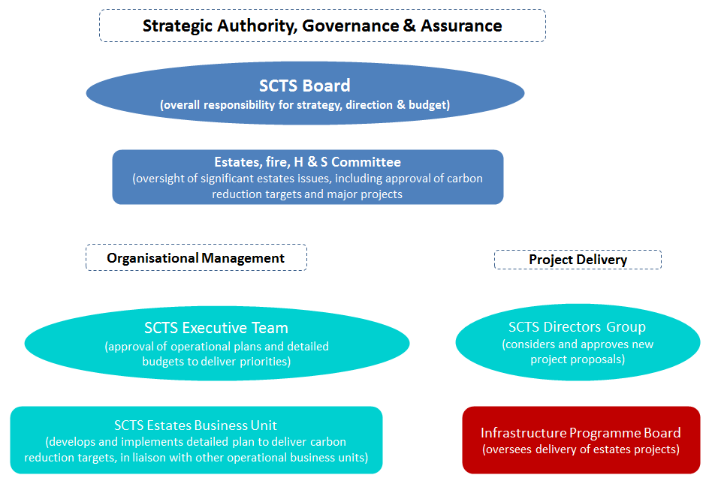
2b | How is climate change action managed and embedded in the organisation?
 | A Staff Engagement programme is currently being developed in order to embed Climate Change action into the daily routine of all SCTS staff. Currently, the SCTS participates in events such as Earth Hour and Home Energy Week. Members in PSU draft and publish news and awareness raising articles on the intranet, in the staff circular and in the staff magazine. PSU/Sustainability staff also attend some staff engagement days and run information stands, as well as run waste and recycling information stands at large court buildings in the estate. PSU works very closely with AMK, our FM Contractor, and has implemented a contractual obligation to reduce CO2 emissions in line with our corporate objectives. This has led to the successful engagement of AMK management, help desk and energy manager. AMK runs toolbox talks and trains their cleaners and engineers to work effectively towards the SCTS CO2 reduction target.
 | <Insert Diagram Here>

 | Strategy
2c | Does the organisation have specific climate change mitigation and adaptation objectives in its corporate plan or similar document?
 | Provide a brief summary of objectives if they exist.
 | Wording of objective | Name of document
 | The SCTS will reduce CO2 emissions by 2.5% per year, based on a 2014/15 baseline, for a total reduction of 12.5% by March, 2020. | Carbon Reduction Policy Statement (2015-2020)

 | The SCTS will reduce CO2e emissions by 25% over a 2009/10 baseline, by 2014/15 | Carbon Management Programme (now complete)

2d | Does the organisation have a climate change plan or strategy?
 | If yes, provide the name and/or link to any such document.
 | Sustainable Development Policy and Procedures
2e | Does the organisation have any plans or strategies covering the following areas that include climate change?
 | Provide the name of any such document and the timeframe covered.
 | Topic area | Name of document | Time period covered | Comments
 | Adaptation
 | Business travel | Sustainability Policy | 2015-2020
 | Staff Travel | Sustainability Policy | 2015-2020
 | Energy efficiency | Sustainability Policy | 2015-2020
 | Fleet transport | Sustainability Policy | 2015-2020
 | ICT | Sustainability Policy | 2015-2020
 | Renewable energy | Sustainability Policy | 2015-2020
 | Sustainable/renewable heat | Sustainability Policy | 2015-2020
 | Waste management | Sustainability Policy | 2015-2020
 | Water and sewerage | Sustainability Policy | 2015-2020
 | Land Use | Sustainability Policy | 2015-2020
 | Other
2f | What are the organisation’s top 5 priorities for climate change governance, management and strategy for the year ahead?
 | Provide a brief summary of the organisation’s areas and activities of focus for the year ahead.
 | (1) Develop Carbon Management Lite programme for 2015-2020 (2) Develop holistic staff engagement / communication plan including a new name, logo, colour scheme, etc for all communications(3) Updating design guides ahead of potential new build projects in the coming years (4) Remove electric heaters from all sites and provide them with half the number of current heaters, using only centrally approved units which are more energy efficient (5) Achieve the new Carbon Trust Waste Standard.
2g | Has the organisation used the Climate Change Assessment Tool (a) or equivalent tool to self-assess its capability / performance?
 | If yes, please provide details of the findings of the self-assessment.
 | The CCAT tool can be accessed at http://www.resourceefficientscotland.com/resource/resource-efficient-scotland-climate-change-assessment-tool-ccat
 | (a) This refers to the tool developed by Resource Efficient Scotland for the purposes of self-assessing an organisation’s capability / performance in relation to climate change.
 | No, but we plan to run this workshop at the beginning of 2016.

 | Further information
2h | Supporting information and best practice
 | Provide any other relevant supporting information and any examples of best practice by the organisation in relation to governance, management and strategy.
 | The SCTS was successful in meeting its very ambitious CO2 reduction target in 2015. This was due to the very successful partnership working between PSU and our FM Contractor, Arthur McKay, as well as the innovative idea to include a CO2 reduction target in the FM contract 5 years ago. The SCTS was also successful in renewing the Carbon Trust Standard in 2015, and were the first public body in Scotland to earn the new Carbon Trust Water Standard in 2015.

3 | Corporate Emissions, Targets and Project Data
 | Emissions
3a | Corporate emissions from start of baseline year to end of report year
 | Complete the table below using the greenhouse gas emissions total for the organisation calculated on the same basis as for its annual carbon footprint / management reporting or, where applicable, its sustainability reporting. Include greenhouse gas emissions from the organisation’s estate and operations (a) (measured and reported in accordance with Scopes 1 & 2 and, to the extent applicable, selected Scope 3 of the Greenhouse Gas Protocol (b). If data is not available for any year from the start of the baseline year to the end of the report year, provide an explanation in the comments column.
 | (a) No information is required on the effect of the organisation on emissions which are not from its estate and operations.
 | (b) This is the Greenhouse Gas Protocol developed by the World Resources Institute and the World Business Council on Sustainable Development which sets the global standard for how to measure, manage and report greenhouse gas emissions.
 | Reference year | Year | Year type | Scope 1 | Scope 2 | Scope 3 | Total | Units | Comments
 | Baseline carbon footprint | 2009/10 | Financial (April to March) | 4,112 | 9,156 | 149 | 13,417 | tCO2e
 | Year 1 carbon footprint | 2010/11 | Financial (April to March) | 4,142 | 7,347 | 149 | 11,638 | tCO2e
 | Year 2 carbon footprint | 2011/12 | Financial (April to March) | 2,835 | 6,969 | 43 | 9,847 | tCO2e
 | Year 3 carbon footprint | 2012/13 | Financial (April to March) | 3,947 | 7,351 | 51 | 11,349 | tCO2e
 | Year 4 carbon footprint | 2013/14 | Financial (April to March) | 3,305 | 7,471 | 53 | 10,829 | tCO2e
 | Year 5 carbon footprint | 2014/15 | Financial (April to March) | 3,010 | 6,620 | 33 | 9,663 | tCO2e
 | Year 6 carbon footprint | 2015/16 | Financial (April to March) |  |  |  | - | tCO2e
 | Year 7 carbon footprint | 2016/17 | Financial (April to March) |  |  |  | - | tCO2e
 | Year 8 carbon footprint | 2017/18 | Financial (April to March) |  |  |  | - | tCO2e
...

