Required section
Public Sector Report on Compliance with Climate Change Duties 2020 Template (excel format) - 2019-2020 Factors
PART 1 | Profile of Reporting Body
1a | Name of reporting body
 | Provide the name of the listed body (the "body") which prepared this report.
 | The National Library of Scotland
1b | Type of body
 | Select from the options below
 | Others
1c | Highest number of full-time equivalent staff in the body during the report year
 | 314
1d | Metrics used by the body
 | Specify the metrics that the body uses to assess its performance in relation to climate change and sustainability.
 | Metric | Units | Value | Comments
 |  | #N/A | 0.00 | not applicable
 |  | #N/A
 |  | #N/A
 | Other (specify in comments) |  |  | not applicable
1e | Overall budget of the body
 | Specify approximate £/annum for the report year.
 | Budget | Budget Comments
 | £16,493,000.00
1f | Report year
 | Specify the report year.
 | Report year | Report year comments
 | 2019/20 (Financial year)
1g | Context
 | Provide a summary of the body's nature and functions that are relevant to climate change reporting.
 | The National Library of Scotland preserves the memory of the nation with collections that span the centuries, from earliest times to the digital age. Our collections, with over 200 thousands linear metres storage in all 8 buildings that Library occupy in Edinburgh and Glasgow, document the influence of Scots at home and abroad, while also reflecting the ideas and cultures of the world.

PART 2 | Governance, Management and Strategy
 | Governance and management
2a | How is climate change governed in the body?
 | Provide a summary of the roles performed by the body’s governance bodies and members in relation to climate change. If any of the body’s activities in relation to climate change sit outside its own governance arrangements (in relation to, for example, land use, adaptation, transport, business travel, waste, information and communication technology, procurement or behaviour change), identify these activities and the governance arrangements. Provide a diagram / chart to outline the governance structure within the body.
 | The Estates Technical Officer prepares the annual Sustainability Report, this is submitted for correction and approval to the Head of Estates and after that to the Library Leadership team for approval outlining activities during the previous 12 months. This document is then made available to the public over the Library website. There is also available a sustainability and green work plan report for climate change where carbon emission reduction projects refered and updated and discussed quarterly at the Health and Safety Wellbeing and Environmental Committee meeting. There is also a carbon savings projects register report from estates with all projects plus any BMS modifications/adjustments that are recorded to identify where carbon emission reduction savings for inclusion within the Sustainability Report.
 | 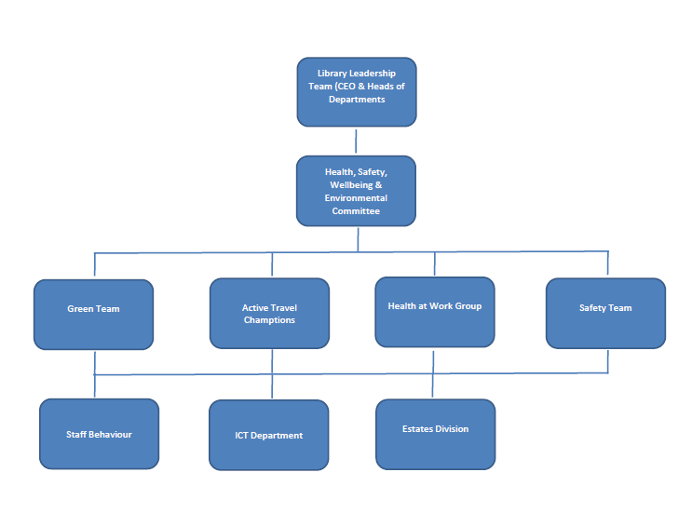 <Insert Diagram Here or Attach File>
2b | How is climate change action managed and embedded in the body?
 | Provide a summary of how decision-making in relation to climate change action by the body is managed and how responsibility is allocated to the body’s senior staff, departmental heads etc. If any such decision-making sits outside the body’s own governance arrangements (in relation to, for example, land use, adaptation, transport, business travel, waste, information and communication technology, procurement or behaviour change), identify how this is managed and how responsibility is allocated outside the body. Provide a diagram to show how responsibility is allocated to the body’s senior staff, departmental heads etc.
 | The Estates Department, under instruction from the Head of Estates leads on all internal energy savings actions and initiatives. The Estates Department is supported by the Health, Safety Wellbeing Environmental Committee meeting whenever it is possible to do so. Going forwards the intention is to devolve the day to day running of the Library's green initiatives as set by Estates to individual, 'Green Champions' in each buildings. This should in turn lead to a more transparent and rebust, green team structure to focus on climate change and energy savings accros the Library. During the current financial year these transitioning arrangements involve the preparation and application of specific workplans for our green team and active travel champions which sets out the goals for the year ahead. These goals are monitored collectively by the Health, Safety & Environmental Committee on a quarterly basis in order to ensure that the Library remains on track with achieving the stated outcomes as outlined within each workplan. Any particular issues/concerns are in turn reported to the Library Leadership Team, which comprises the CEO and Associate Directors, so that any appropriate additional resources can be allocated if available.The CEO in turns reports progress to the Board. At the end of the 12 month transition period a further review will be undertaken in order to determine how these systems can be further improved or better developed. All staff training is implemented to increase the awareness to staff for energy savings by giving them examples to develop and improve consumption figures in the future. Next staff training will be carried out again in November 2020. Moreover a Sustainability policy has been approved by the Library Leadership team for Sustainable Development across the Library estate. A future objective for the Library is to creat a Climate Change Risk and Action policy for managing and monitoring Climate Change risks.
 | <Insert Diagram Here or Attach File>

 | Strategy
2c | Does the body have specific climate change mitigation and adaptation objectives in its corporate plan or similar document?
 | Provide a brief summary of objectives if they exist.
 | Wording of objective | Name of document |  |  | Document Link
 | We will reduce our carbon emissions by 42% by 2020 from 2008/9 levels | Public Sector Sustainability Report |  |  | Low Carbon Scotland, Scottish Government, page 6.
 | we will reduce our energy consumption by at least 50% by 2020 | Public Sector Sustainability Report |  |  | http://www.gov.scot/Resource/0042/00426134.pdf.The Energy Efficiency target, Scottish Government-Section 3.
 | departments will reduce their waste arisings by 25% by 2020 | Public Sector Sustainability Report |  |  | http://www.gov.scot/Publications/2013/05/2162/3. Sustainable Operations on the Government Estates (SOGE), page 3.
 | reduce 70% of all waste arisings by 2025 | Public Sector Sustainability Report |  |  | http://www.civilservice.gov.uk/wp-content/uploads/2011/09/SOGE-Overview_tcm6-36023.pdf.Scotland zero waste plan, Scottish Government, page 6-7-14.
 | only 5% of all waste arisings to go to landfill by 2025 | Public Sector Sustainability Report |  |  | http://www.gov.scot/Resource/Doc/314168/0099749.pdf. Scottish Government, Annex B-Role of land-use planning to deliver zero waste, section 3.6.
 | reduce water consumption by 25% on office and non-office estates by 2020 | Public Sector Sustainability Report |  |  | http://www.gov.scot/Publications/2010/06/08092645/8.Sustainable Operations on the Government Estates (SOGE), page 3. http://www.civilservice.gov.uk/wp-content/uploads/2011/09/SOGE-Overview_tcm6-36023.pdf.
2d | Does the body have a climate change plan or strategy?
 | If yes, provide the name of any such document and details of where a copy of the document may be obtained or accessed.
 | All existing climate change plans/ and or strategies are contained within the Library's Annual Sustainability Report which can be found in the Library's corporate documents website. ( http://www.nls.uk/about-us/corporate-documents ) and Carbon Mangement Plan 2010-2020 (http://www.nls.uk/media/738457/2010-carbon-management-plan.pdf), a new Carbon Mangement Plan 2020-2025 draft has been preperared by Estates department and will be published once it has been completed and approved. The Library now has an approved Sustainability policy in place that is added to the Library website (https://www.nls.uk/media/1684177/2017-sustainable-development-policy.pdf). Creating a Climate Change plan or strategy is a future objective for the Library.
2e | Does the body have any plans or strategies covering the following areas that include climate change?
 | Provide the name of any such document and the timeframe covered.
 | Topic area | Name of document | Link | Time period covered | Comments
 | Adaptation
 | Business travel | Public Sector Sustainability Report | https://www.nls.uk/about-us/corporate-documents | 2019-2020
 | Staff Travel | Public Sector Sustainability Report | https://www.nls.uk/about-us/corporate-documents | 2019-2020
 | Energy efficiency | Carbon Management Plan | http://www.nls.uk/media/738457/2010-carbon-management-plan.pdf | 2010-2020
 | Fleet transport | Public Sector Sustainability Report | https://www.nls.uk/about-us/corporate-documents | 2019-2020
 | ICT
 | Renewable energy
 | Sustainable/renewable heat
 | Waste management | Public Sector Sustainability Report | https://www.nls.uk/about-us/corporate-documents | 2019-2020
 | Water and sewerage | Public Sector Sustainability Report | https://www.nls.uk/about-us/corporate-documents | 2019-2020
 | Land Use
 | Other
2f | What are the body’s top 5 priorities for climate change governance, management and strategy for the year ahead?
 | Provide a brief summary of the body’s areas and activities of focus for the year ahead.
 | 1) Review all existing governance arrangements to determine if they are fit for purpose, 2) Engage with staff, senior management and where appropriate the Trades Unions to agree the way forward, 3) Devise (or build upon existing) in house teams and/ or structures which will best aid staff engagement, goal setting and reporting, 4) Agree realistic targets and 5) Monitor progress with a view to setting more challenging but equally attainable targets for the following 12 months.
2g | Has the body used the Climate Change Assessment Tool (a) or equivalent tool to self-assess its capability / performance?
 | If yes, please provide details of the key findings and resultant action taken.
 | (a) This refers to the tool developed by Resource Efficient Scotland for self-assessing an organisation’s capability / performance in relation to climate change.
 | Governance - 54%, Emissions - 93%, Adaptation - 36%, Behaviour - 45%, Procurement - 38%. Overall Score 57% (66/ 116). From Run 1 dated 17/11/2019.

 | Further information
2h | Supporting information and best practice
 | Provide any other relevant supporting information and any examples of best practice by the body in relation to governance, management and strategy.
 | Supporting information is currently analysed by the Estates department in collaboration with other support departments eg. finance, procurement etc. The estates department is also actively identifying suitable partners to benchmark against industry best practice.

PART 3 | Corporate Emissions, Targets and Project Data
 | Emissions
3a | Emissions from the start of the year which the body uses as a baseline (for its carbon footprint) to the end of the report year
...

