Required section
Public Sector Climate Change Duties Reporting Template (excel format) - (v3.3 14/07/15)
1 | Organisational Profile
1a | Name of the organisation
 | Provide the name of the organisation that is the subject of this report (“the organisation”).
 | Highland Council
1b | Type of organisation
 | Select from the options below
 | Local Authority
1c | Number of FTE staff in the organisation
 | 8030
1d | Alternative metrics used by the organisation
 | Specify any other metrics that the organisation uses to assess its performance in relation to climate change and sustainability.
 | Metric | Units | Value | Comments
 |  | #N/A
 |  | #N/A
 |  | #N/A
 | Other (specify in comments)
1e | Overall budget of the organisation
 | Specify approximate £/annum for the report year.
 | ~£570 million net revenue budget
1f | Report year
 | Specify the report year e.g. 2015/2016.
 | 2014/15 (Financial year)
1g | Organisational context
 | Provide a summary of the organisation's nature and functions that are relevant to Climate Change reporting.
 | The Highland Council is a local authority in the north of Scotland, serving a largely rural and remote population. Inverness is the region's main population centre and only city. The Council is responsible for delivering a wide range of services to residents across Highland including schools, leisure facilities, waste collections and social and welfare services.

2 | Governance, Management and Strategy
 | Governance and management
2a | How is climate change governed in the organisation?
 | Climate change was identified as one the Council’s key cross-cutting themes, with relevance to all services in the Council’s Programme from 2012-15 (covering the reporting year). The Highland First Council Programme, adopted in August 2015, identifies helping communities improve their energy efficiency, developing a local flood management plan and dealing more effectively with waste as key priority areas. The Council’s progress towards mitigating and adapting to climate change is within the remit of the Resources Committee, although some activities (such as flood alleviation schemes, or land use management) sit within other committees, such as Planning, Development and Infrastructure. All Council committee reports are required to identify any climate change implications. The Council has had plans in place for reducing its carbon emissions since 2005 through Carbon Management Plans, and in 2013 the Council launched the Carbon CLEVER initiative, which sets the goal of a carbon neutral Inverness in a low carbon Highlands by 2025. Papers on Carbon CLEVER have been reported to meetings of the Highland Council, although individual projects and actions may be taken to strategic or area committees. In April 2012, the Highland Council published its first climate change adaptation strategy for the Highland region: “Adapting to Climate Change in Highland”. This document was approved at a meeting of the Highland Council. The document aims to gather evidence, present regional information, and equip local decision makers with the appropriate tools to adapt to the effects of a changing climate. It was developed in consultation with multiple stakeholders and with guidance and advice from Adaptation Scotland. The Highland Council has five Services (see figure below). The Council’s Climate Change team is responsible for facilitating and promoting climate change actions across the council and is the primary point of contact for climate change issues. The Climate Change team is withi
 | 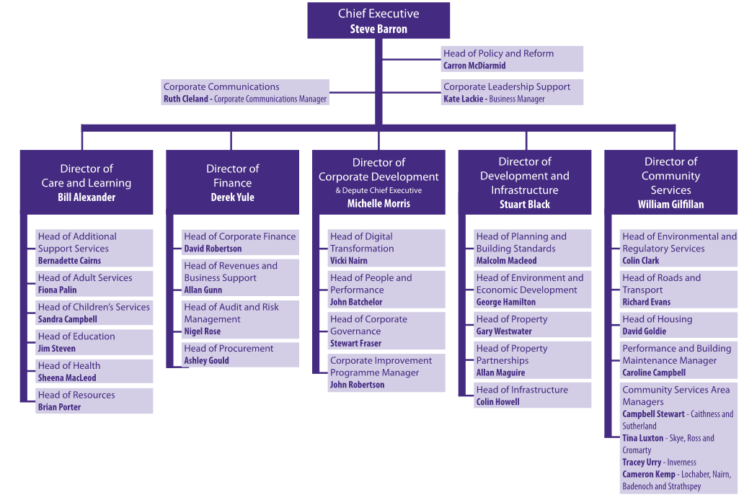
2b | How is climate change action managed and embedded in the organisation?
 | The Highland Council Carbon Management Plan 2013 - 2020 (CMP) provides a framework for monitoring and reducing carbon emissions from the Council’s internal operations. A number of key teams are responsible for taking actions to meet specific targets within the plan. The Climate Change team works collaboratively with services across the council to develop and implement carbon reduction strategies. A Carbon Working Group, composed of key officers helps facilitate this interaction, considers progress towards the targets set out in the CMP, and any other climate change related issues or developments. The Climate Change team has a strategic overview of the Highland Council’s progress to reduce carbon emissions and sits within the Policy and Reform team in the Chief Executive’s Office (Figure in section 2a). The team acts as a centre of expertise on climate change for the Council and works with teams across the Council. Reports on climate change produced by the team are reviewed by the Executive Leadership Team, which includes the Chief Executive, Deputy Chief Executive, Service Directors and the Head of Policy and Reform, before being presented to and scrutinised by the appropriate committee, for approval by elected members. Committee minutes are then approved by Full Council (Figure below). In 2010, the Highland Council introduced Climate Change screenings of all committee papers. This covers all committees and all subject matters. This was amended in 2013 to include any Carbon CLEVER implications also. The Highland Council has taken a number of steps to embed climate change action across the organisation. This includes staff engagement and awareness activities including climate change and sustainability training for new staff, an annual programme of events and campaigns focused on climate change including Earth Hour, Cycle to Work Week, Pass it on Week and other national and European campaigns, and an IT switch off campaign. The Council is also working on embedding cl
Highland Council
Responsible Committee
Executive Leadership Team
Climate Change Team
Carbon Working Group
Relevant Council Expertise

 | Strategy
2c | Does the organisation have specific climate change mitigation and adaptation objectives in its corporate plan or similar document?
 | Provide a brief summary of objectives if they exist.
 | Wording of objective | Name of document
 | • The Highland Council will bring forward a Local Flood Risk Management Plan by 2016 and will raise awareness within our communities and individual householders on how they can protect themselves from flood incidents. • Dealing with our Waste: We will develop plans to meet our obligations as a result of the landfill ban of biodegradable municipal waste by 1st January 2021. • Community Resilience Planning: The Council will work with Scottish and Southern Energy and other utility companies to deliver improved resilience planning for our communities including planning for extreme weather events. • Fairer fuel and energy: We will work with UK and Scottish Governments and energy suppliers to promote fair domestic fuel pricing for the Highlands and a fairer system for targeting energy efficiency funding based on levels of fuel poverty. • Helping communities reduce their energy use and costs: The Council, with partners, will support communities to reduce their energy use and associated carbon emissions and costs. | Highland First (effective from August 2015)
 | Climate change is identified as a cross-cutting theme across the entire Council programme, through commitment to the goals of the SCCD (relevant to the reporting year 2014/15) | Working Together for the Highlands 2012-2017
 | Manage sustainably the outstanding natural heritage of the Highlands to optimise the economic, health and learning benefits; • To increase and develop the use of renewable energy; • A carbon neutral Inverness in a low carbon Highlands by 2025; • Reducing fuel poverty; • Supporting communities to be resilient to extreme weather events; and • Improving access to the outdoors. | Single Outcome Agreement

2d | Does the organisation have a climate change plan or strategy?
 | If yes, provide the name and/or link to any such document.
 | The Council adopted its first Carbon Management Plan in 2005/6, and is now on its third iteration. The Carbon Management Plan 2013-2020, was adopted in 2013, and expands on the ambition and scope of the previous two plans, including setting more ambitious carbon reduction targets, and targeting a wider range of emissions both from internal Council emissions, as well as reporting on community-wide emissions from Council houses and municipal waste (although reduction targets are not set against these). This focused attention has helped to embed climate change awareness across the Council, with climate change being adopted as a cross-cutting theme in the Working Together for the Highlands 2012-2017 programme, adopted in 2013 and relevant for the reporting year 2014/15. Outcomes and actions are also detailed in the Single Outcome Agreement. These commitments have continued with the new Council Programme Highland First, adopted in August 2015, with a focus on supporting communities reduce their energy costs, reducing fuel poverty, improving the management of waste, and building long-term resilience with our communities to cope with events such as flooding, which have the potential to be impacted by climate change.
2e | Does the organisation have any plans or strategies covering the following areas that include climate change?
 | Provide the name of any such document and the timeframe covered.
 | Topic area | Name of document | Time period covered | Comments
 | Adaptation | Adapting to climate change in Highland | 2012-2020
 | Business travel | Carbon Management Plan | 2013-2020
 | Staff Travel | Carbon Management Plan | 2013-2020
 | Energy efficiency | Carbon Management Plan | 2013-2020
 | Fleet transport | Carbon Management Plan | 2013-2020
 | ICT |  |  | Carbon use is monitored and reported on annually by Fujitsu, our ICT service provider
 | Renewable energy
 | Sustainable/renewable heat
 | Waste management | Carbon Management Plan | 2013-2020
 | Water and sewerage | Carbon Management Plan | 2013-2020
 | Land Use | Highland wide Local Development Plan, adopted 2012; Inner Moray Firth Local Development Plan, adopted 2015; Land allocations within extant Local Development Plans including: • West Highland and Islands Local Plan, 2010; • Sutherland Local Plan, June 2010; • Ross and Cromarty East Local Plan, 2007; • Wester Ross Local Plan, June 2006; and • Caithness Local Plan, 2002. Various Supplementary Guidance & site specific Development Briefs.
 | Other
2f | What are the organisation’s top 5 priorities for climate change governance, management and strategy for the year ahead?
 | Provide a brief summary of the organisation’s areas and activities of focus for the year ahead.
 | • Priority 1: Work will continue to embed carbon management across the Council and to reduce carbon emissions from our own estate. This will include: maintaining the good progress in reducing emissions from business travel and fleet; continued water resource management; a programme of LED street lighting improvements; a re-focus on reducing energy use from our buildings through our capital programme (energy efficiency improvements and office rationalisation) and targeted action in those buildings showing an increase compared to the previous year and those buildings with the highest energy consumption; refreshing the climate change and sustainability training provided to new staff; work with services across the Council to investigate potential opportunities for achieving carbon and cost savings; and improve our approach to measuring waste from offices and buildings. • Priority 2: Supporting the delivery of the Highland First Programme commitment to help communities reduce their energy usage and costs. This encompasses the Council’s commitment to improve energy efficiency in Council housing. The Council is responsible for 13,488 Council houses with total carbon emissions related to energy use of 50,751 tCO2e, 2014/15. This figure is the same as reported in 2013/14 as it is based on an estimate from the energy performance certificates of the housing stock, which have not been updated. The Council is committed to improving the energy efficiency of Council houses to help alleviate fuel poverty, with reduced carbon emissions being a co-benefit. 88% of Council housing stock now meets the energy efficiency standard of the Scottish Housing Quality Standards (SHQS). Completion of the programme is expected in January 2016. • Priority 3: Establish and embed a robust process to support the move to required reporting to Scottish Government. • Priority 4: Work with Carbon Working Group (an officer's group designed to support the implementation of the Carbon Management Plan) to ref
2g | Has the organisation used the Climate Change Assessment Tool (a) or equivalent tool to self-assess its capability / performance?
 | If yes, please provide details of the findings of the self-assessment.
 | The CCAT tool can be accessed at http://www.resourceefficientscotland.com/resource/resource-efficient-scotland-climate-change-assessment-tool-ccat
...

