Required section
Public Sector Climate Change Duties Reporting Template (excel format) - (v3.3 14/07/15)
1 | Organisational Profile
1a | Name of the organisation
 | Provide the name of the organisation that is the subject of this report (“the organisation”).
 | Stirling Council
1b | Type of organisation
 | Select from the options below
 | Local Authority
1c | Number of FTE staff in the organisation
 | 3,420
1d | Alternative metrics used by the organisation
 | Specify any other metrics that the organisation uses to assess its performance in relation to climate change and sustainability.
 | Metric | Units | Value | Comments
 | Floor area | m2 | 207379.00
 | Population size served | population | 91580.00 | 2014
 |  | #N/A
 | Other (specify in comments) | % | 45.7 | Household waste recycled or composted
1e | Overall budget of the organisation
 | Specify approximate £/annum for the report year.
 | £310,026,210.00
1f | Report year
 | Specify the report year e.g. 2015/2016.
 | 2014/15 (Financial year)
1g | Organisational context
 | Provide a summary of the organisation's nature and functions that are relevant to Climate Change reporting.
 | • Planning - regulates development and use of land, including kind of development, how much, where it should be located and what it looks like, all of which can have a significant impact on area emissions and climate resilience. • Economic development / low carbon & circular economy – the type, location and development of local businesses and the wider economy have significant impacts on the local environment, emissions and resilience. • Infrastructure / construction / refurbishment / design / green & blue infrastructure - the way buildings are designed, constructed and used in the UK accounts for approximately 45% of total UK emissions. It is essential that all new buildings are as energy efficient as possible and are able to meet any remaining energy needs from renewable resources. The biggest challenge, however, is to tackle existing buildings as the vast majority will still be standing in 2050 - the Scottish Government and Council deadline by which emissions are to have reduced by 80% on 1990 levels. • Housing - energy use, carbon emissions, insulation, energy efficiency, renewables, EPCs, new build & refurbishments, climate change adaptations • Energy use in buildings, insulation, EPCs, new build & refurbishments, renewables, street lighting, carbon emissions, energy efficiency, climate adaptations • Transport planning / business travel / commuting / flights / modal change / cycling • Fleet – vehicle engine size, fuel used, driver training • Waste – municipal & corporate, re-use, recycling, composting • Land – Open space, biodiversity, green & blue infrastructure, habitat networks, trees & woodland, carbon-rich soils • Emergency planning – planning for and responding to severe weather events • Flood Risk Management • Procurement - Sustainable procurement – embedding sustainable development considerations into spending and investment decisions can help to reduce waste and emissions, make more efficient use of resources, stimulate the market for more sustainabl

2 | Governance, Management and Strategy
 | Governance and management
2a | How is climate change governed in the organisation?
 | The Council's Portfolio-holder for Environment & Housing had oversight of sustainable development and climate change during the year. Any issues requiring political approval or involving policy change are considered by elected Members at the appropriate committee, most frequently the Environment & Housing Committee during 2014-15. This committee had responsibility for planning policy and the built environment, roads, parks and open space, waste, housing and sustainability agendas. The Community Planning & Regeneration Committee oversees the community planning processes and deals with the voluntary sector, advice services and community engagement, sport and recreation, culture, libraries and archives. The Finance & Economy Committee oversees Information Technology and Procurement & Central Purchasing (including all contracts) and associated policies and procedures.

2b | How is climate change action managed and embedded in the organisation?
 | From January 2014, the senior lead officer role for sustainable development and climate change was split between the Chief Executive (as strategic lead) and Head of Environment (as operational lead) until both left the organisation in October 2014. A Sustainable Development & Climate Change Working Group of senior officers was established by the Chief Executive in January 2014, with the aim of working to support and coordinate development and implementation of the Council's Sustainable Development Strategy and associated activity. All Services were involved to make sure that relevant activity and initiatives were linked up and good practice spread across the Council. The Group met in January and April 2014 and was central to development of the Council's first Adaptation Strategy Action Plan. Subsequent quarterly meetings of the Working Group were cancelled following major re-structuring of Council services and associated staff changes. Throughout 2014/15, day to day responsibility for co-ordinating the Council’s sustainability and climate change response continued to rest with the Sustainable Development Co-ordinator. This post was located in the Roads Support & Public Transport Team within Environment Services from August 2013 until March 2015, when it transferred to Infrastructure Delivery in Corporate Operations. The new Director of Corporate Operations took on the role of sponsor for the sustainability ‘super priority’ in January 2015, with decision-making structures to be developed from March 2015.
 | <Insert Diagram Here>

 | Strategy
2c | Does the organisation have specific climate change mitigation and adaptation objectives in its corporate plan or similar document?
 | Provide a brief summary of objectives if they exist.
 | Wording of objective | Name of document
...
2d | Does the organisation have a climate change plan or strategy?
 | Water and sewerage
 | Land Use | Open Space Strategy, Policy Objective 14: Climate Change | 2012 to 2017 | Adopted 40% emission reduction by 2021 target
 | Other
2f | What are the organisation’s top 5 priorities for climate change governance, management and strategy for the year ahead?
 | Provide a brief summary of the organisation’s areas and activities of focus for the year ahead.
 | 1. Re-locate the sustainable development remit into the newly established Corporate Service, with the Service Director taking the senior lead role. 2. Establish a Sustainable Development Team of 5 officers, including a Sustainable Development Manager. 3. Develop and deliver Sustainable Development Business Plan 4. Develop and deliver Sustainable Development Team Work Plan 5. Activity to embed sustainable development & climate change considerations into corporate & service plans, policies & strategies and operations
2g | Has the organisation used the Climate Change Assessment Tool (a) or equivalent tool to self-assess its capability / performance?
 | If yes, please provide details of the findings of the self-assessment.
 | The CCAT tool can be accessed at http://www.resourceefficientscotland.com/resource/resource-efficient-scotland-climate-change-assessment-tool-ccat
 | (a) This refers to the tool developed by Resource Efficient Scotland for the purposes of self-assessing an organisation’s capability / performance in relation to climate change.
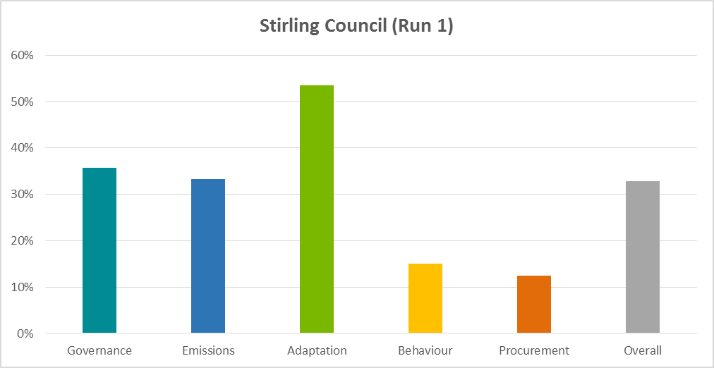
 | In June 2015, the new Sustainable Development team applied the CCAT tool to 2014-15 activity and is incorporating improvement measures into work planning. Results are given below and in the graph to the right. Governance 36% Emissions 33% Adaptation 54% Behaviour 15% Procurement 13% Overall 33%

 | Further information
2h | Supporting information and best practice
 | Provide any other relevant supporting information and any examples of best practice by the organisation in relation to governance, management and strategy.
 | In February 2015, Council adopted revised Guidance on Preparing Committee Reports that includes a Sustainable Development Checklist and a guidance note on Carbon Assessment which outlines issues to consider when judging whether the recommendations in the Committee paper are likely to increase, decrease, or have no effect on the Council’s carbon emissions. The Council Sustainable Development team will be monitoring Committee reports to review and advise on use of these materials in completing documents to improve understanding and decision-making.

3 | Corporate Emissions, Targets and Project Data
 | Emissions
3a | Corporate emissions from start of baseline year to end of report year
 | Complete the table below using the greenhouse gas emissions total for the organisation calculated on the same basis as for its annual carbon footprint / management reporting or, where applicable, its sustainability reporting. Include greenhouse gas emissions from the organisation’s estate and operations (a) (measured and reported in accordance with Scopes 1 & 2 and, to the extent applicable, selected Scope 3 of the Greenhouse Gas Protocol (b). If data is not available for any year from the start of the baseline year to the end of the report year, provide an explanation in the comments column.
 | (a) No information is required on the effect of the organisation on emissions which are not from its estate and operations.
 | (b) This is the Greenhouse Gas Protocol developed by the World Resources Institute and the World Business Council on Sustainable Development which sets the global standard for how to measure, manage and report greenhouse gas emissions.
 | Reference year | Year | Year type | Scope 1 | Scope 2 | Scope 3 | Total | Units | Comments
 | Baseline carbon footprint | 2006/07 |  |  |  |  | 23,743 | tCO2e | Data collected using categories scoped in for Carbon Trust CMP
 | Year 1 carbon footprint | 2007/08 | 0 |  |  |  | 23,872 | tCO2e | Data collected using categories scoped in for Carbon Trust CMP
...

