Required section
Public Sector Report on Compliance with Climate Change Duties 2020 Template (excel format) - 2019-2020 Factors
PART 1 | Profile of Reporting Body
1a | Name of reporting body
 | Provide the name of the listed body (the "body") which prepared this report.
 | South Lanarkshire Council
1b | Type of body
 | Select from the options below
 | Local Government
1c | Highest number of full-time equivalent staff in the body during the report year
 | 11,925
1d | Metrics used by the body
 | Specify the metrics that the body uses to assess its performance in relation to climate change and sustainability.
 | Metric | Units | Value | Comments
 | Population size served | population | 320,530 | Figure taken from mid year estmate 2019
 |  | other | 4.7 | The Council's carbon footprint in tonnes per number of employees (per head) for 2019-20
 |  | other | 4.0 | South Lanarkshire area wide carbon emissions per capita (tonnes) – 2018 latest estimated figure available (two year lag) released on 25th June 2020 from BEIS
 | Other (specify in comments)
1e | Overall budget of the body
 | Specify approximate £/annum for the report year.
 | Budget | Budget Comments
 | £749,021,000.00 | The budget represents the year end budget from our 2019-20 outturn report
1f | Report year
 | Specify the report year.
 | Report year | Report year comments
 | 2019/20 (Financial year)
1g | Context
 | Provide a summary of the body's nature and functions that are relevant to climate change reporting.
 | South Lanarkshire is Scotland's fifth largest local authority in terms of population with 320,530 (2019 mid-year estimate) residents living with 146,173 households (2018 figure). The Council covers 180,000 hectares of land stretching from almost the centre of Glasgow to the Scottish Borders. The area has a mix of urban, rural, and former mining environments - almost 80% is classed as agriculture but 70% of the population live in the major settlements in the north. There are four towns in South Lanarkshire with a population of more than 20,000 (East Kilbride, Hamilton, Rutherglen and Cambuslang) and a further 23 towns and settlements with a population of over 1,000. South Lanarkshire is divided into 20 electoral wards which are represented by 64 Councillors who are responsible for agreeing the Council's plans and policies and deciding how the Council's budget should be spent. The Council provides services for everyone in this large and diverse geographical area from five Resources:- Community and Enterprise Resources - comprises various services operating from a wide variety of locations throughout South Lanarkshire. The diverse range of services contributes significantly to the quality of life experienced by both residents and visitors to South Lanarkshire. Activities include:- maintaining the road and active travel networks, waste disposal and recycling services, street cleaning and maintaining open spaces, promoting economic development, planning and building standards, environmental health, trading standards, facilities services within schools and council offices, bereavement services, fleet, and leading the development and promotion of sustainable development and climate change action. Education Resources – is South Lanarkshire Council’s biggest service. There are 49,000 young people attending nursery, primary, secondary and additional support needs schools in South Lanarkshire. Education is both a national and local priority. The service aims to raise

PART 2 | Governance, Management and Strategy
 | Governance and management
2a | How is climate change governed in the body?
 | Provide a summary of the roles performed by the body’s governance bodies and members in relation to climate change. If any of the body’s activities in relation to climate change sit outside its own governance arrangements (in relation to, for example, land use, adaptation, transport, business travel, waste, information and communication technology, procurement or behaviour change), identify these activities and the governance arrangements. Provide a diagram / chart to outline the governance structure within the body.
 | Sustainable Development, including climate change duties compliance is a priority objective for the Council; this is reflected in the Council Plan and the Council's Sustainable Development and Climate Change Strategy (SDCCS). From April 2019 to December 2019, climate change was governed through the Council's Sustainable Development Member Officer Working Group (SDMOWG); consisting of three elected members, the Chief Executive, the Executive Directors of Housing and Technical Resources and Community and Enterprise Resources. The group had responsibility of overseeing the implementation of: the SDCCS; compliance with the climate change duties; embedding sustainable development within Council policy; and the scrutiny of performance monitoring reports. This group however did not have decision making powers. Following Scotland’s declaration of a climate emergency and the new national climate change targets, a motion was agreed, at full Council on the 25th September 2019, to establish a climate change and sustainability committee that would replace the SDMOWG, and have decision making powers to help to accelerate the pace and scale of action needed in response to the climate emergency and meet challenging climate change national targets. The committee’s structure and terms of reference was approved by full Council on the 26th February 2020. Progress on the Council's SDCCS and complying with our climate change duties were previously are reported to the SDMOWG bi-annually using IMPROVe (the Council's performance management system). Reports will now be presented to the climate change and sustainability committee. An officers' coordination group, drawn from all Council Resources and led by the Sustainable Development Officer, supported the work of the SDMOWG, making recommendations and developing work programmes. With the introduction of the climate change and sustainability committee it was felt that a more senior level officers’ group was required to make higher le
 | 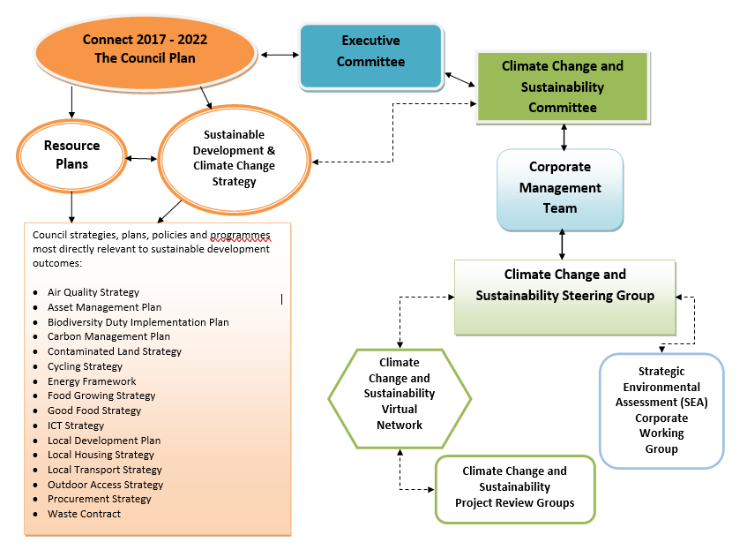 <Insert Diagram Here or Attach File>
2b | How is climate change action managed and embedded in the body?
 | Provide a summary of how decision-making in relation to climate change action by the body is managed and how responsibility is allocated to the body’s senior staff, departmental heads etc. If any such decision-making sits outside the body’s own governance arrangements (in relation to, for example, land use, adaptation, transport, business travel, waste, information and communication technology, procurement or behaviour change), identify how this is managed and how responsibility is allocated outside the body. Provide a diagram to show how responsibility is allocated to the body’s senior staff, departmental heads etc.
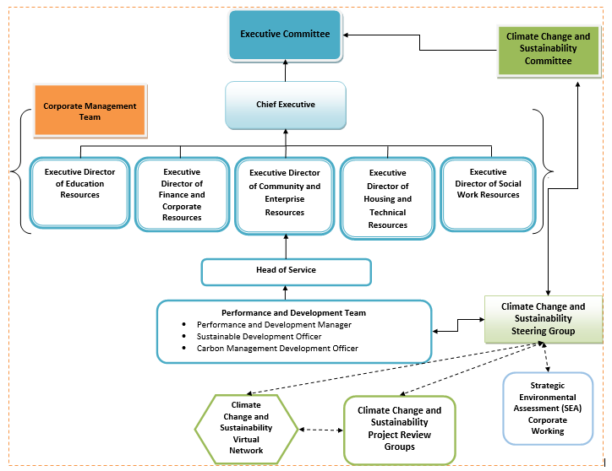
 | Sustainable Development and Carbon Management sits within the Performance and Development Team of Community and Enterprise Resources. The sustainable development officer and carbon management development officer have a strategic overview of the Council's progress to reduce carbon emissions, climate change adaptation and environmental sustainability. The Performance and Development team acts as a centre of expertise on climate change for the Council, and works with Services across the Council to build capacity on climate change awareness. Reports on climate change produced by the team are reviewed by the Head of Service prior to being presented to the Corporate Management Team, which includes the Chief Executive and Executive Directors for all Resources. Reports on climate change were then presented to the SDMOWG before being presented to and scrutinised by the Executive Committee. Progress reports are now submitted to the new climate change and sustainability committee bi-annually. The Performance and Development team are responsible for developing the SDCCS and carbon management plan (CMP). The development of both documents are done in conjunction with all Resources and they provide a basis from which elected members and officers can demonstrate strong and effective leadership in environmental sustainability and climate change actions. Actions within the SDCCS action plan are monitored and reported using the Council's IMPROVe system. The SDCCS action plan is reported bi-annually to the corporate management team and the climate change and sustainability committee - previously the SDMOWG and Executive Committee - using the progress update in IMPROVe. Many of the SDCCS actions are embedded in Resource and Service plans which results in many employees having climate change actions included in their key work objectives as part of their annual performance development review. The Council also has a ‘Behaviours Framework’ which sets out 5 key principles of how
 | <Insert Diagram Here or Attach File>

 | Strategy
2c | Does the body have specific climate change mitigation and adaptation objectives in its corporate plan or similar document?
 | Provide a brief summary of objectives if they exist.
 | Wording of objective | Name of document |  |  | Document Link
 | Work with communities and partners to promote high quality, thriving and sustainable communities (Communities will be empowered and South Lanarkshire will be an environmentally responsible, clean, attractive and well-designed place to live, work and play) | The Council’s Corporate Plan: Connect 2017-2022 page 5 |  |  | https://www.southlanarkshire.gov.uk/info/200172/plans_and_policies/1484/council_plans_and_progress/2

2d | Does the body have a climate change plan or strategy?
 | If yes, provide the name of any such document and details of where a copy of the document may be obtained or accessed.
 | The Council's Sustainable Development and Climate Change Strategy (SDCCS) 2017-2022 sets out our overall approach to sustainable development and addresses the challenges and opportunities of climate change. It outlines the changes in sustainable development and climate change policy since the publication of the last strategy, and the Council's strategic outcomes for sustainable development and climate change over the next five years. This is the Council's third strategy; the first was published in 2007. https://www.southlanarkshire.gov.uk/downloads/file/12055/sustainable_development_and_climate_change_strategy_2017-2022 The sustainable development and climate change strategy is due for renewal, with a new strategy to be ready for publication by April 2022. Work on reviewing and developing the new strategy will commence during the latter part of 2020. The Council's Carbon Management Plan (CMP) update 2018 provides details of what we aim to achieve over two years. The Council's first CMP was published in 2008, with updates published in 2012, 2014 and 2016. The CMP will be refreshed and published in 2021. https://www.southlanarkshire.gov.uk/downloads/file/12689/carbon_management_plan_2018 The Council also has an 'Environmental Statement' which is relevant for all employees and sets out the Council's environmental commitments as per the sustainable development and climate change strategy. Climate change is one of the key considerations in the statement and information is included on how employees can contribute to meeting the commitments.
2e | Does the body have any plans or strategies covering the following areas that include climate change?
 | Provide the name of any such document and the timeframe covered.
 | Topic area | Name of document | Link | Time period covered | Comments
 | Adaptation | Local Development Plan | http://www.southlanarkshire.gov.uk/info/200145/planning_and_building_standards/39/development_plans/6 | 2015 - 2020 | Policy 2 Climate Change – the LDP is accompanied by supplementary guidance on sustainable development and climate change
 | Adaptation | Biodiversity Strategy | https://www.southlanarkshire.gov.uk/downloads/file/1191/biodiversity_strategy_2018_-_2022 | 2018 - 2022 | Climate change adaptation is incorporated into Chapter 3: Our eco-systems and challenges
 | Adaptation | Local Transport Strategy | http://www.southlanarkshire.gov.uk/downloads/download/107/local_transport_strategy | 2013 - 2023 | LTS includes adaptation through Flood Risk Management
 | Adaptation | Sustainable Development and Climate Change Strategy | https://www.southlanarkshire.gov.uk/downloads/file/12055/sustainable_development_and_climate_change_strategy_2017-2022 | 2017-2022 | Strategic Outcome: The Council’s strategies, plans and policies support communities to live more sustainably, reduce carbon emissions and adapt to changing climate
 | Adaptation | Local Flood Risk Management Plans (LFRMP) - Clyde and Loch Lomond, and Tweed | http://www.southlanarkshire.gov.uk/info/200163/home_safety_and_planning_for_emergencies/404/flooding_advice_and_support/2 | 2016 - 2022 | The Flood Risk Management team also have 'Response to Flooding' procedures
 | Business travel | Carbon Management Plan | https://www.southlanarkshire.gov.uk/downloads/file/12689/carbon_management_plan_2018 | 2018 | Business Travel is one of the sources of carbon emission within the boundaries of the Council’s carbon footprint
 | Business travel | Air quality Action plan | https://www.southlanarkshire.gov.uk/downloads/file/12278/air_quality_action_plan |  | The air quality action plan includes a number of measures to encourage a shift to walking, cycling and public transport instead of the reliance of private car
 | Business travel | Sustainable Development and Climate Change Strategy | https://www.southlanarkshire.gov.uk/downloads/file/12055/sustainable_development_and_climate_change_strategy_2017-2022 | 2017-2022 | Included in the Strategy’s framework to achieve the outcomes (Appendix 3): Continue to improve the efficiency of our business travel and promote more sustainable travel options for employees
 | Staff Travel | Employee Travel Plan | http://intranet.southlanarkshire.gov.uk/downloads/download/474/Employee_travel_plan_(May_2013) | Published 2013 | The staff travel plan was refreshed in March 2020 however was not not published due to Covid-19. Changes in working arrangements for employees will require the employee travel plan to be reviewed again
 | Energy efficiency | Sustainable Development and Climate Change Strategy | https://www.southlanarkshire.gov.uk/downloads/file/12055/sustainable_development_and_climate_change_strategy_2017-2022 | 2017-2022 | Included in the Strategy’s framework to achieve the outcomes (Appendix 3): Continue to implement energy efficiency measures across Council facilities including investment in renewable and low carbon energy solutions
...

