Required section
Public Sector Climate Change Duties Reporting Template (excel format) - (v3.3 14/07/15)
1 | Organisational Profile
1a | Name of the organisation
 | Provide the name of the organisation that is the subject of this report (“the organisation”).
 | South Lanarkshire Council
1b | Type of organisation
 | Select from the options below
 | Local Authority
1c | Number of FTE staff in the organisation
 | 12,273
1d | Alternative metrics used by the organisation
 | Specify any other metrics that the organisation uses to assess its performance in relation to climate change and sustainability.
 | Metric | Units | Value | Comments

1e | Overall budget of the organisation
 | Specify approximate £/annum for the report year.
 | £708,650,000.00
1f | Report year
 | Specify the report year e.g. 2015/2016.
 | 2014/15 (Financial year)
1g | Organisational context
 | Provide a summary of the organisation's nature and functions that are relevant to Climate Change reporting.
 | Providing quality services to local communities and residents, including services from South Lanarkshire Leisure and Culture. In addition work with community planning partners to strive for wider benefits within the area as a whole.

2 | Governance, Management and Strategy
 | Governance and management
2a | How is climate change governed in the organisation?
 | The following chart shows the organisational structure
Resource
Plans
Executive Committee
Sustainable Development
Member/Officer Working Group
Corporate Management
Team
Sustainable Development
Co-ordination Group
Carbon Management Group
Strategic Environmental Assessment
Group
Coordinates SEAs on Council plans and strategies
Sustainable Development
Strategy
Connect
The Council Plan
Council strategies and plans most directly relevant to Sustainable development objectives
•Carbon Management Plan – Internal carbon monitoring, reporting and reduction strategy
•Energy Framework – reducing energy use
•Asset Management Plan – how we improve our asset base, reducing assets and energy consumption
•ICT Strategy – reducing energy consumption of IT
•Sustainable Procurement Policy – sustainable procurement issues
•Local Development Plan – sustainable land use and policy context for low carbon communities
•Waste Contract – how we will meet ‘Zero Waste’ targets over the next 25 years
•Local Housing Strategy – domestic energy efficiency and fuel poverty
•Local Transport Strategy – promoting sustainable transport
2b | How is climate change action managed and embedded in the organisation?
 | The following table details the climate change groups operating in South Lanarkshire Council.
 | 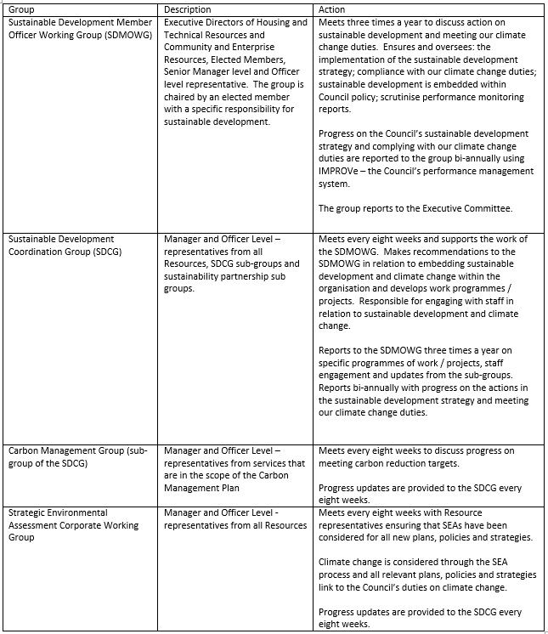

 | Strategy
2c | Does the organisation have specific climate change mitigation and adaptation objectives in its corporate plan or similar document?
 | Provide a brief summary of objectives if they exist.
 | Wording of objective | Name of document
 | Develop a sustainable Council and communities | Corporate Plan - 'Connect 2012 - 2017'
 | Note - This is a priority objective and outlines the action the Council will take to meet their statutory climate change duty (mitigation, adaptation and sustainability)

2d | Does the organisation have a climate change plan or strategy?
 | If yes, provide the name and/or link to any such document.
 | Sustainable Development Strategy and Carbon Management Plan update 2014
2e | Does the organisation have any plans or strategies covering the following areas that include climate change?
 | Provide the name of any such document and the timeframe covered.
 | Topic area | Name of document | Time period covered | Comments
 | Adaptation | Local Transport Strategy | 2013-2023 | LTS includes adaptation work through Flood Risk Management
 | Adaptation | Biodiversity Strategy | 2010-2015 | Updated strategy currently being developed
 | Business travel
 | Staff Travel | Employee Travel Plan | Published 2013 | Internal document
 | Energy efficiency | Local Housing Strategy | 2012-2017 | New energy strategy being developed
 | Fleet transport | Fuel Efficient Strategy | 2015-2018 | Internal document
 | ICT | ICT Strategy incl Green IT | 2014-2017 | Internal document
 | Renewable energy |  |  | New energy strategy being developed
 | Sustainable/renewable heat |  |  | New energy strategy being developed
 | Waste management |  |  | New waste strategy being developed
 | Water and sewerage |  |  | Water does not as yet fall within the scope of our carbon management
 | Land Use | Local Development Plan | 2014-2019
 | Procurement | Sustainable Procurement Policy | 2013-2016 | Internal document
2f | What are the organisation’s top 5 priorities for climate change governance, management and strategy for the year ahead?
 | Provide a brief summary of the organisation’s areas and activities of focus for the year ahead.
 | 1. Start preparations for the development of an updated sustainable development strategy (2017-2022) including a climate change communications strategy. 2. Continue the development of new strategies for energy management and waste management. 3. Update the biodiversity Strategy. 4. Ensure that all relevant plans, policies and strategies include climate change - this will be done through the SEA Corporate Working Group. 5. Meet with all Resource Management Teams to discuss climate change duties and the new statutory reporting requirements.
2g | Has the organisation used the Climate Change Assessment Tool (a) or equivalent tool to self-assess its capability / performance?
 | If yes, please provide details of the findings of the self-assessment.
 | The CCAT tool can be accessed at http://www.resourceefficientscotland.com/resource/resource-efficient-scotland-climate-change-assessment-tool-ccat
 | (a) This refers to the tool developed by Resource Efficient Scotland for the purposes of self-assessing an organisation’s capability / performance in relation to climate change.
 | A workshop was held at our sustainable development coordination group with the following findings: Governance = 61% Emissions = 53% Adaptation = 33% Behaviour = 45% Procurement = 31% An action plan has been developed following the CCAT workshop

 | Further information
2h | Supporting information and best practice
 | Provide any other relevant supporting information and any examples of best practice by the organisation in relation to governance, management and strategy.
 | The Council has a Corporate Working group for Strategic Environmental Assessments. All policies, plans and strategies are subject to the SEA process. Climate Change is a consideration of the SEA process and all relevant policies, plans and strategies now consider and link to our climate change duties.

3 | Corporate Emissions, Targets and Project Data
 | Emissions
3a | Corporate emissions from start of baseline year to end of report year
 | Complete the table below using the greenhouse gas emissions total for the organisation calculated on the same basis as for its annual carbon footprint / management reporting or, where applicable, its sustainability reporting. Include greenhouse gas emissions from the organisation’s estate and operations (a) (measured and reported in accordance with Scopes 1 & 2 and, to the extent applicable, selected Scope 3 of the Greenhouse Gas Protocol (b). If data is not available for any year from the start of the baseline year to the end of the report year, provide an explanation in the comments column.
 | (a) No information is required on the effect of the organisation on emissions which are not from its estate and operations.
 | (b) This is the Greenhouse Gas Protocol developed by the World Resources Institute and the World Business Council on Sustainable Development which sets the global standard for how to measure, manage and report greenhouse gas emissions.
 | Reference year | Year | Year type | Scope 1 | Scope 2 | Scope 3 | Total | Units | Comments
 | Baseline carbon footprint | 2005/06 | Financial (April to March) | 42,014 | 50,836 | 63,115 | 155,965 | tCO2e | Scope 1= buildings gas and oil and fleet. Scopre 2= buildings and street lighting electricity. Scope 3=waste, staff travel. Water is not inlcuded. Emission factors were set at baseline year and have not been updated for any subsequent year
 | Year 1 carbon footprint | 2006/07 | Financial (April to March) | 40,119 | 49,806 | 61,956 | 151,881 | tCO2e
 | Year 2 carbon footprint | 2007/08 | Financial (April to March) | 39,655 | 52,085 | 59,597 | 151,337 | tCO2e
...

