Required section
Public Sector Climate Change Duties Reporting Template (excel format) - (v3.3 14/07/15)
1 | Organisational Profile
1a | Name of the organisation
 | Provide the name of the organisation that is the subject of this report (“the organisation”).
 | Scottish Enterprise
1b | Type of organisation
 | Select from the options below
 | Executive NDPB
1c | Number of FTE staff in the organisation
 | 1189
1d | Alternative metrics used by the organisation
 | Specify any other metrics that the organisation uses to assess its performance in relation to climate change and sustainability.
 | Metric | Units | Value | Comments
 | Floor area | m2
 |  | #N/A
 |  | #N/A
 | Other (specify in comments)
1e | Overall budget of the organisation
 | Specify approximate £/annum for the report year.
 | £313,266,000.00
1f | Report year
 | Specify the report year e.g. 2015/2016.
 | 2014/15 (Financial year)
1g | Organisational context
 | Provide a summary of the organisation's nature and functions that are relevant to Climate Change reporting.
 | Scottish Enterprise (SE) is Scotland’s main Economic, Enterprise, Innovation and Investment agency, operating from 13 offices across lowland Scotland. Scotland Europa has a base in Brussels whilst Scottish Development International (SDI), a partnership between SE and Scottish Government, operate to attract inward investment and exports and operate from 29 overseas offices covering every inhabited continent. Whilst the emissions from these office locations are out with the boundary of our footprint, the staff travel to and from these offices is included. In addition, to support early stage companies and business growth, SE own and manage a mixed use investment property portfolio including offices, industrial premises and vacant land. In our climate change boundary we currently report emissions from our own offices and the full property portfolio; going forward this boundary will be revised and only vacant premises will be included because we cannot control energy use and other emissions by our tenants. This will require our baseline footprint to be recalculated and the boundary thoroughly documented and will be in place for the next reporting year. Glasgow Science Centre is a subsidiary of SE but has been excluded from our reporting boundaries under the operational control approach as it is operated separately as a registered charity.

2 | Governance, Management and Strategy
 | Governance and management
2a | How is climate change governed in the organisation?
 | The Executive Leadership Team are accountable to set and meet targets and approve reports on progress. Responsibility for delivery is devolved to Director, Facilities Management & Procurement (for SE's Operational Offices), and Director of Business Infrastructure (for the commercial property portfolio). The Climate Change team has responsibility for the management and engagement of sustainability for the organisation which includes climate change reporting and is led by the Director, Facilities Management & Procurement. The team consists of representatives from the Business Environmental and Security Team, Strategy and Sectors, the Business Infrastructure Team including Colliers International (external contracted property managers) who manage Scottish Enterprise's property portfolio. The team meet on a quarterly basis, to discuss progress against targets, projects and reporting requirements. All reports are discussed and approved by SE's Executive Leadership Team (ELT). Budgets are allocated to Facilities Management and Business Infrastructure to manage climate change, in line with normal budgetary processes.
 | 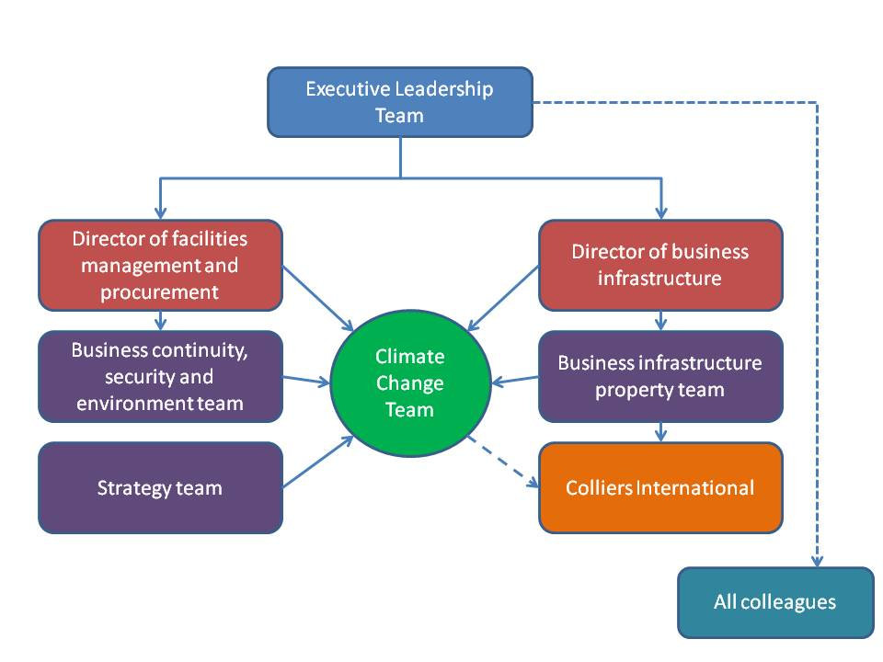
2b | How is climate change action managed and embedded in the organisation?
 | Emissions data is collected and collated by the Facilities Management (FM) Team and is input into the Carbon Footprint & Project Register Tool to calculate the carbon footprint. As far as possible, data is reviewed quarterly and a process to review the project register is currently being developed. At present, projects to reduce our carbon footprint are discussed by FM and the Business Infrastructure (BI) Team, and are also discussed at the quarterly climate change team meetings. Annual climate change reports are prepared by the FM team with input from BI. Staff training is offered through a Low carbon training module available on SE’s i-learn system, with approved climate change reports available to staff through our internal staff engagement process and via the SE Intranet. In addition, Climate Change reports and strategy documents are also made available to the wider public through SE.com. Various internal guidance documents, such as our heating policy, are also available to all staff. SE take part in promotional activities such as Earth Hour and Healthy Working Lives activities (food waste/exchange programme, driving) Project managers complete a carbon/climate change assessment as they develop new projects. SE has a Sustainable Procurement Policy aimed at including climate change considerations within contracts. as possible data is reviewed quarterly. Process to review the project register is currently being developed. Currently projects to reduce our carbon footprint are discussed by Facilities Management and Business Infrastructure Team, projects are also discussed at the quarterly climate change team meetings. Annual climate change reports are prepared by the Facilities Management team with input from Business Infrastructure. Staff training is offered through a Low carbon training module available on SE’s I-learn system, approved climate change reports are made available to staff through our internal staff engagement process and are available on the

 | Strategy
2c | Does the organisation have specific climate change mitigation and adaptation objectives in its corporate plan or similar document?
 | Provide a brief summary of objectives if they exist.
 | Wording of objective | Name of document
 | Promote green growth market opportunities through innovation, investment and internationalisation and support low carbon infrastructure and resource efficiency. | Business Plan 2015-18
 | Our environmental management and low carbon policy covers both our internal environmental management and our wider work supporting the development of the low carbon economy. | Environmental Management and Low Carbon Policy (this is currently under review)

2d | Does the organisation have a climate change plan or strategy?
 | If yes, provide the name and/or link to any such document.
 | Low Carbon Implementation Plan http://www.scottish-enterprise.com/knowledge-hub/articles/policy/low-carbon-implementation-plan-201314
2e | Does the organisation have any plans or strategies covering the following areas that include climate change?
 | Provide the name of any such document and the timeframe covered.
 | Topic area | Name of document | Time period covered | Comments
 | Adaptation | -
 | Business travel | Travel and Expense policy | 2014/15 - onwards
 | Staff Travel | -
 | Energy efficiency | Carbon Management Plan | 2015/16 - 2019/20 | Document in draft
 | Fleet transport | N/A |  | SE has no owned or lease fleet vehicles
 | ICT | Enterprise Information Services Strategy | ongoing | Provision of energy efficient hardware and software to SE.
 | Renewable energy
 | Sustainable/renewable heat | -
 | Waste management | Sustainable Procurement Policy | 2012/13 - onwards | Ensuring that contractors remove and dispose of waste responsibly
 | Water and sewerage | -
 | Land Use | N/A
 | Other
2f | What are the organisation’s top 5 priorities for climate change governance, management and strategy for the year ahead?
 | Provide a brief summary of the organisation’s areas and activities of focus for the year ahead.
 | Review the list of current Energy Performance Certificates of those premises within the Scottish Enterprise (SE) owned Investment Property Portfolio, and undertake those works deemed low value/high impact. Climate Change Assessment Tool workshop scheduled for early 2016. Revise and update our Carbon Management Plan to confirm new boundary and review targets for our longer term strategy. Embed the Environmental Management System for our operational offices, aligning SE to ISO 14001. Introduce a new Low Carbon Statement focusing on our engagement with external customers.
2g | Has the organisation used the Climate Change Assessment Tool (a) or equivalent tool to self-assess its capability / performance?
 | If yes, please provide details of the findings of the self-assessment.
 | The CCAT tool can be accessed at http://www.resourceefficientscotland.com/resource/resource-efficient-scotland-climate-change-assessment-tool-ccat
 | (a) This refers to the tool developed by Resource Efficient Scotland for the purposes of self-assessing an organisation’s capability / performance in relation to climate change.
 | A workshop is planned for relevant staff in early 2016 which will include property portfolio managing agent representatives.

 | Further information
2h | Supporting information and best practice
 | Provide any other relevant supporting information and any examples of best practice by the organisation in relation to governance, management and strategy.
 | Ensure that all buildings constructed or substantially refurbished, directly or through a supported project, will be to a minimum of Building Research Establishment’s Environmental Assessment Method (BREEAM) ‘excellent’ standard (or equivalent) wherever reasonably possible. Environmental issues are a key consideration when reviewing existing leases or entering into new leases for our operational offices. We sub-lease surplus office space to other agencies to reduce costs and our carbon emissions.

3 | Corporate Emissions, Targets and Project Data
 | Emissions
3a | Corporate emissions from start of baseline year to end of report year
 | Complete the table below using the greenhouse gas emissions total for the organisation calculated on the same basis as for its annual carbon footprint / management reporting or, where applicable, its sustainability reporting. Include greenhouse gas emissions from the organisation’s estate and operations (a) (measured and reported in accordance with Scopes 1 & 2 and, to the extent applicable, selected Scope 3 of the Greenhouse Gas Protocol (b). If data is not available for any year from the start of the baseline year to the end of the report year, provide an explanation in the comments column.
 | (a) No information is required on the effect of the organisation on emissions which are not from its estate and operations.
 | (b) This is the Greenhouse Gas Protocol developed by the World Resources Institute and the World Business Council on Sustainable Development which sets the global standard for how to measure, manage and report greenhouse gas emissions.
 | Reference year | Year | Year type | Scope 1 | Scope 2 | Scope 3 | Total | Units | Comments
 | Baseline carbon footprint | 2009/10 | Financial (April to March) | 2,253 | 4,657 | 1,825 | 8,735 | tCO2e | Based on SE offices and Business Infrastructure Property Portfolio used pre 2012 DEFRA conversion factors. Grid electricity all included under scope 2 excludes water.
 | Year 1 carbon footprint | 2010/11 | Financial (April to March) | 2,364 | 4,782 | 1,804 | 8,950 | tCO2e | As above
 | Year 2 carbon footprint | 2011/12 | Financial (April to March) | 2,066 | 4,375 | 1,904 | 8,345 | tCO2e | As above
 | Year 3 carbon footprint | 2012/13 | Financial (April to March) | 2,429 | 5,075 | 2,033 | 9,536 | tCO2e | As above
 | Year 4 carbon footprint | 2013/14 | Financial (April to March) | 1,788 | 6,010 | 2,001 | 9,800 | tCO2e | Grid electricity all included under scope 2
...

