Required section
Public Sector Report on Compliance with Climate Change Duties 2020 Template (excel format) - 2019-2020 Factors
PART 1 | Profile of Reporting Body
1a | Name of reporting body
 | Provide the name of the listed body (the "body") which prepared this report.
 | Scottish Enterprise
1b | Type of body
 | Select from the options below
 | Others
1c | Highest number of full-time equivalent staff in the body during the report year
 | 1167
1d | Metrics used by the body
 | Specify the metrics that the body uses to assess its performance in relation to climate change and sustainability.
 | Metric | Units | Value | Comments

 | Other (specify in comments)
1e | Overall budget of the body
 | Specify approximate £/annum for the report year.
 | Budget | Budget Comments
 | £270,719,718.00 | Figure quoted shows the income received from the Scottish Government for 2019/20, taken from SE’s Annual Report and Accounts as audited by Audit Scotland.
1f | Report year
 | Specify the report year.
 | Report year | Report year comments
 | 2019/20 (Financial year)

1g | Context
 | Provide a summary of the body's nature and functions that are relevant to climate change reporting.
 | Scottish Enterprise (SE) is Scotland's national economic development agency and a non-departmental public body of the Scottish Government (SG). We work with partners in the public and private sectors to identify and exploit the best opportunities to deliver a significant, lasting effect on the Scottish economy. As part of SE, Scottish Development International (SDI) operates as a partnership between SE, Highlands & Islands Enterprise, and the SG to attract inward investment and generate exports for Scotland. SE operates from 13 offices across Scotland, 12 of which are leased and one of which is owned by SE. Where we are the lease holder and have excess space we actively promote and lease space to other public bodies. Our Place team manages our property portfolio which includes, property support to SDI customers and account managed companies, managing SE’s property assets, disposals and acquisitions of property and land to match the various demands of the key sectors. Communal space and non-rented space contributes to SE's footprint but space that is leased out to businesses is excluded from the SE footprint as consumption of utilities is not under the control of SE. SDI operates from over 30 overseas offices worldwide. Energy emissions from these offices are out of scope of our carbon reporting, however travel emissions are captured within our reporting boundaries.
 | Our 2019 - 2022 Strategic Framework, Building Scotland's Future Today, sets out our ambitions for the future of Scotland's economy and how we will transform the way we work - including how we work with others - to achieve our ambitions. To ensure our Framework delivers effectively, we have worked closely with our agency partners to develop a shared understanding of the environment in which we operate and the outcomes we are pursuing. Our three year corporate strategy is guided by four ambitions: Ambition One: Build vibrant economic communities across Scotland, spreading increased wealth and wellbeing. Ambition Two: Build Scotland's reputation and reach in strategically important markets. Ambition Three: Build resilience and growth in Scotland's businesses, sectors and regions. Ambition Four: Build future economic opportunities that will drive our international advantage. Our 2019 -20 Operating Plan details our operational areas of focus under five key objectives that together will help deliver the longer term ambition in the three year corporate strategy: Objective One: attract, create and protect quality jobs and talent that will support wellbeing across Scotland. Objective Two: Drive research and innovation investment in business and sectors. Objective Three: Stimulate capital investment in local, regional and national economies. Objective Four: Give more businesses across Scotland the best change to fulfil their potential. Objective Five: Grow export value and the number of exporters. The Enterprise and Skills Strategic Board has tasked the enterprise and skills agencies with collectively helping Scotland move towards the top quartile of OECD countries for productivity, equality, wellbeing and sustainability. The Board's Strategic Plan includes four separate policy missions, which the agencies will work towards collaboratively. The Boards policy missions are: Future Skills Needs - Business Creation and Growth - Business Models and Workplace I
 | During 2015/16 we carried out a review of our carbon emissions boundaries and baseline which was set in 2009/10. The footprint in the baseline year of 2009/10 was calculated as 8,704 tCO2e and the carbon footprint in the final year using this baseline (2015/16) was 7,497 tCO2e. This equated to a reduction of 1,207 tCO2, which was a 13.9% reduction from our baseline year. Revising the reporting boundary by removing emissions from leased space in our Place Portfolio meant that the baseline year needed to be reset. The revised baseline year is 2015/16, with a footprint of 5,761 tCO2e, all future targets will be measured against this starting point. Progress towards our target of 42% reduction by 2019/20 has been steady with reductions reported each year. Our carbon footprint in 2019/20 was calculated as 1,998 tCO2e, therefore during the final year of our target we are very pleased to confirm that we have exceeded our target achieving an overall reduction of 65% (3,763 tCO2e). We are developing a new Climate Change Strategy that will take us towards our Net Zero Emissions target for 2045.

PART 2 | Governance, Management and Strategy
 | Governance and management
2a | How is climate change governed in the body?
 | Provide a summary of the roles performed by the body’s governance bodies and members in relation to climate change. If any of the body’s activities in relation to climate change sit outside its own governance arrangements (in relation to, for example, land use, adaptation, transport, business travel, waste, information and communication technology, procurement or behaviour change), identify these activities and the governance arrangements. Provide a diagram / chart to outline the governance structure within the body.
 | The Executive Leadership Team (ELT) are ultimately responsible for setting and meeting carbon reduction targets and receive regular reports on progress. Responsibility for delivery is devolved to the Head of Health, Safety and Environment (for Operational Offices) and Director of Place (for the Place Property Portfolio). The Head of Health, Safety and Environment is responsible for the management of Climate Change within SE. The Climate Change Group has responsibility for the management and engagement of sustainability and the reduction of carbon emissions for the organisation which includes climate change reporting. The team is led by the Head, of Health, Safety and Environment who reports to the ELT on issues relating to the environment and carbon reduction. The team consists of representatives from Facilities Management, Governance & Office Services, Strategy, Business Services and Advice and the Place Team including Colliers International (our contracted property managers for the Place Property Portfolio). The team meet on a quarterly basis, to discuss progress against targets, projects and reporting requirements. All emission figures are reviewed by our internal audit team and updates including an annual carbon emissions report are discussed by ELT. Budgets are allocated to People and Place to manage climate change, in line with normal budgetary processes. Our Environmental Management System is certified to ISO 14001 and our Public Bodies Climate Change Duties report is reviewed externally on an annual basis.
 | 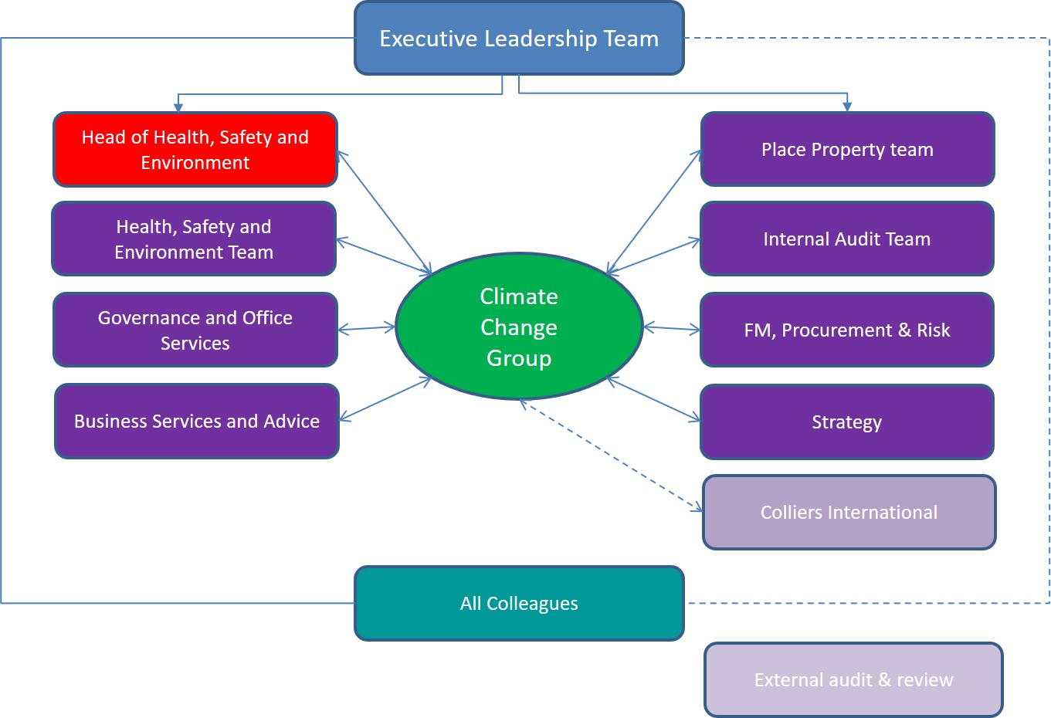
2b | How is climate change action managed and embedded in the body?
 | Provide a summary of how decision-making in relation to climate change action by the body is managed and how responsibility is allocated to the body’s senior staff, departmental heads etc. If any such decision-making sits outside the body’s own governance arrangements (in relation to, for example, land use, adaptation, transport, business travel, waste, information and communication technology, procurement or behaviour change), identify how this is managed and how responsibility is allocated outside the body. Provide a diagram to show how responsibility is allocated to the body’s senior staff, departmental heads etc.
 | As an organisation SE has appropriate management oversight to ensure that we always take appropriate action to reduce our carbon emissions. These include: SE’s Offices and Operational Emissions Carbon emissions occurring from our offices and operational activities are reviewed by the Climate Change Team who approve carbon reduction projects within budget limitations to reduce our office related emissions as detailed in the chart in 2a. Our Carbon emissions data is collated by the Health, Safety and Environment Team and is used to calculate the carbon footprint. All projects in relation to our operational offices in reducing our carbon footprint are discussed by the Climate Change Group at their quarterly meetings. SE’s Place Property Portfolio Our Place Property team review and approve commercial property projects. The Place Property Management Team use a project register which records infrastructure funded projects that are designed to improve energy efficiency across their portfolio. All property projects which contribute to reducing our carbon footprint are discussed at the quarterly Climate Change Team meetings. Carbon Management Reporting We provide an annual Public Bodies Climate Change Duties report to Scottish Government with input and assistance from the Climate Change Group and others within the business. In addition to the Public Bodies Climate Change Duties report, the Health, Safety and Environment Team produce an Annual Climate Change Report. This report covers all SE environmental activities including the place property portfolio. This report is reviewed by ELT and shared with all SE colleagues through our internal communication channels. ISO 14001 Environmental Management (EMS) Scottish Enterprise first achieved the ISO 14001:2015 standard in 2017, a recertification audit was carried out on our Environmental Management System in February 2020 where we widened the scope to include Place Properties, we continue to review our environmen
 | Embedding Climate Change within the business Climate Change reports, strategy documents and various internal guidance documents, such as our Travel Policy and heating guidance are available to all staff and are accessible on the SE Intranet. Staff are actively encouraged to report concerns and to bring forward ideas which will help in reducing our carbon emissions including feedback forms which are accessed from our intranet pages. As an organisation SE actively promotes carbon reduction among its staff and for this reporting year we have encouraged colleagues to take part in promotional activities such as Climate Change Week and Earth Hour. We carry out annual environmental and ISO 14001 audits of our offices engaging our staff where possible and we have environmental notice boards in our offices to help promote and further embed climate change within the organisation. Low Carbon Assessment A Carbon Assessment is completed as part of the project lifecycle and is a mandatory part of the approval process for all projects. The carbon assessment is one of the key documents which is considered at the appropriate delegated approval level (i.e. senior director, Executive Leadership Team or Board) before a project is approved. The assessment contains the following sections and questions: a. Strategic case: • Will the project contribute to a low carbon green growth market opportunity (including renewables)? • Will the project contribute to resource efficiency, productivity or circular economy? • Will the project contribute to SE's low carbon performance measures? b. Project delivery • Does the project involve the construction of buildings or infrastructure? • Does the project involve significant procurement of equipment or services? • Does the project involve holding events or significant travel and what is the long term impact on travel? • What is the wider impact of the project on the demand or supply of energy? • What is the impact of the project on the demand for
 | See section 2a for chart

 | Strategy
2c | Does the body have specific climate change mitigation and adaptation objectives in its corporate plan or similar document?
 | Provide a brief summary of objectives if they exist.
 | Wording of objective | Name of document |  |  | Document Link
 | Driving enterprise in low carbon innovation, recognising the huge benefits that could be realised from Scotland’s rich natural resources while contributing to the country’s world leading climate change targets and addressing the climate emergency. | Scottish Enterprise's Strategic Framework 2019-2022 |  |  | https://www.scottish-enterprise.com/media/3109/scottish-enterprise-building-scotlands-future-today.pdf

2d | Does the body have a climate change plan or strategy?
 | If yes, provide the name of any such document and details of where a copy of the document may be obtained or accessed.
 | Our Low Carbon and Sustainability Statement outlines the activities within the main markets which SE have identified within low carbon and sustainability. These include sustainable construction, industrial biotechnology, energy transition and water and waste water. We also have an Environmental Management and Low Carbon Policy and Environmental Management System and supporting carbon reduction targets to the end of 2020
2e | Does the body have any plans or strategies covering the following areas that include climate change?
 | Provide the name of any such document and the timeframe covered.
 | Topic area | Name of document | Link | Time period covered | Comments
 | Adaptation |  |  |  | This is planned to be included in our Carbon Reduction Strategy 2020-2030
 | Business travel | Travel and Expense Policy |  | 2019/20 | Internal document - reviewed annually
 | Staff Travel | Travel and Expense Policy |  | 2019/20 | Internal document - reviewed annually
 | Energy efficiency | Carbon Management Plan |  |  | This is planned to be included in our Carbon Reduction Strategy 2020-2030
 | Fleet transport | n/a | n/a | n/a | SE have no owned or lease fleet vehicles
 | ICT |  |  |  | This is planned to be included in our Carbon Reduction Strategy 2020-2030
 | Renewable energy |  |  |  | This is planned to be included in our Carbon Reduction Strategy 2020-2030
 | Sustainable/renewable heat |  |  |  | This is planned to be included in our Carbon Reduction Strategy 2020-2030
 | Waste management | SE Procurement Strategy | https://www.scottish-enterprise.com/media/2810/2019-20-se-procurement-strategy-final.pdf | 2019/20
 | Water and sewerage |  |  |  | This is planned to be included in our Carbon Reduction Strategy 2020-2030
 | Land Use |  |  |  | This is planned to be included in our Carbon Reduction Strategy 2020-2030
 | Other
2f | What are the body’s top 5 priorities for climate change governance, management and strategy for the year ahead?
 | Provide a brief summary of the body’s areas and activities of focus for the year ahead.
 | 1. We will introduce a new Climate Change Strategy for Scottish Enterprise's next interim target of 75% reduction in emissions by 2030. 2. We aim to introduce more sustainable stationery products as part of our core products. 3. We aim to introduce an online letter head template to reduce the requirement for pre-printed letterhead. 4. Review our local, national and international travel in line with the outcomes of Future Ways of Working. 5. Following the Covid19 pandemic we will review our work practices and introduce Future Ways of Working.
2g | Has the body used the Climate Change Assessment Tool (a) or equivalent tool to self-assess its capability / performance?
 | If yes, please provide details of the key findings and resultant action taken.
 | (a) This refers to the tool developed by Resource Efficient Scotland for self-assessing an organisation’s capability / performance in relation to climate change.
 | Our most recent Climate Change Assessment Tool workshop was held in January 2019. SE achieved an overall score of 75% (scoring 75% in Governance, 100% in Emissions, 64% in Adaptation, 50% in behaviours and 81% in Procurement), compared to our first year score of 47%. The report showed improvements in the Emissions, Adaptation and Procurement sections with the Governance and Behaviours sections remaining unchanged. Our CCAT self assessment evaluation is carried out following submission of the Public Bodies Climate Change Duties report.

 | Further information
2h | Supporting information and best practice
 | Provide any other relevant supporting information and any examples of best practice by the body in relation to governance, management and strategy.
 | 1. Through the Climate Change Group we continue to promote a culture of innovation and awareness across the organisation through generation of ideas and solutions and the delivery of continuous improvements. 2. Climate change governance and policy have continued to develop over the past year and we have made significant improvements which includes, a review of the Climate Change group membership to ensure greater representation and increased recognition and leadership across the business in reducing our environmental impact and our Carbon emissions. Our Executive Leadership Team plays a part in the development of our environmental credentials and reviews our reports. 3.We retained our ISO 14001 accreditation and have widened the scope to include shared space within our Place Property Portfolio. 4. We strive to ensure that all buildings in our Place Property Portfolio are constructed or substantially refurbished, directly or through a supported project and will be to a minimum of Building Research Establishment’s Environmental Assessment Method (BREEAM) ‘excellent’ standard (or equivalent) wherever reasonably possible. Environmental issues and the need for buildings to have a positive/improvable EPC rating are a key consideration when reviewing existing leases or entering into new leases for our operational offices.
...

