Required section
Public Sector Climate Change Duties Reporting Template (excel format) - (v3.3 14/07/15)
1 | Organisational Profile
1a | Name of the organisation
 | Provide the name of the organisation that is the subject of this report (“the organisation”).
 | SRUC
1b | Type of organisation
 | Select from the options below
 | Higher Education
1c | Number of FTE staff in the organisation
 | 1,078
1d | Alternative metrics used by the organisation
 | Specify any other metrics that the organisation uses to assess its performance in relation to climate change and sustainability.
 | Metric | Units | Value | Comments
 | Floor area | m2
 | Other (specify in comments)
1e | Overall budget of the organisation
 | Specify approximate £/annum for the report year.
 | £73,400,000
1f | Report year
 | Specify the report year e.g. 2015/2016.
 | 2014/15 (Financial year)
1g | Organisational context
 | Provide a summary of the organisation's nature and functions that are relevant to Climate Change reporting.
 | Scotland's Rural College delivers comprehensive skills, education and business support for Scotland’s land-based industries, founded on world class and sector-leading research, education and consultancy. We provide a network of research, education and consultancy services across Scotland and the north of England. We have six campuses at Aberdeen, Ayr, Broxburn, Cupar, Dumfries and Edinburgh. In addition, working from 25 consultancy offices and eight veterinary disease surveillance centres, more than 375 consultants, veterinarians, technicians and support staff offer advice and assistance on a wide range of issues. We also operate eight farms.

2 | Governance, Management and Strategy
 | Governance and management
2a | How is climate change governed in the organisation?
 | SRUC's Environment Organisational Structure is included below; this is taken from our Environment Management Framework document which describes the management structure, authorities and responsibilities in place to ensure that our impact on the environment is managed efficiently and effectively across all our activities, at all of our sites. This is a 25 page document and can be made available if required as it would be a onerous exercise to summarise this information succinctly.
 | 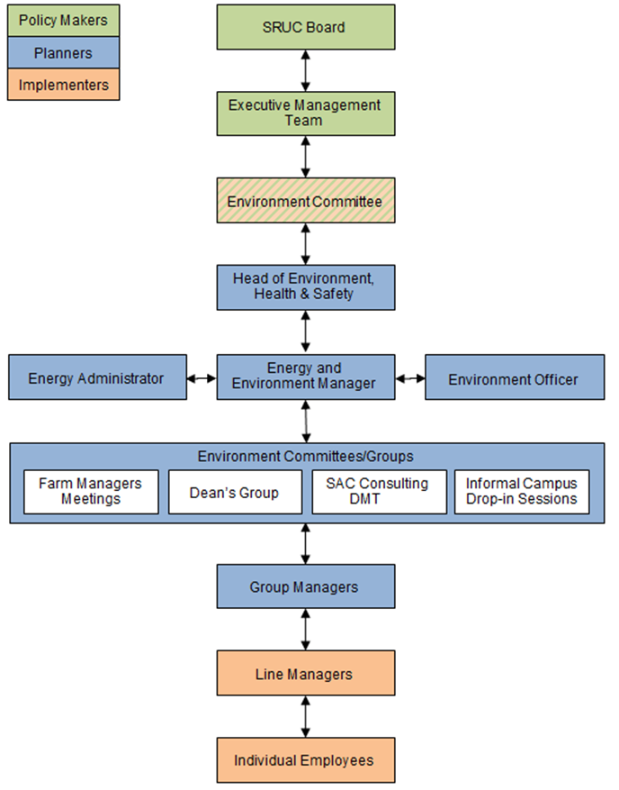
2b | How is climate change action managed and embedded in the organisation?
 | This is covered by the information provided for Question 2a.

 | Strategy
2c | Does the organisation have specific climate change mitigation and adaptation objectives in its corporate plan or similar document?
 | Provide a brief summary of objectives if they exist.
 | Wording of objective | Name of document
 | Embed the principals of Sustainable Development into the curriculum as recommended in the Scottish Government’s Action Plan for the Second Half of the UN Decade of Education for Sustainable Development: Learning for Change. | SRUC Environment Policy
 | Provide specific courses on a wide range of environmental topics and to promote research related to these as part of the SRUC’s central mission. | SRUC Environment Policy
 | Provide education, training and encouragement on environmental issues to SRUC staff and students so that they can pursue their work and studies in an environmentally responsible way. | SRUC Environment Policy
 | Inform staff and students about local and global environmental issues and to involve them in SRUC’s environmental initiatives. | SRUC Environment Policy
 | Promote interdisciplinary networks of environmental experts for collaboration on research and teaching projects on a local, national and international level. | SRUC Environment Policy
 | Integrate sustainability into management policies and practices at every level of the organisation. | SRUC Environment Policy
 | Identify and comply with all relevant legislation and other requirements – SRUC believes legal requirements define the minimum level of achievement. | SRUC Environment Policy
 | Reduce carbon emissions by 2017/18 in line with the SRUC Climate Change Action Plan. | SRUC Environment Policy
 | Reduce energy consumption by using energy more efficiently and by managing our estates and land appropriately. | SRUC Environment Policy
 | Use renewable energy technologies where appropriate. | SRUC Environment Policy
 | Monitor and reduce water consumption where possible. | SRUC Environment Policy
 | Reduce the volume of waste produced and to recycle as much as possible with SRUC-wide involvement and responsibility. | SRUC Environment Policy
 | Encourage the use of sustainable means of transport by staff, students and suppliers, and to review the operation of SRUC-owned/leased vehicles. | SRUC Environment Policy
 | Assess the environmental impact of all purchases as far as possible in terms of their raw materials, manufacture, distribution, use and disposal. | SRUC Environment Policy
 | Use sub-contractors who are in accord with this Environment Policy and to encourage our clients and suppliers to reduce their own environmental footprints. | SRUC Environment Policy
 | Protect natural habitats and wildlife and increase biodiversity across all our estates where practicable. | SRUC Environment Policy
 | Work with the local community and others to develop and pursue environmental initiatives and to provide environmental educational programmes. | SRUC Environment Policy
 | Be aware of and reduce where possible any harmful environmental impacts of University sites, buildings, and future developments or alterations. | SRUC Environment Policy
2d | Does the organisation have a climate change plan or strategy?
 | If yes, provide the name and/or link to any such document.
 | The SRUC Carbon Management Plan 2014/15 to 2019/20 (CMP) is currently being drafted. This will be going through both internal and external checking and verification at the end of this year before going to the Executive Management Team in January 2016, with final endorsement by the SRUC Board in March 2016. Our CMP is prepared as part of our obligations under the Universities and Colleges Climate Commitment for Scotland (UCCCfS) agreement. This coordinates the higher and further education sectors' response to the Scottish Government’s Climate Change (Scotland) Act.
2e | Does the organisation have any plans or strategies covering the following areas that include climate change?
 | Provide the name of any such document and the timeframe covered.
 | Topic area | Name of document | Time period covered | Comments
 | Adaptation | N/A | N/A | N/A
 | Business travel | SRUC Business Expenses Policy | N/A | The Business Expenses Policy states the following: 'When the use of public transport is not practicable, staff should use pool cars, where available, failing this then short term hire cars or private cars may be used.'
 |  | SRUC Business Travel Policy | N/A | In progress.
 |  | SRUC Travel Strategy Plan | N/A | In progress.
 |  | Staff Lease Car Scheme - Terms and Conditions | N/A | This document states the criteria for staff lease cars and maximum emissions of 119 g/kmCO2e is set.
 | Staff Travel | SRUC Travel Strategy Plan | N/A | In progress.
 | Energy efficiency | SRUC Carbon Management Plan | 2014/15 to 2019/20 | See answer to 2d.
 | Fleet transport | SRUC Business Expenses Policy | N/A | The Business Expenses Policy states the following: 'When the use of public transport is not practicable, staff should use pool cars, where available, failing this then short term hire cars or private cars may be used.'
 |  | SRUC Business Travel Policy | N/A | In progress.
 |  | SRUC Travel Strategy Plan | N/A | In progress.
 | ICT | SRUC Disposal of Hardware and Electronic Storage Media Policy | 2011 to present | This Policy deals with the appropriate disposal of SRUC's Information Systems hardware, software, recordable media and paper records.
 | Renewable energy | SRUC Carbon Management Plan | 2014/15 to 2019/20 | See answer to 2d.
 | Sustainable/renewable heat | SRUC Carbon Management Plan | 2014/15 to 2019/20 | See answer to 2d.
 |  | SRUC Heating Policy | N/A | This Policy provides details of heating provisions and standards to be expected for all SRUC buildings.
 | Waste management | SRUC Carbon Management Plan | 2014/15 to 2019/20 | See answer to 2d.
 | Water and sewerage | SRUC Carbon Management Plan | 2014/15 to 2019/20 | See answer to 2d.
 | Land Use
 | Other | SRUC Sustainable Estates Policy Statement | N/A | This Policy states that SRUC is committed to an estates strategy which rationalises all campuses, significantly reducing the footprint of SRUC’s estate. The Policy refers to energy, use of natural resources, waste, and contractor requirements.
...

