Required section
Public Sector Climate Change Duties Reporting Template (excel format) - (v3.3 14/07/15)
1 | Organisational Profile
1a | Name of the organisation
 | Provide the name of the organisation that is the subject of this report (“the organisation”).
 | Perth & Kinross Council
1b | Type of organisation
 | Select from the options below
 | Local Authority
1c | Number of FTE staff in the organisation
 | 2815
1d | Alternative metrics used by the organisation
 | Specify any other metrics that the organisation uses to assess its performance in relation to climate change and sustainability.
 | Metric | Units | Value | Comments
 |  |  |  | None
 |  |  |  | None
 |  |  |  | None
 | Other (specify in comments)
1e | Overall budget of the organisation
 | Specify approximate £/annum for the report year.
 | £331,012,000.00
1f | Report year
 | Specify the report year e.g. 2015/2016.
 | 2014/15 (Financial year)
1g | Organisational context
 | Provide a summary of the organisation's nature and functions that are relevant to Climate Change reporting.
 | Under the Climate Change (Scotland) Act 2009 the Council has a duty relating to climate change and, in exercising its functions must act: • in the way best calculated to the delivery of the Act’s emissions reduction targets; • in the way best calculated to deliver any statutory adaptation programmes; and • in a way that it considers most sustainable. The Council has a good record in climate change reporting, having previously produced 6 annual progress reports to COSLA (via SSN) in relation to the Scottish Climate Change Declaration.

2 | Governance, Management and Strategy
 | Governance and management
2a | How is climate change governed in the organisation?
 | Perth and Kinross Council became a signatory to Scotland’s Climate Change Declaration (SCCD) on 17th January 2007. Across Perth and Kinross climate change is viewed as an area wide issue and is addressed by the Community Planning process through the Community Safety and Environment Outcome Delivery Group (CSEO). The CSEO was established in January 2014 to take action on specific local outcomes and milestones outlined in the Perth and Kinross Community Plan/Single Outcome Agreement 2013-2023. This is done through the development and monitoring of the Community Safety and Environment Group Outcome Delivery Plan, on which progress is reported every six months to the Community Planning Partnership Board.

2b | How is climate change action managed and embedded in the organisation?
 | The Council’s Corporate Management Group (Directors and Heads of Service) adopted the role of corporate sustainable development champion in 2008, with climate change being addressed as part of sustainable development. Currently, the Head of Planning and Development is the designated lead officer for corporate sustainable development and climate change within the Council. Co-ordination of the Council's commitments under the Scottish Climate Change Declaration (SCCD) is part of the remit of the Sustainability, Policy and Research Team based in Planning and Development. The Council's Energy Management Team also has a key role and substantial involvement in the process, with both teams having previous joint responsibility for the Carbon Management Plan (which expired in 2012). Corporate Sustainable Development Framework - developed to ensure the Council considers, integrates and balances specified sustainable development principles throughout its organisational operation, service delivery and decision-making. Three of the framework’s 30 Principles for Sustainable Development (SDP) relate specifically to climate change: • Efficient use of resources now and in the future in the built environment and service provision (e.g. energy efficiency, land, water resources, flood defence, waste minimisation etc.) • Mitigation and adaptation to manage the impact of climate change & reduce the production
 | 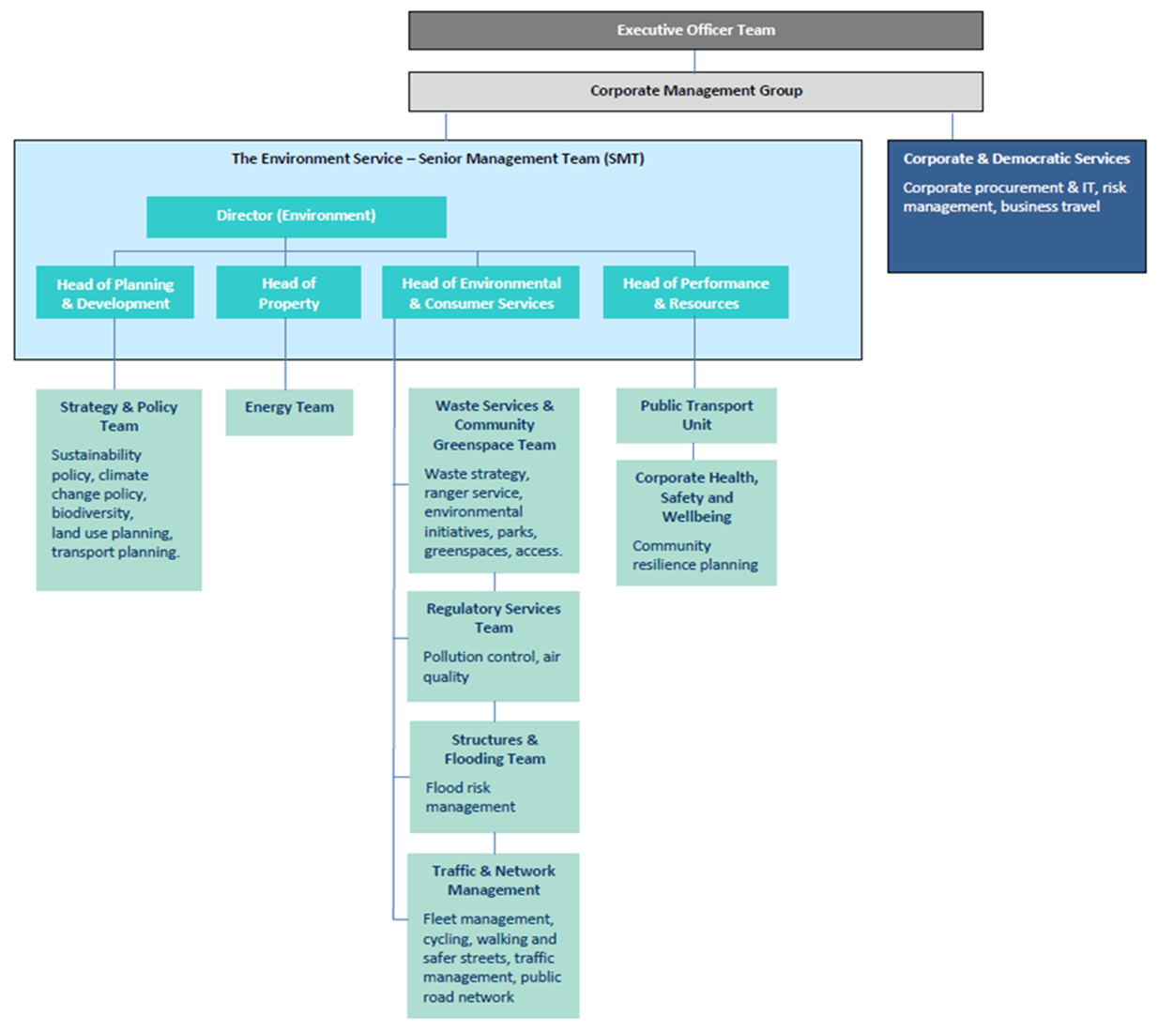

 | Strategy
2c | Does the organisation have specific climate change mitigation and adaptation objectives in its corporate plan or similar document?
 | Provide a brief summary of objectives if they exist.
 | Wording of objective | Name of document
 | Protect and enhance the natural and built environment through planning frameworks that support sustainable development and design | Perth & Kinross Council Corporate Plan 2013 - 2018, Local Outcome: Attractive Welcoming Environment, page 22

 | Decrease the carbon footprint within Perth and Kinross by reducing the carbon emissions from our organisation and in the community
 | Manage municipal waste and increase recycling and composting rates | Perth & Kinross Corporate Plan 2013-2018
 | Reduce fuel poverty amongst social and private sector households by maximising income and through measures to reduce energy consumption | Perth & Kinross Council Corporate Plan 2013 - 2018, Local Outcome: Longer, Healthier lives for all, page 19
 | Introduction of a range of home energy efficiency initiatives including ‘Green Deal’ in Perth and Kinross | Perth and Kinross Community Plan/Single Outcome Agreement 2013-2023, Local Outcome: Attractive, Welcoming Environment, page 35
 | Enhanced and protected natural and built environment through planning frameworks that support sustainable development and design
 | Reduced carbon footprint within Perth and Kinross by reducing the carbon emissions and working with communities to maximise their uptake of energy reduction initiatives | Perth and Kinross Community Plan/Single Outcome Agreement 2013-2023
2d | Does the organisation have a climate change plan or strategy?
 | If yes, provide the name and/or link to any such document.
 | No
2e | Does the organisation have any plans or strategies covering the following areas that include climate change?
 | Provide the name of any such document and the timeframe covered.
 | Topic area | Name of document | Time period covered | Comments
 | Adaptation | Perth and Kinross Local Development Plan | 2014-2024 | Policy PM1A. Development must contribute positively, to the quality of the surrounding built and natural environment. All development should be planned and designed with reference to climate change, mitigation and adaptation.
 | Business travel | TACTRAN Regional Transport Strategy | 2008-2023 | Issue Env 1. Need to contributeto reducing climate change/global warming (marked as very important).
 | Staff Travel | TACTRAN Regional Transport Strategy | 2008-2023 | Issue Env 1. Need to contributeto reducing climate change/global warming (marked as very important).
 | Energy efficiency | Perth and Kinross Local Housing Strategy | 2011-2016 | The strategy has a remit to improve housing design and energy efficiency and in doing so making a contribution to reducing energy consumption and ‘green house’ gas emissions.
 | Fleet transport
 | ICT | Perth & Kinross Council ICT Strategy |  | “Our aim is to reduce the overall Carbon impact of ICT operations.”Objective: • Measurable steps are made in meeting the challenge of improved energy efficiency.
 | Renewable energy | Perth and Kinross Local Development Plan | 2014-2024 | Policy ER1. Supports proposals for the utilisation, distribution and development of renewables and low carbon sources of energy
 | Sustainable/renewable heat | Perth and Kinross Local Development Plan | 2014-2024 | Supports potential provision of district heating systems and CHP
 | Waste management | Perth & Kinross Waste Management Plan | 2010-2025
 | Water and sewerage
 | Land Use | TAYplan - Strategic Development Plan | 2012-2016 | Specific policies include: Policy 2- Shaping better quality places; Policy 3-Managing TAYplan's Assets; Policy 4-Strategic Development Areas; Policy 6-Energy and Waste/Resource Management Infrastructure
 |  | Perth and Kinross Local Development Plan | 2014-2024 | Specific policies include: PM1A-Placemaking; EP1-Climate Change, Carbon Reduction and Sustainable Construction; EP2-New Development and Flooding
 | Other | Tayside Biodiversity Partnership Action Plan | 2002-2015. Currently under review. | Addresses the impacts of climate change on biodiversity, and the role of ecosystems in adapting to climate change
2f | What are the organisation’s top 5 priorities for climate change governance, management and strategy for the year ahead?
 | Provide a brief summary of the organisation’s areas and activities of focus for the year ahead.
 | • Develop renewable energy supplementary planning guidance for Perth and Kinross. • Develop zero waste supplementary planning guidance. • A review of the carbon management plan • Produce a strategy to assess the risks and opportunities for the Council and our communities of predicted climate change scenarios and impacts • Set up processes to incorporate statutory guidance for compliance with duties under the Procurement Reform (Scotland) Act 2014, to assess climate change risks and opportunities for contract or framework development.
2g | Has the organisation used the Climate Change Assessment Tool (a) or equivalent tool to self-assess its capability / performance?
 | If yes, please provide details of the findings of the self-assessment.
 | The CCAT tool can be accessed at http://www.resourceefficientscotland.com/resource/resource-efficient-scotland-climate-change-assessment-tool-ccat
 | (a) This refers to the tool developed by Resource Efficient Scotland for the purposes of self-assessing an organisation’s capability / performance in relation to climate change.
 | CCAT traffic light assessment rates all sections as amber for progress, with an overall score of 39%.

 | Further information
2h | Supporting information and best practice
 | Provide any other relevant supporting information and any examples of best practice by the organisation in relation to governance, management and strategy.

3 | Corporate Emissions, Targets and Project Data
 | Emissions
3a | Corporate emissions from start of baseline year to end of report year
 | Complete the table below using the greenhouse gas emissions total for the organisation calculated on the same basis as for its annual carbon footprint / management reporting or, where applicable, its sustainability reporting. Include greenhouse gas emissions from the organisation’s estate and operations (a) (measured and reported in accordance with Scopes 1 & 2 and, to the extent applicable, selected Scope 3 of the Greenhouse Gas Protocol (b). If data is not available for any year from the start of the baseline year to the end of the report year, provide an explanation in the comments column.
...

