Required section
Orkney Islands Council Scottish Climate Change Declaration Report 2014-15
1 | Organisational Profile
1a | Name of the organisation
 | Provide the name of the organisation that is the subject of this report (“the organisation”).
 | Orkney Islands Council
1b | Type of organisation
 | Select from the options below
 | Local Authority
1c | Number of FTE staff in the organisation
 | Total FTE at 31 March 2015 was 1729.1.
1d | Alternative metrics used by the organisation
 | Specify any other metrics that the organisation uses to assess its performance in relation to climate change and sustainability.
 | Metric | Units | Value | Comments
 |  | #N/A
 |  | #N/A
 |  | #N/A
 | Other (specify in comments)
1e | Overall budget of the organisation
 | Specify approximate £/annum for the report year.
 | £113,553,000.00
1f | Report year
 | Specify the report year e.g. 2015/2016.
 | 2014/15 (Financial year)
1g | Organisational context
 | Provide a summary of the organisation's nature and functions that are relevant to Climate Change reporting.
 | Orkney Islands Council provides the range of public services that are statutorily required of Scotland's local authorities. In addition the Council operates an internal ferry service which connects the smaller North and non-linked South Isles with the Orkney mainland; it also supports a daily scheduled air service between the mainland and six of the North Isles. Municipal waste is shipped to Shetland for incineration where it helps power the Lerwick district heating scheme.

2 | Governance, Management and Strategy
 | Governance and management
2a | How is climate change governed in the organisation?
 | The following diagram illustrates the service structure of Orkney Islands Council:
 | 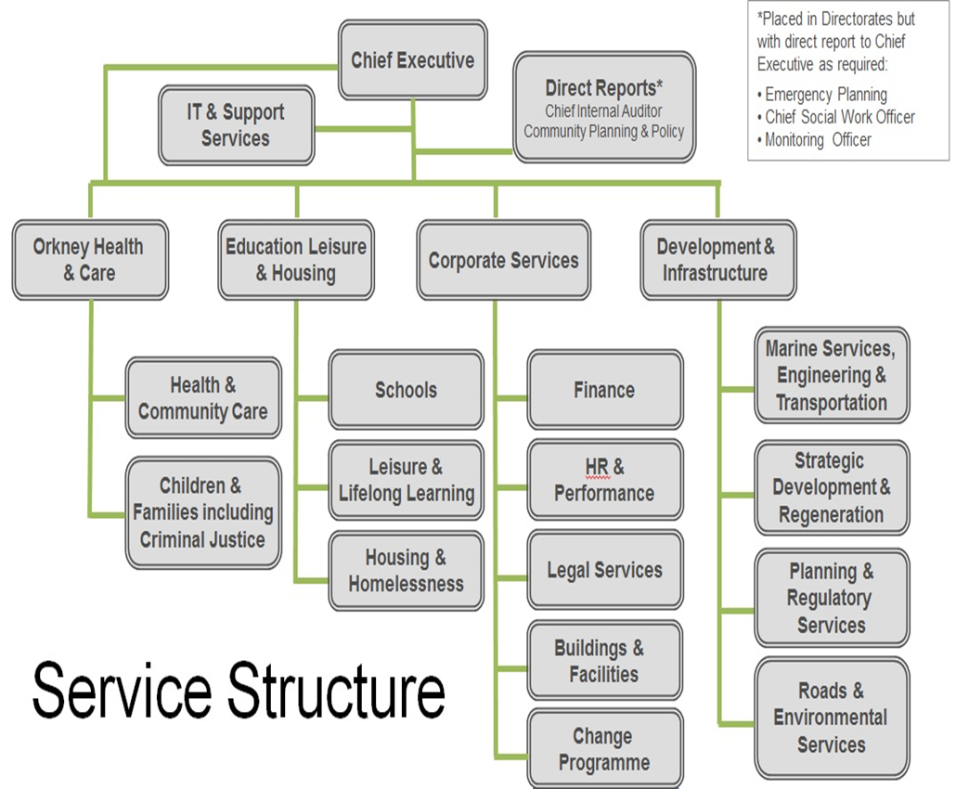 <Insert Diagram Here>
2b | How is climate change action managed and embedded in the organisation?
 | Orkney has some of the best wind, wave and tidal resources in Europe, and in the summer it has long daylight hours. As a result there are over 500 plus domestic scale micro generators (wind and solar), a combination of both community and private investment, and significant research and development that includes world’s first grid connected wave and tidal energy test centre. Orkney has embraced renewable electricity production and use to the extent that in 2014 it produced 104% of its electricity needs. This equates to about 145 Gigawatt hours (GWh) per annum to meet a 140 GWh per annum demand. Were Orkney to have a strong electrical connection to Scotland, this would enable further renewable energy to be generated and exported; however, despite many years of negotiation and highlighting of the opportunity to build Orkney's capability to contribute to the national objectives through increased green production, which has not been supported through investment in Grid Network, Orkney has a weak connection, with the result that existing renewable energy generators are being curtailed, and Scottish and Southern Energy (SSE) has had to restrict new Grid connections since September 2012. Conversely Orkney has the 2nd worst fuel poverty in Scotland with 58% of Households in Fuel Poverty. Many of the national solutions for energy efficiency do not suit Orkney’s weather conditions and, as noted in the Scottish Government’s prospectus “Empowering Scotland’s Island’s Communities”, both energy production and fuel poverty are identified as issues requiring island proofing. Orkney Islands Council’s Corporate Plan, Orkney Islands Council 2013-2018 Our Plan identifies Working together for a better Orkney as its mission statement and sets out seven local priorities for action. These include objectives to mitigate the risk from coastal flooding and erosion, as well as support further renewable energy development. Both the Council’s Corporate Asset Management Plan 2013-2018 and its F
 | <Insert Diagram Here>

 | Strategy
2c | Does the organisation have specific climate change mitigation and adaptation objectives in its corporate plan or similar document?
 | Provide a brief summary of objectives if they exist.
 | Wording of objective | Name of document
 | Under priority 2 Promote successful, thriving communities, the Plan aims to mitigate the risk from flooding and coastal erosion and includes an objective to address the need for improvements which will protect areas that are currently at high risk of flooding, e.g. parts of Kirkwall and St Margaret’s Hope. In addition there is a commitment to finalise technical studies and develop solutions for overtopping on the Churchill Barriers, including the possibility of incorporating energy capture within the design. | Orkney Islands Council 2013-2018 Our Plan
 | Priority 4 Working towards a “Low Carbon Orkney” identifies the actions which the elected members consider as priorities in order to support further renewable energy development both within the county and in the surrounding marine environment. However, with Orkney’s grid infrastructure at capacity, the National Grid is effectively closed to any new renewable energy projects greater than 3.7 kW in the county. | Orkney Islands Council 2013-2018 Our Plan

2d | Does the organisation have a climate change plan or strategy?
 | If yes, provide the name and/or link to any such document.
 | No.
2e | Does the organisation have any plans or strategies covering the following areas that include climate change?
 | Provide the name of any such document and the timeframe covered.
 | Topic area | Name of document | Time period covered | Comments
 | Adaptation | Flood Risk Management Plan | 2016-2022 | Flood Risk Management Strategies, led by SEPA, are to be published in December 2015. These cover 14 Local Plan Districts (LPD) in Scotland, of which Orkney is a single LPD. Arising from these strategies will be the publication of the Local Flood Risk Management Plan in June 2016, led by Orkney Islands Council as a statutory duty of the Flood Risk Management (Scotland) Act 2009. The LFRMP will identify actions, with a programme of implementation and funding, to meet the objectives set within the LPD strategies.
 | Business travel | Carbon Management Plan (draft) | 2016-2026
 | Staff Travel | Carbon Management Plan (draft) | 2016-2026
 | Energy efficiency | Carbon Management Plan
 | Fleet transport | Carbon Management Plan
 | ICT
 | Renewable energy | A Sustainable Energy Strategy for Orkney | 2009 0nward | This strategy is currently being reviewed and the updated version is likely to be completed during 2015/15.
 |  | Orkney's Electric Future | 2011 onward | During 2014/15 the Council was awarded grant funding from Transport Scotland's Scottish Green Bus Fund and the Future Transport Fund Low Carbon Vehicle (LCV) Allocation to enable the purchase of a fully electric low floored bus for the airport route.
 |  | Electric Vehicle Infrastructure Strategy | 2014 onward | The Strategy aims to set out the overarching plan for electric vehicle charging infrastructure and provides targets for its roll-out across the county. The Strategy outlines key 'hub' areas for electric vehicle charge points. Distribution of charge points has been split into three main phases, subject to external grant funding. Phase 1 is to provide reasonable base coverage in key hub locations; Phase 2 is to extend to other key locations across Orkney and Phase 3 is to encourage adoption of electric vehicles.
 | Sustainable/renewable heat
 | Waste management | Alternate Weekly Collection | 2012 onward | The AWC service has made it easier for people to recycle materials, taking them out of the waste stream. It is important also to note that recycled glass is used locally, thus avoiding the emissions associated with its transport either to Shetland for incineration or to the Scottish mainland for processing.
 | Water and sewerage
 | Land Use | Local Development Plan | 2014-2017 | The LDP recognises that sustainable flood risk management involves taking an overall approach to avoid flood risk where possible, as well as managing and reducing the risk where this is not possible. The Council has undertaken a Strategic Flood Risk Assessment ( SFRA) to identify areas which may be at risk of flooding, and to inform the location of future development. LDP Policy D1 Flooding and Coastal Erosion and the associated Supplementary Guidance are informed by the SFRA. Policy N6 Protection of Soil Resources acknowledges the importance of peatland in the management of water resources, as well as its role as a carbon sink, and requires new developments to avoid the unnecessary disturbance of peat and carbon-rich soils.
 | Other
2f | What are the organisation’s top 5 priorities for climate change governance, management and strategy for the year ahead?
 | Provide a brief summary of the organisation’s areas and activities of focus for the year ahead.
 | Climate change governance arrangements will be improved in Orkney Islands Council by updating its Sustainable Energy Strategy and preparing an associated Framework Action Plan. It is also recommended that the Carbon Management Plan should eventually be merged into a Sustainable Energy Action Plan (SEAP) which, in turn would be used to report annually the Council’s Scottish Climate Change obligations in terms of the Climate Change (Scotland) Act 2009.
2g | Has the organisation used the Climate Change Assessment Tool (a) or equivalent tool to self-assess its capability / performance?
 | If yes, please provide details of the findings of the self-assessment.
 | The CCAT tool can be accessed at http://www.resourceefficientscotland.com/resource/resource-efficient-scotland-climate-change-assessment-tool-ccat
 | (a) This refers to the tool developed by Resource Efficient Scotland for the purposes of self-assessing an organisation’s capability / performance in relation to climate change.
 | No.

 | Further information
2h | Supporting information and best practice
 | Provide any other relevant supporting information and any examples of best practice by the organisation in relation to governance, management and strategy.

3 | Corporate Emissions, Targets and Project Data
 | Emissions
3a | Corporate emissions from start of baseline year to end of report year
 | Complete the table below using the greenhouse gas emissions total for the organisation calculated on the same basis as for its annual carbon footprint / management reporting or, where applicable, its sustainability reporting. Include greenhouse gas emissions from the organisation’s estate and operations (a) (measured and reported in accordance with Scopes 1 & 2 and, to the extent applicable, selected Scope 3 of the Greenhouse Gas Protocol (b). If data is not available for any year from the start of the baseline year to the end of the report year, provide an explanation in the comments column.
...

