Required section
Public Sector Climate Change Duties Reporting Template (excel format) - (v3.3 14/07/15)
1 | Organisational Profile
1a | Name of the organisation
 | Provide the name of the organisation that is the subject of this report (“the organisation”).
 | North Ayrshire Council
1b | Type of organisation
 | Select from the options below
 | Local Authority
1c | Number of FTE staff in the organisation
 | 5,629
1d | Alternative metrics used by the organisation
 | Specify any other metrics that the organisation uses to assess its performance in relation to climate change and sustainability.
 | Metric | Units | Value | Comments
 |  | #N/A
 |  | #N/A
 |  | #N/A
 | Other (specify in comments)
1e | Overall budget of the organisation
 | Specify approximate £/annum for the report year.
 | £324,781,000
1f | Report year
 | Specify the report year e.g. 2015/2016.
 | 2014/15 (Financial year)
1g | Organisational context
 | Provide a summary of the organisation's nature and functions that are relevant to Climate Change reporting.
 | North Ayrshire Council is home to 136,000 people, covering an area of 340 square miles and includes the islands of Arran, Great Cumbrae and Little Cumbrae. The Council is responsible for 13,200 social houses and 526 non-domestic properties, including schools, community centres, libraries offices and depots. It is this estate which is reported on within this template.

2 | Governance, Management and Strategy
 | Governance and management
2a | How is climate change governed in the organisation?
 | North Ayrshire Council takes action on climate change very seriously. The Council Plan (2012-17) states that all aspects of sustainability will be reflected in its decision making “Ensuring that the environment is enhanced and protected and that we have environmental monitoring systems in place is vital to our future. We will consider the future implications of our decisions to ensure that North Ayrshire Council continues to be an attractive place to live and work. Taking this long-term outlook means identifying risks and opportunities early so we can take the necessary steps to improve the sustainability of North Ayrshire for future generations”. To achieve these objectives, outcomes are contained within relevant Service Plans. Regular reports on progress against the Service Plan are submitted to the Council’s Cabinet and Scrutiny Committees to monitor progress. The Place Directorate within the Council is the corporate 'lead' for sustainability. There is an elected member portfolio holder for Place, and aligned to this is the Physical Environment Advisory Panel which has wider democratic representation. There is also an elected member representative on the COSLA Regeneration & Sustainable Development Executive Group, which has climate change as a core remit. The diagram below shows North Ayrshire Council's governance structure.
 | 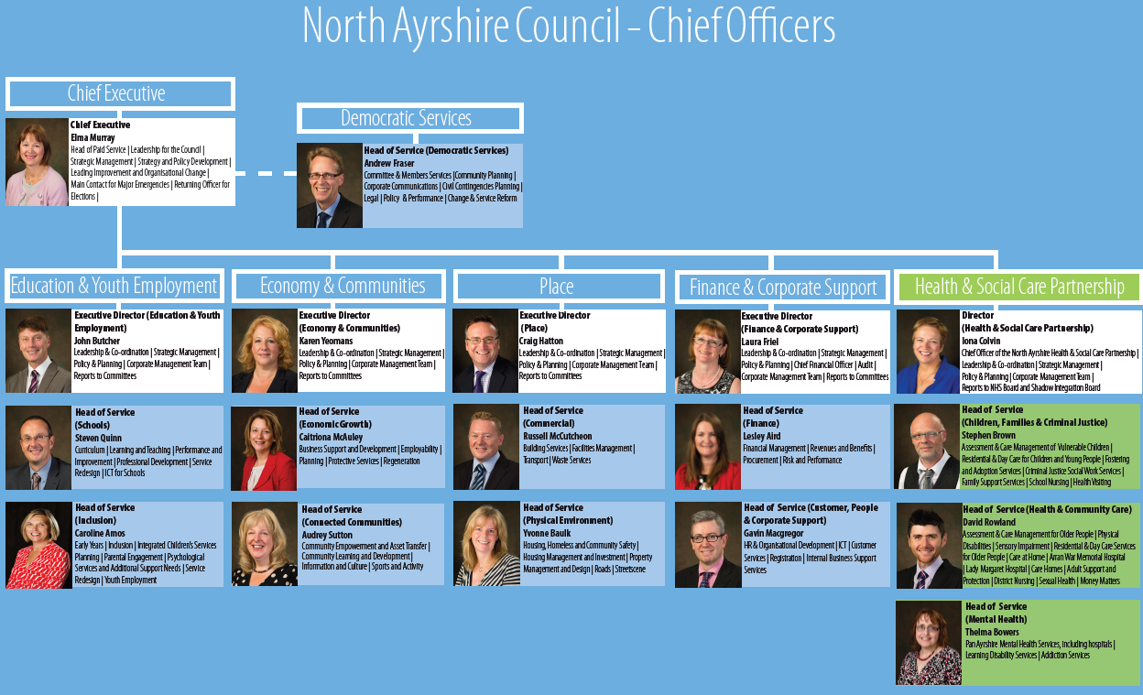
2b | How is climate change action managed and embedded in the organisation?
 | In July 2014 the Council approved a new Environmental Sustainability & Climate Change Strategy 2014-17, responding to the current sustainability and climate change agenda. The strategy identifies a number of priorities for action across five separate work streams: (1) Affordable Warmth; (2) A Green Economy; (3) Transport & Travel; (4) Natural and Built Environment; and (5) Sustainable Operations. An Action Plan for delivery forms part of the strategy which requires leadership from different Services from across the Council. Progress on implementation of the Action Plan is co-ordinated and monitored by the Energy & Sustainability Service within the Place Directorate. The diagram below shows how climate change action is managed centrally through the Place Directorate.
 | 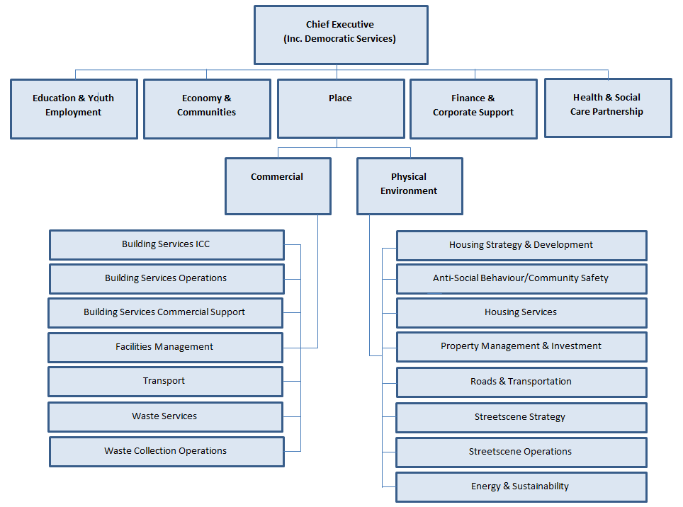

 | Strategy
2c | Does the organisation have specific climate change mitigation and adaptation objectives in its corporate plan or similar document?
 | Provide a brief summary of objectives if they exist.
 | Wording of objective | Name of document
 | Deliver the Environmental Sustainability & Climate Change Strategy 2014-2017 | North Ayrshire Council 'Place' Directorate Plan 2015-2018

 | Deliver the Renewable Energy Management Strategy | North Ayrshire Council 'Place' Directorate Plan 2015-2018

 | Develop a delivery plan to increase the Energy Efficiency Standard for Social Housing (EESSH) | North Ayrshire Council 'Place' Directorate Plan 2015-2018

 | Implement low energy efficiency street lighting across North Ayrshire | North Ayrshire Council 'Place' Directorate Plan 2015-2018

 | Continue implementation of the Waste Strategy 2012-2016 and develop an appropriate Waste Strategy for 2016-2021 | North Ayrshire Council 'Place' Directorate Plan 2015-2018

2d | Does the organisation have a climate change plan or strategy?
 | If yes, provide the name and/or link to any such document.
 | Yes - North Ayrshire Council's Environmental Sustainability and Climate Change Strategy (2014-17). This is supported by the Place Directorate Plan 2015-18.
2e | Does the organisation have any plans or strategies covering the following areas that include climate change?
 | Provide the name of any such document and the timeframe covered.
 | Topic area | Name of document | Time period covered | Comments
 | Adaptation | Environmental Sustainability & Climate Change Strategy | 2014-2017
 | Business travel | Environmental Sustainability & Climate Change Strategy | 2014-2017
 | Staff Travel | NAC DRAFT Local Transport Strategy.pdf | 2015-2020
 | Energy efficiency | Environmental Sustainability & Climate Change Strategy | 2014-2017
 | Fleet transport | Environmental Sustainability & Climate Change Strategy | 2014-2017
 | ICT | NAC ICT Strategy.pdf | 2011-2016
 | Renewable energy | Renewable Energy Strategy | 2015-onwards
 | Sustainable/renewable heat | Renewable Energy Strategy | 2015-onwards
 | Waste management | NAC Waste Management Strategy.pdf | 2012-2016
 | Water and sewerage | Environmental Sustainability & Climate Change Strategy | 2014-2017
 | Land Use | NAC Local Development Plan.pdf | 2014-2025
 | Housing | NAC Local Housing Strategy.pdf | 2011-2016
 | Procurement | Corporate Procurement Strategy.pdf | 2012-onwards
2f | What are the organisation’s top 5 priorities for climate change governance, management and strategy for the year ahead?
 | Provide a brief summary of the organisation’s areas and activities of focus for the year ahead.
 | The Council has five priorities contained within its Environmental Sustainability & Climate Change Strategy. 1. We maximise the access to clean, affordable renewable energy for everyone in North Ayrshire. We will develop a business case for a pilot district heating scheme by identifying feasible opportunities as part of the Council's Renewables Strategy. 2. Our business base has a well-developed local supply chain, a low carbon footprint and contains more companies operating within green industry. We will engage with renewable energy businesses and further education institutions to understand skills gaps and enable courses, training schemes and apprenticeships to be developed to respond to those gaps. We will achieve this through collaboration between Economic Growth Services and Ayrshire College through the Ayrshire economic Partnership. 3. We shift more and more journeys from the private car to sustainable forms of travel such as walking and cycling, and that we make electric vehicles a more attractive option where car journeys are essential. We will develop an action plan for walking and cycling by working in partnership with North Ayrshire Outdoor Access Forum, SUSTRANS, Scottish Cycling, and Cycling Scotland.

2g | Has the organisation used the Climate Change Assessment Tool (a) or equivalent tool to self-assess its capability / performance?
 | If yes, please provide details of the findings of the self-assessment.
 | The CCAT tool can be accessed at http://www.resourceefficientscotland.com/resource/resource-efficient-scotland-climate-change-assessment-tool-ccat
 | (a) This refers to the tool developed by Resource Efficient Scotland for the purposes of self-assessing an organisation’s capability / performance in relation to climate change.
 | NAC has taken part in CCAT training and in recognising the strengths and benefits of it, is keen to implement the tool within the organisation. Plans are in place to form a Sustainability Board during financial year 2015/16, whose remit will be to identify, encourage and support sustainable behaviours and practices throughout North Ayrshire. The Senior Manager for Energy & Sustainability will chair the Board, and it is the manager's intention to use the CCA tool during the initial meetings. The board will complete the tool annually in order to identify areas of improvement and measure progress.

 | Further information
2h | Supporting information and best practice
 | Provide any other relevant supporting information and any examples of best practice by the organisation in relation to governance, management and strategy.
 | NAC has had success in the Carbon Management and Strategic Implementation Plan (2004-2015), exceeding the target set against our baseline year. Our first Environmental Sustainability and Climate Change Strategy (2014-17) has been published, and a Renewable Energy Strategy (2015) identifies potential opportunities for the area. At the time of publication of this initial Climate Change Reporting template, NAC is undergoing a review of our carbon, climate change and sustainability strategies, in order to centralise monitoring and reporting requirements. This will also help to embed sustainability and climate change action across all Council directorates. In addition, the Council has become a signatory to the Covenant of Mayors, a collection of local authorities across Europe, who agree to exceed the 20% reduction target for CO2 emissions within the authority by 2020.It is our aim that by the first mandatory reporting year, we will have robust mechanisms in place to portray our road map to a more sustainable North Ayrshire by 2020.
...
3 | Corporate Emissions, Targets and Project Data
 | Year 7 carbon footprint | 0 | Financial (April to March) |  | -
 | Year 8 carbon footprint | 0 | Financial (April to March) |  | -
 | Year 9 carbon footprint | 0 | Financial (April to March) |  | -
 | Year 10 carbon footprint | 0 | Financial (April to March) |  | -
 | Year 11 carbon footprint | 0 | Financial (April to March) |  | -
 | Year 12 carbon footprint | 0 | Financial (April to March) |  | -
 | Year 13 carbon footprint | 0 | Financial (April to March) |  | -
 | Year 14 carbon footprint | 0 | Financial (April to March) |  | -
 | Year 15 carbon footprint | 0 | Financial (April to March) |  | -

 | 


