Required section
Public Sector Climate Change Duties Reporting Template (excel format) - (v3.3 14/07/15)
1 | Organisational Profile
1a | Name of the organisation
 | Provide the name of the organisation that is the subject of this report (“the organisation”).
 | NHS Highland
1b | Type of organisation
 | Select from the options below
 | NHS Boards
1c | Number of FTE staff in the organisation
 | 12,000
1d | Alternative metrics used by the organisation
 | Specify any other metrics that the organisation uses to assess its performance in relation to climate change and sustainability.
 | Metric | Units | Value | Comments
 |  | #N/A
 |  | #N/A
 |  | #N/A
 | Other (specify in comments)
1e | Overall budget of the organisation
 | Specify approximate £/annum for the report year.
 | £735,000,000.00
1f | Report year
 | Specify the report year e.g. 2015/2016.
 | 2014/15 (Financial year)
1g | Organisational context
 | Provide a summary of the organisation's nature and functions that are relevant to Climate Change reporting.
 | NHS Highland (NHSH) is one of the fourteen NHSScotland territorial Boards. Geographically, it is the largest Health Board, covering an area of 32,500 km², serving a population of 350,000 people. With 49% of Northern Highland, and 52% of Argyll and Bute’s population living in ‘rural’ areas respectively, making it one of the largest and most sparsely populated Health Boards in the UK. There is one district general hospital in the area, Raigmore Hospital, and three rural general hospitals, Caithness General Hospital, Belford Hospital and Lorn and Isles Hospital. NHSH has undergone health and social care integration and is currently the only Board that has care homes.

2 | Governance, Management and Strategy
 | Governance and management
2a | How is climate change governed in the organisation?
 | The Carbon Management and Sustainabilty Group (CMSG) is chaired by a non-executive director. This group reports directly to the Senior Management Team, and the Senior Management Team reports to the Board. A number of sub-groups will report to the CMSG including the Waste Management Group, the Travel Group, the Energy Group and Business Continuity. NHSH are currently in the process of establishing an Energy Group which will also report to the CMSG.
 | 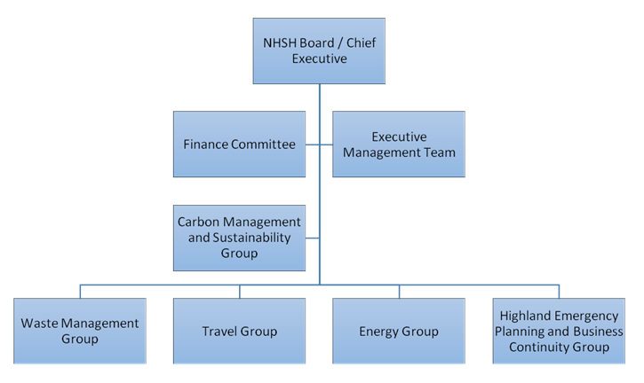 <Insert Diagram Here>
2b | How is climate change action managed and embedded in the organisation?
 | The Carbon Management and Sustainability Group (CMSG) meets quarterly to drive and monitor progress on actions contained within the Sustainable Development Action Plan (SDAP). The key areas of action include the six topic areas of the Good Corporate Citizen Assessment Model (GCCAM), adaptation to climate change, climate change mitigation, sustainable procurement, biodiversity and the outdoor estate, environmental management systems (Corporate GREENCODE) and waste.
 | 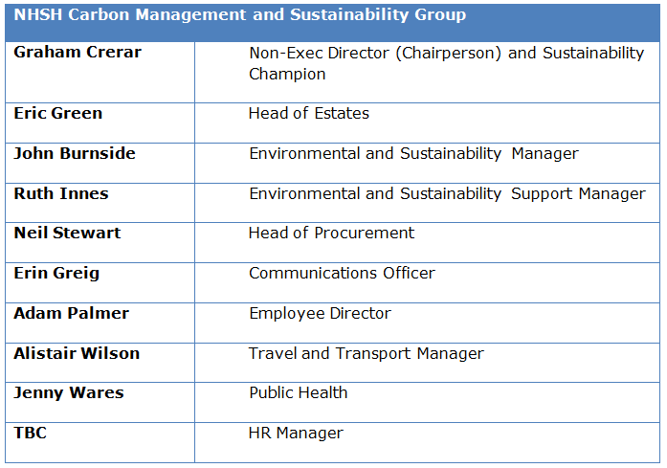 <Insert Diagram Here>

 | Strategy
2c | Does the organisation have specific climate change mitigation and adaptation objectives in its corporate plan or similar document?
 | Provide a brief summary of objectives if they exist.
 | Wording of objective | Name of document
 | “Communication is a standing item for the Carbon and Sustainability Management Board and is included within the agreed activities set out within the Carbon Management Plan.” | NHSH Local Delivery Plan
 | “Master Plan for Building review to reduce foot print across NHS Highland and ensure that resources are maximised.” | NHSH 10 Year Operational Implementation Plan
 | “NHS Highland will develop a step-by-step approach covering both climate change mitigation (helping to reduce future emissions which could potentially slow future climate change) and climate change adaptation (helping to ensure that we are prepared for the impacts of a changing climate). With regards to adaptation, it will first look to understand the risks and then identify appropriate actions to address these risks.” | NHS Highland Property and Asset Management Strategy
 | “To mitigate against the anticipated impacts of climate change it is essential that NHSH is proactive in working with local authorities and the voluntary sector in producing Climate Change Risk Assessments (CCRA) to cover all possible risk scenarios and to determine and quantify the risks from climate change facing NHSH in delivering health care services.” | NHS Highland Property and Asset Management Strategy
 | “NHSH is committed to reducing its energy consumption and in turn the amount of Greenhouse Gases it releases. NHSH’s new targeting regime will align with the National Scottish Government targets.” | NHS Highland Property and Asset Management Strategy
 | “NHS Highland is steadily reducing the emission levels of the fleet. This is being led by the initiatives previously described to reduce mileage at work. However, central to this reduction are reducing travel, reducing the acceptable emissions level, careful vehicle selection and the introduction of stop/start technology and telematics to monitor driver performance.” | NHS Highland Property and Asset Management Strategy
 | “Note targets for energy have need revised and set out in PAMS above.” “Currently, no NHS-wide specific targets exist with respect to transport.” “We will continue to explore opportunities to reduce water use across our estate.” “NHS Highland recognises the importance and value in collating waste information in order to better inform future waste management strategy within the organisation and reduce costs and cut carbon emissions.” | NHSH Carbon Management Plan 2012-2016
 | Summarises key Environmental Performance Improvement delivery areas. | Sustainability and Environmental Report 2015
 | Aims to “promote discussion of, and action on, what and how we need to change to adapt sustainably to climate change”. | Annual Report of the Director of Public Health NHS Highland 2014
2d | Does the organisation have a climate change plan or strategy?
 | If yes, provide the name and/or link to any such document.
 | Carbon Management Plan 2012-2016 (will be revised and new targets set in 2016/17); Adaptation Action Plan will be prepared in 2016 (a climate risk assessment is underway)
2e | Does the organisation have any plans or strategies covering the following areas that include climate change?
 | Provide the name of any such document and the timeframe covered.
 | Topic area | Name of document | Time period covered | Comments
 | Adaptation | Climate Change Risk Assessment / Planning and Asset Management Strategy | 2016/17 | Adaptation Action Plan will be prepared in 2016
 | Business travel | Carbon Management Plan / Sustainable Development Action Plan | 2012-2016; 2015/16
 | Staff Travel | Carbon Management Plan / Sustainable Development Action Plan | 2012-2016; 2015/16
 | Energy efficiency | Carbon Management Plan / Sustainable Development Action Plan | 2012-2016; 2015/16
 | Fleet transport | NHSH Travel Plan | 2012/2016
 | ICT |  |  | Not to date but this is a requirement of the SCAAP for NHSScotland
 | Renewable energy | Carbon Management Plan / Sustainable Development Action Plan | 2012-2016; 2015/16
 | Sustainable/renewable heat | Carbon Management Plan / Sustainable Development Action Plan | 2012-2016; 2015/16
 | Waste management | National Waste Management Action Plan | 2014/15
 | Water and sewerage | Active Water Management Plan in conjunction with AWB | TBC
 | Land Use | Planning and Asset Management Strategy (PAMS) | 2015/16 | A Biodiversity Action Plan will be prepared in 2016
 | Other
2f | What are the organisation’s top 5 priorities for climate change governance, management and strategy for the year ahead?
 | Provide a brief summary of the organisation’s areas and activities of focus for the year ahead.
 | • Use of the Good Corporate Citizen Assessment Model (GCCAM) and Climate Change Assessment Tool (CCAT) to foster cross-organisational engagement and assessment. • Regular sustainability performance reviews by managers and the Board. • Regular staff training on general and specific sustainability procedures. • Identifying tragets for all senior management with regards to sustainability •Develop in conjunction with HFS and the national sustainability steering group corporate greencode as an NHS environmental management system. • NHSH also plans to develop a local Communication Strategy that involves a range of activities that support national and local initiatives including Sustainability Week and Earth Hour. Information about this will be circulated to staff via, the intranet and the newsletter.
2g | Has the organisation used the Climate Change Assessment Tool (a) or equivalent tool to self-assess its capability / performance?
 | If yes, please provide details of the findings of the self-assessment.
 | The CCAT tool can be accessed at http://www.resourceefficientscotland.com/resource/resource-efficient-scotland-climate-change-assessment-tool-ccat
 | (a) This refers to the tool developed by Resource Efficient Scotland for the purposes of self-assessing an organisation’s capability / performance in relation to climate change.
 | Governance – 29% Emissions – 45% Adaptation – 11% Behaviour – 25% Procurement – 25%

 | Further information
2h | Supporting information and best practice
 | Provide any other relevant supporting information and any examples of best practice by the organisation in relation to governance, management and strategy.
 | Actions from the CCAT test have been included with NHSH's Sustainable Development Action Plan 2015 where appropriate

3 | Corporate Emissions, Targets and Project Data
 | Emissions
3a | Corporate emissions from start of baseline year to end of report year
 | Complete the table below using the greenhouse gas emissions total for the organisation calculated on the same basis as for its annual carbon footprint / management reporting or, where applicable, its sustainability reporting. Include greenhouse gas emissions from the organisation’s estate and operations (a) (measured and reported in accordance with Scopes 1 & 2 and, to the extent applicable, selected Scope 3 of the Greenhouse Gas Protocol (b). If data is not available for any year from the start of the baseline year to the end of the report year, provide an explanation in the comments column.
...

