Required section
Public Sector Climate Change Duties Reporting Template (excel format) - (v3.3 14/07/15)
1 | Organisational Profile
1a | Name of the organisation
 | Provide the name of the organisation that is the subject of this report (“the organisation”).
 | NHS Forth Valley
1b | Type of organisation
 | Select from the options below
 | NHS Boards
1c | Number of FTE staff in the organisation
 | 5324
1d | Alternative metrics used by the organisation
 | Specify any other metrics that the organisation uses to assess its performance in relation to climate change and sustainability.
 | Metric | Units | Value | Comments
 | Floor area | m2 | 192000.00
 |  | #N/A
 |  | #N/A
 | Other (specify in comments)
1e | Overall budget of the organisation
 | Specify approximate £/annum for the report year.
 | £500,000,000.00
1f | Report year
 | Specify the report year e.g. 2015/2016.
 | 2014/15 (Financial year)
1g | Organisational context
 | Provide a summary of the organisation's nature and functions that are relevant to Climate Change reporting.
 | NHS Forth Valley is one of 14 NHS Boards (excluding special Boards) in Scotland and provides a range of community based and acute hospital services for more than 300,000 people living in the Forth Valley area. In total NHS Forth Valley employs around 7000 staff from a wide range of professional and support occupations in our acute hospital, four community hospitals and 56 health centres, totalling 192,000m2 in floor area.

2 | Governance, Management and Strategy
 | Governance and management
2a | How is climate change governed in the organisation?
 | NHS Forth Valley recognises that to deliver the plan effectively, appropriate governance, management, monitoring, and communication structures must be in place. The Governance structure which will be implemented to oversee and deliver these processes is highlighted in the figure below. The Energy & Sustainability Manager co-ordinates all climate change and sustainability issues and reports via Head of Estates to the Director of Estates & Facilities. Any specific climate change / sustainability decisions and resources which are identified by either of the two working groups which will be established, will be raised by the Director of Estates & Facilities at the Performance & Resources Committee, which is chaired by the Chief Executive.
 | 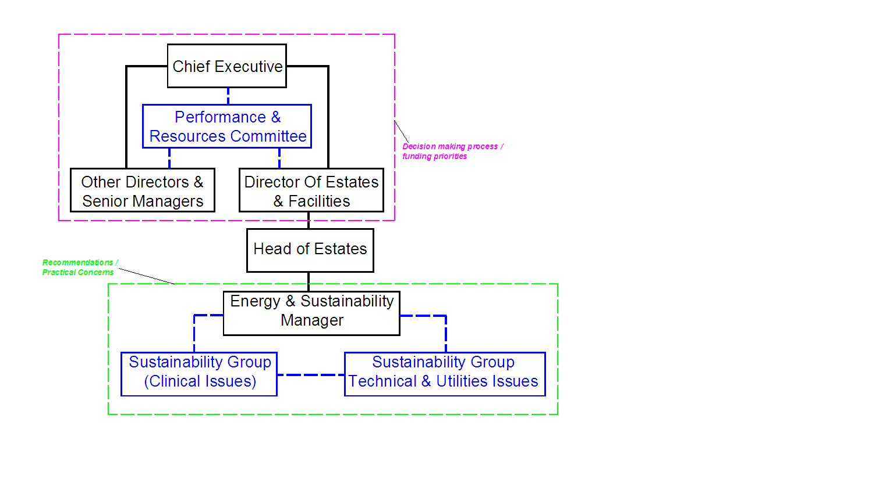 <Insert Diagram Here>
2b | How is climate change action managed and embedded in the organisation?
 | NHS Forth Valley has an Energy and Sustainability Manager who is new in post, who reports directly to the Head of Estates. The Energy and Sustainability Manager will provide professional support to NHS Forth Valley to identify, plan, develop, and implement strategies, policies and guidance to improve NHS Forth Valley's performance on national and NHS objectives for Sustainable Development, Environmental Management and Climate Change. The Energy and Sustainability Manager will manage and administer NHS Forth Valley's Sustainability Policy and will develop a Carbon Management Plan to evaluate areas of improvement and setting targets and objectives to deliver Board energy and Green House Gas (GHG) emissions reductions targets. The two Sustainability Groups (Clinical and Technical / Utilities Issues) will contribute to minimising corporate risks through the management of work, planning and legislation, to achieve the corporate objectives by efficient monitoring, reporting and control of all energy and environmental targets. The Energy and Sustainability Manager is responsible for the formulation and development of sustainability and environmental policies, protocols and procedures to ensure NHS Forth Valley is compliant with all relevant legislation, codes of practice and healthcare guidance on property / estates related matters including reviewing and monitoring changes to technical legislation and standards. The Energy and Sustainability Manager is also the lead in the development of corporate and organisational strategies, providing leadership and expert technical and managerial advice to NHS Forth Valley to support the achievement of NHSScotland and Scottish Government goals for the delivery of sustainable development, climate change and environmental management objectives.
 | <Insert Diagram Here>

 | Strategy
2c | Does the organisation have specific climate change mitigation and adaptation objectives in its corporate plan or similar document?
 | Provide a brief summary of objectives if they exist.
 | Wording of objective | Name of document
 | Compile evidence of how Climate Change is already affecting organisation | Sustainable Development Action Plan (SDAP) 2014 - 2015
 | Identify and prioritise climate change impacts posing greatest threat to organisation. | Sustainable Development Action Plan (SDAP) 2014 - 2015
 | Adopt best practice for adaptation or mitigation measures. | Sustainable Development Action Plan (SDAP) 2014 - 2015

2d | Does the organisation have a climate change plan or strategy?
 | If yes, provide the name and/or link to any such document.
 | Climate Change adaptation and mitigation are covered by NHS Forth Valley's Sustainable Development Action Plan (SDAP) 2014-2015
2e | Does the organisation have any plans or strategies covering the following areas that include climate change?
 | Provide the name of any such document and the timeframe covered.
 | Topic area | Name of document | Time period covered | Comments
 | Adaptation | Sustainable Development Action Plan (SDAP) 2014 - 2015 | 2015/16
 | Business travel | Sustainable Development Action Plan (SDAP) 2014 - 2015 | 2015/16
 | Staff Travel | Sustainable Development Action Plan (SDAP) 2014 - 2015 | 2015/16
 | Energy efficiency | Sustainable Development Action Plan (SDAP) 2014 - 2015 | 2015/16
 | Fleet transport | Property & Asset Management Strategy (PAMS) and Sustainable Development Action Plan (SDAP) 2014 - 2015 | 2015/16
 | ICT | Property & Asset Management Strategy (PAMS) | 2015/16
 | Renewable energy | None | -
 | Sustainable/renewable heat | None | -
 | Waste management | Sustainable Development Action Plan (SDAP) 2014 - 2015 | 2015/16
 | Water and sewerage | Sustainable Development Action Plan (SDAP) 2014 - 2015 | 2015/16
 | Land Use | Property & Asset Management Strategy | 2015/16
 | Other | None | -
2f | What are the organisation’s top 5 priorities for climate change governance, management and strategy for the year ahead?
 | Provide a brief summary of the organisation’s areas and activities of focus for the year ahead.
 | The Sustainable Development Action Plan 2014 - 2015 and the Property & Asset Management Strategy (PAMS) provide objectives and targets and detail the ongoing priorities for NHS Forth Valley.
2g | Has the organisation used the Climate Change Assessment Tool (a) or equivalent tool to self-assess its capability / performance?
 | If yes, please provide details of the findings of the self-assessment.
 | The CCAT tool can be accessed at http://www.resourceefficientscotland.com/resource/resource-efficient-scotland-climate-change-assessment-tool-ccat
 | (a) This refers to the tool developed by Resource Efficient Scotland for the purposes of self-assessing an organisation’s capability / performance in relation to climate change.
 | No - NHS Forth Valley has not used the CCAT tool as yet. We are awaiting guidance from Health Facilities Scotland as to the most appropriate route which Boards should take to address this issue.

 | Further information
2h | Supporting information and best practice
 | Provide any other relevant supporting information and any examples of best practice by the organisation in relation to governance, management and strategy.
 | None at present

3 | Corporate Emissions, Targets and Project Data
 | Emissions
3a | Corporate emissions from start of baseline year to end of report year
 | Complete the table below using the greenhouse gas emissions total for the organisation calculated on the same basis as for its annual carbon footprint / management reporting or, where applicable, its sustainability reporting. Include greenhouse gas emissions from the organisation’s estate and operations (a) (measured and reported in accordance with Scopes 1 & 2 and, to the extent applicable, selected Scope 3 of the Greenhouse Gas Protocol (b). If data is not available for any year from the start of the baseline year to the end of the report year, provide an explanation in the comments column.
 | (a) No information is required on the effect of the organisation on emissions which are not from its estate and operations.
 | (b) This is the Greenhouse Gas Protocol developed by the World Resources Institute and the World Business Council on Sustainable Development which sets the global standard for how to measure, manage and report greenhouse gas emissions.
 | Reference year | Year | Year type | Scope 1 | Scope 2 | Scope 3 | Total | Units | Comments
 | Baseline carbon footprint | 2014/15 | Financial (April to March) | 9,939 | 13,573 | 1,680 | 25,192 | tCO2e
 | Year 1 carbon footprint | 2015/16 | Financial (April to March) |  |  |  | - | tCO2e
 | Year 2 carbon footprint | 2016/17 | Financial (April to March) |  |  |  | - | tCO2e
 | Year 3 carbon footprint | 2017/18 | Financial (April to March) |  |  |  | - | tCO2e
 | Year 4 carbon footprint | 2018/19 | Financial (April to March) |  |  |  | - | tCO2e
 | Year 5 carbon footprint | 2019/20 | Financial (April to March) |  |  |  | - | tCO2e
 | Year 6 carbon footprint | 0 | Financial (April to March) |  |  |  | - | tCO2e
 | Year 7 carbon footprint | 0 | Financial (April to March) |  |  |  | - | tCO2e
 | Year 8 carbon footprint | 0 | Financial (April to March) |  |  |  | - | tCO2e
 | Year 9 carbon footprint | 0 | Financial (April to March) |  |  |  | - | tCO2e
 | Year 10 carbon footprint | 0 | Financial (April to March) |  |  |  | - | tCO2e
 | Year 11 carbon footprint | 0 | Financial (April to March) |  |  |  | - | tCO2e
 | Year 12 carbon footprint | 0 | Financial (April to March) |  |  |  | - | tCO2e
 | Year 13 carbon footprint | 0 | Financial (April to March) |  |  |  | - | tCO2e
 | Year 14 carbon footprint | 0 | Financial (April to March) |  |  |  | - | tCO2e
...

