Required section
Public Sector Climate Change Duties Reporting Template (excel format) - (v3.3 14/07/15)
1 | Organisational Profile
1a | Name of the organisation
 | Provide the name of the organisation that is the subject of this report (“the organisation”).
 | Midlothian Council
1b | Type of organisation
 | Select from the options below
 | Local Authority
1c | Number of FTE staff in the organisation
 | 3350.87
1d | Alternative metrics used by the organisation
 | Specify any other metrics that the organisation uses to assess its performance in relation to climate change and sustainability.
 | Metric | Units | Value | Comments
 |  | N/A | N/A
 |  | N/A | N/A
 |  | N/A | N/A
 | Other (specify in comments) | N/A | N/A
1e | Overall budget of the organisation
 | Specify approximate £/annum for the report year.
 | £194,686,101.00
1f | Report year
 | Specify the report year e.g. 2015/2016.
 | 2014/15 (Financial year)
1g | Organisational context
 | Provide a summary of the organisation's nature and functions that are relevant to Climate Change reporting.
 | Approximately 230 Council premises are within the scope of this report. Further information relating to Midlothian Council is available at www.midlothian.gov.uk/info/695/about_us

2 | Governance, Management and Strategy
 | Governance and management
2a | How is climate change governed in the organisation?
 | The cross-divsional Climate Change & Sustainable Development Group of officers reports to the Corporate Management Team and Cabinet in turn. Political leadership and responsibility for climate change lies with the Cabinet. The diagram below shows the organisational governance structure and reporting lines, including the relationship with the community planning structure.
 | 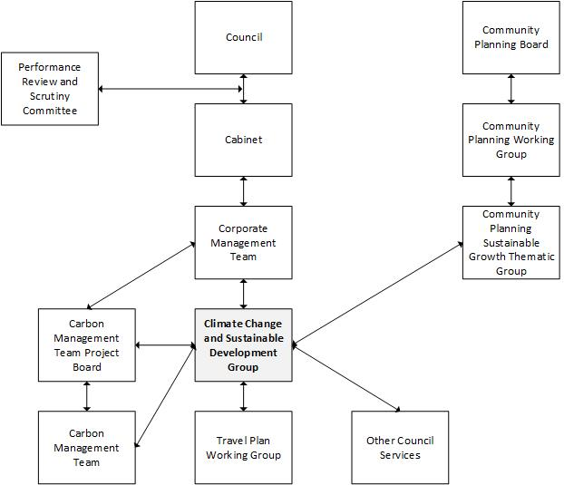
2b | How is climate change action managed and embedded in the organisation?
 | The cross-divisional Climate Change & Sustainable Development Group of officers drives the Council's approach to contributing to the achievement of sustainable development, including in relation to climate change. The group is chaired by the Communities & Economy service's Planning Manager, a service within the Education, Communities & Econonomy division. A Senior Planning Policy Officer within the Planning team is lead officer for the group and Council lead officer for climate change in general. An Energy Officer within the Resources division's Property & Facility Management service is lead officer for the Carbon Management Plan (CMP) and the Carbon Management Team (CMT). The cross-divisional CMT reports to the Carbon Management Project Board, comprising all Directors and the Head of Property & Facilities Management. A Travel Plan Officer within the Resources division's Commercial Operations service is lead officer for the Council's operational Travel Plan and the Travel Plan Working Group. The diagram in '2a' above shows the organistational governance structure and reporting lines.
 | N/A

 | Strategy
2c | Does the organisation have specific climate change mitigation and adaptation objectives in its corporate plan or similar document?
 | Provide a brief summary of objectives if they exist.
 | Wording of objective | Name of document
 | "Greenhouse gas emissions for which Midlothian is responsible are reduced ... Outcome Indicator: Per capita CO2 emissions in the local authority area ... Outcome Target: 2020 - 4.5 tonnes per capita". | Single Midlothian Plan 2014-15, p.53/68
 | "Midlothian's resilience to climate change impacts is improved ... Outcome Indicator: Level of adaptation as specified in former UK National Indicator 188 ... Outcome Target: Levels 0 (Getting started), 1 (Public commitment and impacts assessment) and 2 (Comprehensive risk assessment) - 2014/15; Level 3 (Comprehensive action plan) - 2015/16; Level 4 (Implementation, monitoring and continuous review) - 2016/17" | Single Midlothian Plan 2014-15, p.56/68
 | "Midlothian Council's overall target for carbon reduction is 25% by the end of financial year 2015/16 (based on a baseline year of 2006/7). This equates to a reduction of around 8,800 tonnes CO2e" | Midlothian Council Carbon Managment Plan 2014/15
 | "Greenhouse gas emissions for which Midlothian is responsible are reduced ... Outcome Indicator: Per capita CO2 emissions in the local authority area ... Outcome Target: 2020 - 4.5 tonnes per capita." | Single Midlothian Plan 2015-16, p.52/64
 | "Midlothian's resilience to climate change impacts is improved ... Outcome Indicator: Level of adaptation as specified in former UK National Indicator 188 ... Outcome Target: Levels 0 (Getting started), 1 (Public commitment and impacts assessment) and 2 (Comprehensive risk assessment) - 2014/15; Level 3 (Comprehensive action plan) - 2015/16; Level 4 (Implementation, monitoring and continuous review) - 2016/17" | Single Midlothian Plan 2015-16, p.53/64
 | "Objective 1. To continue to better understand the impacts of, and risks from, a changing climate; Objective 2. To develop a 'One Council' approach to climate change, mainstreaming carbon reduction and resilience to a changing climate into the organisational 'DNA'; Objective 3. To provide climate change leadership to our partners, communities and businesses; Objective 4. To ensure that the Council continues to lead by example on the climate change agenda; Objective 5. To monitor and publcly report our climate change progress." | Midlothian Council Corporate Climate Change Strategy, p.9/10
2d | Does the organisation have a climate change plan or strategy?
 | If yes, provide the name and/or link to any such document.
 | Midlothian Council Corporate Climate Change Strategy' and 'Midlothian Council Carbon Management Plan 2014/15', referred and linked to in '2c' above.
2e | Does the organisation have any plans or strategies covering the following areas that include climate change?
 | Provide the name of any such document and the timeframe covered.
 | Topic area | Name of document | Time period covered | Comments
 | Adaptation
 | Business travel | Midlothian Council Travel Plan | 2013/17
 | Staff Travel | Midlothian Council Travel Plan | 2013/17
 | Energy efficiency | Midlothian Council Carbon Managment Plan 2014/15 | 2014/15
 | Fleet transport | Midlothian Council Carbon Management Plan | 2014/15
 | ICT
 | Renewable energy | Midlothian Council Carbon Management Plan | 2014/15
 | Sustainable/renewable heat
 | Waste management | Zero Waste Strategy | Ongoing | Also impacts on corporate situation
 | Water and sewerage | Midlothian Council Carbon Management Plan | 2014/15
 | Land Use | Midlothian Local Plan | 23/12/08 - Mid 2016 (expected) | Also impacts on corporate situation
 | Other
2f | What are the organisation’s top 5 priorities for climate change governance, management and strategy for the year ahead?
 | Provide a brief summary of the organisation’s areas and activities of focus for the year ahead.
 | 1) Complete review of Planning team structure, introducing the flexibility required to better respond to the climate change agenda; 2) Approve a Corporate Climate Change and Sustainable Development Action Plan 2016/17, refreshing related management and governance; 3) Commence work on an EU Covenant of Mayors style Sustainable Energy Action Plan or equivalent; 4) Progress management of climate risks in accordance with Adaptation Scotland's Five Steps to Managing Your Climate Risks; 5) Approve and commence implentation of Carbon Management Plan 2015/16. Approval of this report by the Council's Cabinet evidences that the above priorities have been adopted by the organisation.
2g | Has the organisation used the Climate Change Assessment Tool (a) or equivalent tool to self-assess its capability / performance?
 | If yes, please provide details of the findings of the self-assessment.
 | The CCAT tool can be accessed at http://www.resourceefficientscotland.com/resource/resource-efficient-scotland-climate-change-assessment-tool-ccat
 | (a) This refers to the tool developed by Resource Efficient Scotland for the purposes of self-assessing an organisation’s capability / performance in relation to climate change.
 | No. The intention is to complete with a view to informing the report for the 2015/16 report year.

 | Further information
2h | Supporting information and best practice
 | Provide any other relevant supporting information and any examples of best practice by the organisation in relation to governance, management and strategy.
 | N/A

3 | Corporate Emissions, Targets and Project Data
 | Emissions
3a | Corporate emissions from start of baseline year to end of report year
 | Complete the table below using the greenhouse gas emissions total for the organisation calculated on the same basis as for its annual carbon footprint / management reporting or, where applicable, its sustainability reporting. Include greenhouse gas emissions from the organisation’s estate and operations (a) (measured and reported in accordance with Scopes 1 & 2 and, to the extent applicable, selected Scope 3 of the Greenhouse Gas Protocol (b). If data is not available for any year from the start of the baseline year to the end of the report year, provide an explanation in the comments column.
...

