Required section
Public Sector Climate Change Duties Reporting Template (excel format) - (v3.3 14/07/15)
1 | Organisational Profile
1a | Name of the organisation
 | Provide the name of the organisation that is the subject of this report (“the organisation”).
 | Glasgow City Council - 7 Core Services and 10 Arms-Length Organisations (ALEOs)
1b | Type of organisation
 | Select from the options below
 | Local Authority
1c | Number of FTE staff in the organisation
 | 17,520 Full time equivalent staff
1d
 | Specify any other metrics that the organisation uses to assess its performance in relation to climate change and sustainability.
 | Metric | Units | Value | Comments
 | Floor area | m2
 |  | #N/A
 |  | #N/A
 | Other (specify in comments)
1e | Overall budget of the organisation
 | Specify approximate £/annum for the report year.
 | £2.179 billion (2014-15)
1f | Report year
 | Specify the report year e.g. 2015/2016.
 | 2014/15 (Financial year)
1g | Organisational context
 | Provide a summary of the organisation's nature and functions that are relevant to Climate Change reporting.
 | Glasgow City Council is the unitary local government authority for the city and hosts the Sustainable Glasgow multi-sectoral partnership, which is leading on climate change policy. The Leader of the City Council also chairs Sustainable Glasgow. The Council has taken a key role in the regional adaptation initiative Climate Ready Clyde and it has provided funding towards the early development of the partnership. The Council’s senior management and elected members backed a successful climate-change-themed bid for membership of the Rockefeller Foundation’s 100 Resilient Cities global network. The Council is currently consulting on its resilience plans (climate change is one of the themes in the document), with a strategy due to be published early in 2016. The Commonwealth Games Greener Legacy programme , including projects with benefits for mitigation and community-based adaptation, has been led and promoted by the Depute Leader of the Council. In 2015, Glasgow is celebrating its first ever Green Year with a series of thematic monthly events to communicate and engage with staff and communities on issues relevant to Climate Change Adaptation and Mitigation.

2 | Governance, Management and Strategy
 | Governance and management
2a | How is climate change governed in the organisation?
 | The diagram below outlines the governance for climate change mitigation and adaptation initiatives. These are fed into the Senior Officers Group on Sustainability and Environment , Sustainable Glasgow or the Carbon Management Board. Formal reporting is to the Sustainability and Environment Policy Development Committee and ultimately the Executive Committee for strategic decisions. Committees comprise elected members who provide an active role in commenting on proposals.

2b | How is climate change action managed and embedded in the organisation?
 | The diagram below outlines the internal management structure for decision making. The Executive Director of Land & Environmental Services is the Green Champion for the Council. This work is driven by the Head of Sustainability and various workstreams including Sustainable Glasgow, City Energy, Carbon Management and Future Cities' initiative. Specifically, the Climate Change officer sits in the Sustainable Glasgow team. The Head of Sustainability chairs a number of internal meetings to discuss strategic decisions across the City Council in relation to climate change mitigation and/or adaptation.
 | 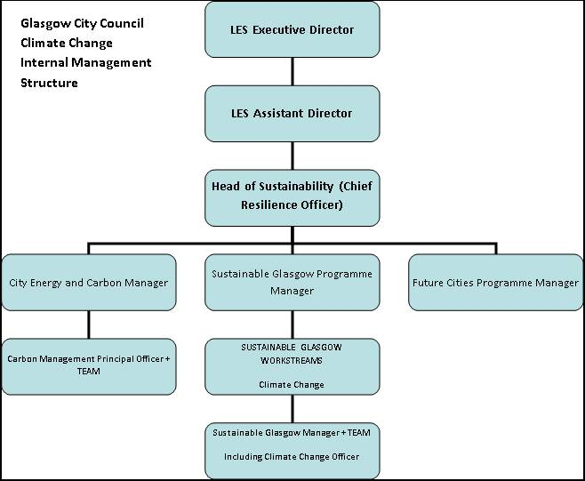

 | Strategy
2c | Does the organisation have specific climate change mitigation and adaptation objectives in its corporate plan or similar document?
 | Provide a brief summary of objectives if they exist.
 | Wording of objective |  |  | Name of document
 | ‘A Sustainable City’ is one of five headline priority areas. Within this (p21-24), the four action themes include ‘Reduced carbon footprint’, ‘Increased use of public and green transport’, and ‘Improved transport infrastructure’. |  |  | Glasgow City Council Strategic Plan for 2012-17
 | The ‘Environment and Sustainability’ priority area (sections 5.2.2, 5.5.5, 5.6.2) includes a particular focus on reducing emissions and on adaptation policy and strategy. |  |  | Service Plan for Land and Environmental services
 | Chief Executive’s Office / Corporate Services – includes programmes such as Home Working in the context of contributing to emissions reductions (p25). |  |  | Service Plan for Corporate Services
 | Refers to work to reduce carbon emissions (p38). |  |  | Service Plan for Financial Services
 | Reduction in use of materials, water and energy is one of five arms of Environmental Policy. |  |  | Service Plan for City Building LLP
 | Of the 15 Actions, some address transport aspects of adaptation. Many address mitigation explicitly or implicitly, notably: A Idling Vehicles, D Council Workplace Travel Planning, F Boiler Emissions (energy efficiency), H Leading by Example (Council vehicle fleet), M fire reduction, N Tree Planting. |  |  | Air Quality Action Plan 2009
 | Adaptation is one of four themes in this emerging framework which aims to co-ordinate relevant work, currently through cross-service staff liaison and collation/provision of information. |  |  | Natural Environment Framework
 | The key trends identified include adaptation (city greening) and mitigation (benefits of city density and ease of accessibility). Adaptation implicitly pervades the Districts Strategy and its placemaking focus on retrofitted ‘Avenues’, including active travel and integrated green infrastructure. Green infrastructure and reduced waste and emissions form Priority Actions under the respective themes of Infrastructure and Management. |  |  | City Centre Strategy 2014-19
 | This outlines a vision for Glasgow 2014 to “help achieve a healthier, more vibrant city with its citizens enjoying and realising the benefits of sport and the wider, longer term economic, social, cultural and environmental benefits that Glasgow 2014 can help to deliver”. The Games are driving the Greener Legacy projects many of which provide benefits for mitigation and community-based adaptation. |  |  | Glasgow 2014 Legacy Framework
2d | Does the organisation have a climate change plan or strategy?
 | If yes, provide the name and/or link to any such document.
 | The Council is currently working with partners in the Clyde Valley city-region to build on the Climate Ready Clyde vision, which was launched by the Leader of the Council in November 2013. This work will form the basis of a local climate change adaptation strategy. Initial work with Council officers has also taken place with the CCAT tool (Climate Change Assessment Tool), which has been developed by Resource Efficient Scotland.
2e | Does the organisation have any plans or strategies covering the following areas that include climate change?
 | Provide the name of any such document and the timeframe covered.
 | Topic area | Name of document | Time period covered | Comments
 | Business travel | Carbon Management Plan | 2013-2021
 | Energy efficiency
 | ICT
 | Waste management
 | Fleet transport
 | Staff Travel | Staff Travel Plan | ongoing project (first review in 2014) | The Council is committed to Scotland’s Climate Change Declaration, working to reduce CO2 emissions through the Carbon Management Plan. The Staff Travel Plan is a key way to achieve this and reduce carbon emissions.
 | Renewable energy | Energy and Carbon Masterplan (SEAP) | 2014-2020 | Follows the Covenant of Mayors commitment made by Glasgow in 2010 to reduce 30%CO2 emissions by 2020.
 | Sustainable/renewable heat
 | Water and sewerage | Metropolitan Glasgow Strategic Drainage Partnership's Vision | 2060 | MGSDP's 2060 vision has climate adaptation at its core - climate ready is one of its eight guiding principles
 | Land Use | Proposed City Development Plan (CDP) | Currently being examined by SG | Flooding is named as a key challenge/influence on land-use planning (p14), and adaptation (mainly of the natural environment) features in the Green Place Strategic Outcome (p23). The new Local Development Plan for the city sets out overall policy on land use and includes a strong focus on climate change.
 | Other | Open Space Strategy | Currently being developed | Climate Adaptation & Integrated Green Infrastructure is one of the 5 key themes within the forthcoming Open Space Strategy.Delivery of multi-functional open space is fundamental to the strategy, with direct links to placemaking, health and wellbeing, climate adaptation and mitigation.
2f | What are the organisation’s top 5 priorities for climate change governance, management and strategy for the year ahead?
 | Provide a brief summary of the organisation’s areas and activities of focus for the year ahead.
 | • Sustainable Glasgow will continue to be the lead body for driving the city’s adaptation agenda forward. Its workplan will schedule presentations and reports to the Board on adaptation, linking closely to the city’s engagement in the Climate Ready Clyde regional partnership. • Establish internal and external working/governance for preparing a Climate Adaptation strategy. This strategy is one of the main outcomes of the city's signature of EU Mayors Adapt. • Publishing a city-wide resilience strategy, with adaptation one of its strands. This strategy will be the key initial outcome of Glasgow’s selection in 2013 as one the Rockefeller Foundation’s 100 Resilient Cities.
2g
 | If yes, please provide details of the findings of the self-assessment.
 | The CCAT tool can be accessed at http://www.resourceefficientscotland.com/resource/resource-efficient-scotland-climate-change-assessment-tool-ccat
 | (a) This refers to the tool developed by Resource Efficient Scotland for the purposes of self-assessing an organisation’s capability / performance in relation to climate change.
...

