Required section
Public Sector Climate Change Duties Reporting Template (excel format) - (v3.3 14/07/15)
1 | Organisational Profile
1a | Name of the organisation
 | Provide the name of the organisation that is the subject of this report (“the organisation”).
 | Fife Council
1b | Type of organisation
 | Select from the options below
 | Local Authority
1c | Number of FTE staff in the organisation
 | 15,104.18
1d | Alternative metrics used by the organisation
 | Specify any other metrics that the organisation uses to assess its performance in relation to climate change and sustainability.
 | Metric | Units | Value | Comments
 |  | #N/A
 |  | #N/A
 |  | #N/A
 | Other (specify in comments)
1e | Overall budget of the organisation
 | Specify approximate £/annum for the report year.
 | £777.804m
1f | Report year
 | Specify the report year e.g. 2015/2016.
 | 2014/15 (Financial year)
1g | Organisational context
 | Provide a summary of the organisation's nature and functions that are relevant to Climate Change reporting.
 | As a Local Authority we are considered to be a major player under the Climate Change Act's public duties reporting requirements . As a major player we offer leadership within our wider region. Therefore the wider influence is important to the organisation. See our projects in tab 3 Recommended - the wider influence.

2 | Governance, Management and Strategy
 | Governance and management
2a | How is climate change governed in the organisation?
 | 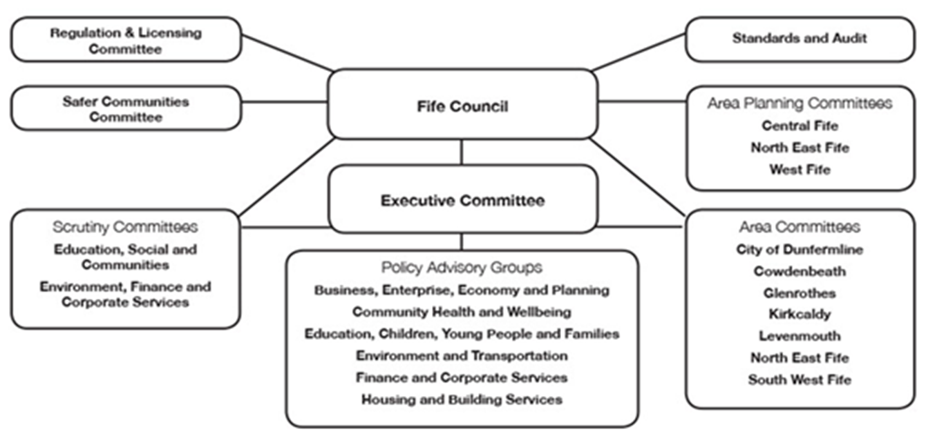 Climate Change plans, strategies and activities are governed in Fife Council by elected members who sit on Fife Council’s Executive Committee, and by the Environment, Finance and Corporate Services Scrutiny Committee and Environment & Transportation Policy Advisory Group (which reports to the Executive Committee). Adaptation activities are led by Transportation & Environmental Services. Mitigation is led by Climate Change & Zero Waste Team within Fife Resource Solutions, an arms-length external organisation set up to undertake these and other environmental functions, working alongside other Council teams such as energy management.

2b | How is climate change action managed and embedded in the organisation?
 | Corporate Outcomes are agreed in the Council Improvement Plan. Outcomes are managed through a portfolio board structure outlined in the diagram attached. Climate Change is managed through the Environmental Portfolio Theme Board. The Environmental Portfolio Board comprises Heads of Service (‘Asset, Transportation and Environment’, ‘Housing’ and ‘Economy, Planning and Employability’) and Chaired by the Executive Director for ‘Enterprise & Environment’. The Environmental Portfolio Board remit includes providing scrutiny and direction for Council Plan Outcomes related to the environment. Delivery of the Outcomes are undertaken by the Services through Programmes and Projects.
 | 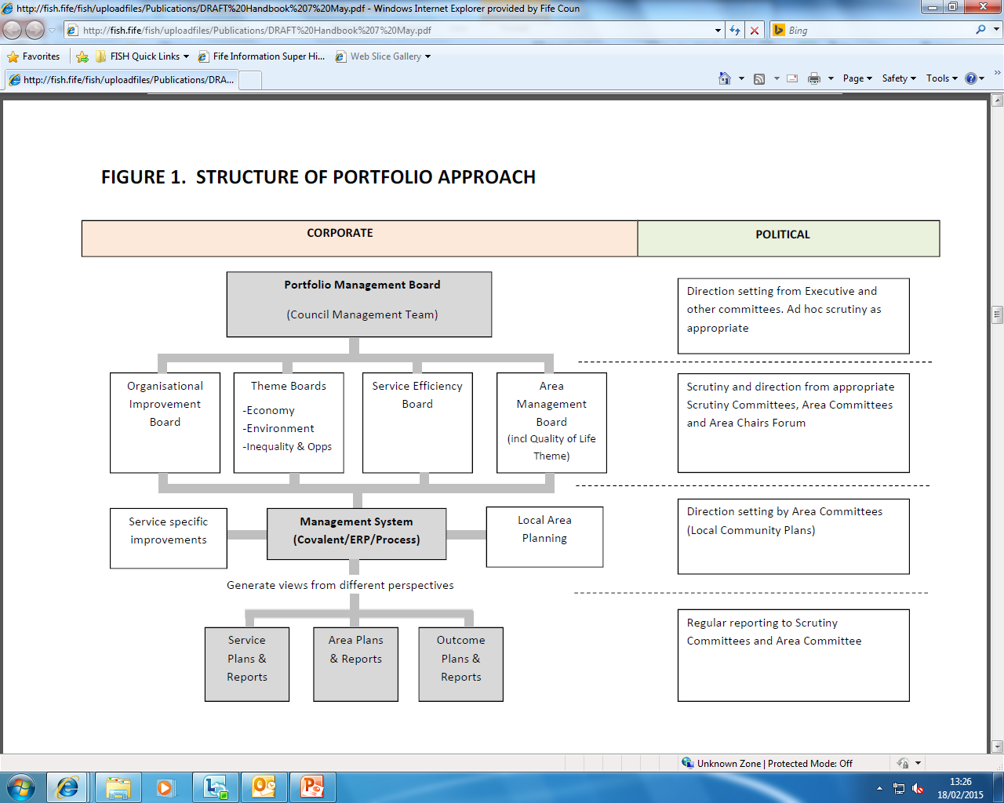 <Insert Diagram Here>

 | Strategy
2c | Does the organisation have specific climate change mitigation and adaptation objectives in its corporate plan or similar document?
 | Provide a brief summary of objectives if they exist.
 | Wording of objective | Name of document
 | Reduce Fife’s carbon footprint by >10%. | Fife Council Plan 2017
 | Reducing the percentage of fuel poor households by one third. | Fife Council Plan 2017
 | Increase the percentage of household waste collected that is recycled or composted by 10%. | Fife Council Plan 2017
 | Delivery of Fife’s Climate Change Adaptation Programme. | Fife Council Plan 2017
 | Adapting to Climate Change | Fife Community Plan
 | Reducing Carbon Emissions | Fife Community Plan
2d | Does the organisation have a climate change plan or strategy?
 | If yes, provide the name and/or link to any such document.
 | Fife Environmental Partnership Climate Change Strategy 2014-2020
2e | Does the organisation have any plans or strategies covering the following areas that include climate change? http://publications.1fife.org.uk/uploadfiles/publications/c64_FEP-Climate-ChangeStrategy-2014.pdf
 | Provide the name of any such document and the timeframe covered.
 | Topic area | Name of document | Time period covered | Comments
 | Adaptation | Climate Change Adaptation Framework 2010
 | Business travel | Transport review ( business travel ) | 2014/15 | Budget saving of £200,000 for encouraging alternate modes of travel.
 | Staff Travel | Fife Council Travel Plan |  | Launched 2000
 | Energy efficiency | The Energy Strategy, 2013
 | Fleet transport
 | ICT
 | Renewable energy | The Energy Strategy, 2013
 | Sustainable/renewable heat | Fife Economic Strategy , Local Housing Strategy , The Energy Strategy 2013
 | Waste management | Zero Waste Plan | 2015- 2018 | In draft at the moment
 | Water and sewerage
 | Land Use | Fife Local Biodiversity Action Plan | 2013-2018
 | Other | Fife Procurement Policy | 2011‐2020
2f | What are the organisation’s top 5 priorities for climate change governance, management and strategy for the year ahead?
 | Provide a brief summary of the organisation’s areas and activities of focus for the year ahead.
 | To date the council is guided by the Fife Environment Partnership climate change strategy which has focussed on energy and fuel efficiency in building estate and transport services. Projects include insulation and lighting , street lighting, server efficiency and low carbon fuels and vehicles. The organisation has not decided on its 5 top priorities for climate change governance, management and strategy for the year ahead. This reporting process gives us an opportunity to put this in place and to review how we make our decisions to drive forward our carbon management. As the quality of our data collection continues to improve and extend we can use this to enable decisions.
2g
 | If yes, please provide details of the findings of the self-assessment.
 | The CCAT tool can be accessed at http://www.resourceefficientscotland.com/resource/resource-efficient-scotland-climate-change-assessment-tool-ccat
 | (a) This refers to the tool developed by Resource Efficient Scotland for the purposes of self-assessing an organisation’s capability / performance in relation to climate change.
 | No but this is something we are interested in and intend to do next year.

 | Further information
2h | Supporting information and best practice
 | Provide any other relevant supporting information and any examples of best practice by the organisation in relation to governance, management and strategy.

3 | Corporate Emissions, Targets and Project Data
 | Emissions
3a | Corporate emissions from start of baseline year to end of report year
 | Complete the table below using the greenhouse gas emissions total for the organisation calculated on the same basis as for its annual carbon footprint / management reporting or, where applicable, its sustainability reporting. Include greenhouse gas emissions from the organisation’s estate and operations (a) (measured and reported in accordance with Scopes 1 & 2 and, to the extent applicable, selected Scope 3 of the Greenhouse Gas Protocol (b). If data is not available for any year from the start of the baseline year to the end of the report year, provide an explanation in the comments column.
 | (a) No information is required on the effect of the organisation on emissions which are not from its estate and operations.
 | (b) This is the Greenhouse Gas Protocol developed by the World Resources Institute and the World Business Council on Sustainable Development which sets the global standard for how to measure, manage and report greenhouse gas emissions.
 | Reference year | Year | Year type | Scope 1 | Scope 2 | Scope 3 | Total | Units | Comments
 | Baseline carbon footprint | 2011/12 | Financial (April to March) |  |  |  | 95,805 | tCO2e | Not calculated per Scope (14/15 has been updated in order to report in scopes)
 | Year 1 carbon footprint | 2012/13 | Financial (April to March) |  |  |  | 92,124 | tCO2e | As above
 | Year 2 carbon footprint | 2013/14 | Financial (April to March) |  |  |  | 91,893 | tCO2e | As above
 | Year 3 carbon footprint | 2014/15 | Financial (April to March) |  |  |  | 93,072 | tCO2e | This reporting process has enabled us to capture data more robustly and we have now put a different methodology in place for data collection. This method has shown a nominal increase in our footprint from the figures in former years. Further investigation along with collecting raw historical data rather than calculated data shows an actual real terms decrease in gas use by 8% and electricity use by 4% in the report year of 14/15. This should mean our footprint shows a decrease. We are looking to recalculate former years footprints by using the same methodology as this year and will reflect this in next years report.
 | Year 4 carbon footprint | 2015/16 | Financial (April to March) |  |  |  |  | tCO2e
 | Year 5 carbon footprint | 2016/17 | Financial (April to March) |  |  |  | - | tCO2e
...

