Required section
Public Sector Climate Change Duties Reporting Template (excel format) - (v3.3 14/07/15)
1 | Organisational Profile
1a | Name of the organisation
 | Provide the name of the organisation that is the subject of this report (“the organisation”).
 | Falkirk Council
1b | Type of organisation
 | Select from the options below
 | Local Authority
1c | Number of FTE staff in the organisation
 | 6095
1d | Alternative metrics used by the organisation
 | Specify any other metrics that the organisation uses to assess its performance in relation to climate change and sustainability.
 | Metric | Units | Value | Comments
 | Floor area | m2 | 358,847 | Approx value of operational and non operational estate (Of which 355,086 m2 is Operational)
 | Other (specify in comments) | Buildings | 262 | Total number of operational buildings
1e | Overall budget of the organisation
 | Specify approximate £/annum for the report year.
 | £345,328,150.00
1f | Report year
 | Specify the report year e.g. 2015/2016.
 | 2014/15 (Financial year)
1g | Organisational context
 | Provide a summary of the organisation's nature and functions that are relevant to Climate Change reporting.
 | The local authority is comprised of 3 Services incorporated within a diverse estate including; operational buildings e.g. offices and municipal buildings, schools and nurseries and community facilities; and non operational buildings e.g. communal occupancy buildings where the council provides some amenities e.g. stair lighting. Aside from the built estate, the Council has an operational fleet including pool cars and waste vehicles. Where staff mileage is calculated, grey fleet is not included within the Councils footprint. The Council also records emissions which arise from waste and water supply and treatment.

2 | Governance, Management and Strategy
 | Governance and management
2a | How is climate change governed in the organisation?
 | Responsibility for delivery of the Carbon Management Plan lies with the Corporate Sustainability Group with progress steered by the Carbon Management Group. The Climate Change Team reports to this group on a quarterly basis, outlining future developments, potential barriers/opportunities. This group is responsible for ensuring that Falkirk Council meets legal requirements under the Climate Change Scotland Act 2009. It scrutinises progress reports on delivery of the CMP as well as public reports on climate change performance which include a significant carbon emissions element.
Corporate
Management Team
Executive
Corporate Risk
Management Group
Climate Change Team
Service Sustainability Teams:
Chief Executive
Falkirk Community Trust
Corporate & Housing
Development
Children’s Services
Carbon Management Group
Corporate Sustainability Working Group
 | 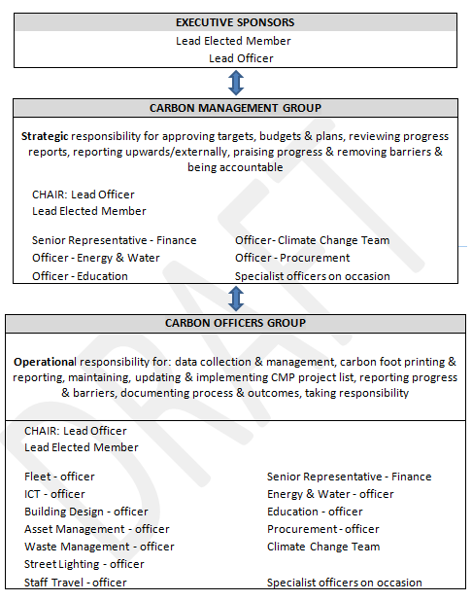
2b | How is climate change action managed and embedded in the organisation?
 | As can be seen from the above diagram the Climate Change Team are responsible for integrating and implementing carbon reduction throughout the local authority. As such, a detailed Carbon Management Plan has been implemented since 2007 which has detailed specific projects and actions aimed at reducing our impact on the environment and ensuring sustainability and adaptation are included in current and future practices. The first Carbon Management Plan (CMP) covered the period 2007 to 2010, the second spanning 2011 to 2015. The recently approved 3rd plan covers 2015/16 to 2020/21. The Carbon Management Group comprises senior officers and an Elected Member with specialist knowledge and influence at corporate level. The Carbon Officers Group – is an operational group comprising officers who are responsible for key areas of the Council’s waste emissions, both direct and indirect. The majority of officers will be the lead officers on carbon reduction projects relating to their field and will provide progress reports at this quarterly meeting to the Carbon Management Group, who will also be in attendance. The Climate Change Team - carbon management forms a major part of the team’s role which includes production of the CMP, supporting the development of projects, monitoring carbon emission trends, tracking project delivery and securing external funding and support. The team supports both the operational and management groups, reporting to Corporate Sustainability Group.

 | Strategy
2c | Does the organisation have specific climate change mitigation and adaptation objectives in its corporate plan or similar document?
 | Provide a brief summary of objectives if they exist.
 | Wording of objective | Name of document
 | ‘enhancing and sustaining an environment in which people want to live and visit’ | Falkirk Council Corporate Plan
 | ‘we will be greener ‘ | Falkirk Council Corporate Plan
2d | Does the organisation have a climate change plan or strategy?
 | If yes, provide the name and/or link to any such document.
 | The council has the Sustainable Development and Climate Change Strategy 2012-2017. Sustainability and Climate Change Action Plan 2013-2015. Link attached
2e | Does the organisation have any plans or strategies covering the following areas that include climate change?
 | Provide the name of any such document and the timeframe covered.
 | Topic area | Name of document | Time period covered | Comments
 | Adaptation | Adaptation Strategy | 2015-2016 | Currently in the process of being approved internally. It is the aim that this document will be reviewed and updated on a yearly basis.
 | Business travel | Taking the Right Route | On-going
 | Staff Travel | Personal Travel Planning | On-going
 | Energy efficiency | Heating management approach | On-going | Under Consideration by CMT.
 | Fleet transport | Fleet asset management policy | 2015-2020 | Work in progress
 | ICT | Falkirk Councils Technology Strategy | 2013-2018
 | Carbon Management | Carbon Management Plan | 2015/16-2020/21 | Approved
 |  | Corporate Plan | 2012-2017
 | Sustainability | Sustainable Development and Climate Change Strategy 2012-2017 | 2012-2017
 |  | Sustainable Development and Climate Change Action Plan 2013-15 | 2013-2015
 | Buildings | Corporate Asset Management Strategy | On-going | Currently being updated
 | Housing | Local Housing Strategy | 2017-2022 | Currently being updated. Contributing to climate change mitigation is one of the key strategic objectives of the Falkirk Local Development Plan, and carbon reduction is promoted through a number of the plan’s policies
 | Biodiversity | Local Biodiversity Action Plan | 2011-2014
 | Procurement | Corporate Procurement Strategy | 2014-2017 | Under Revision
 | Renewable energy | Local Development Plan | 2015-2020
 | Sustainable/renewable heat |  |  | Exploratory work on strategic energy action plan under way
 | Waste management | Zero Waste Strategy | 2012-2022 | Updated regularly
 |  | Community Litter Plan | 2015-2019
 | Land Use | Falkirk Greenspace | On-going
 |  | Open Space Strategy | 2010-2015 | Currently being reviewed
 | Other | My Future's in Falkirk | On-going | Economic development strategy - new strategy in production
2f | What are the organisation’s top 5 priorities for climate change governance, management and strategy for the year ahead?
 | Provide a brief summary of the organisation’s areas and activities of focus for the year ahead.
 | Revision of the Council’s Climate Change & Sustainability Action Plan will include an adaptation programme with clear links to risk management processes. Strengthen Corporate Sustainability Group reporting links and engagement with Corporate Management Team and Elected Members. Each Service will produce a carbon reduction plan with regular carbon reports to the Corporate Management Team. Build on climate change work with community planning partners and wider community. Services are being made aware of their responsibility for embedding sustainability and climate change in their operations. Quarterly carbon reports to Service management teams on their carbon emissions will help each Service to develop its own carbon reduction action plan Further development of a risk based approach towards adaptation in 2015/16, will help all Services to identify and develop processes to cope with the impact of changing climate on their operations at unit, Service and corporate level.
2g | Has the organisation used the Climate Change Assessment Tool (a) or equivalent tool to self-assess its capability / performance?
 | If yes, please provide details of the findings of the self-assessment.
 | The CCAT tool can be accessed at http://www.resourceefficientscotland.com/resource/resource-efficient-scotland-climate-change-assessment-tool-ccat
 | (a) This refers to the tool developed by Resource Efficient Scotland for the purposes of self-assessing an organisation’s capability / performance in relation to climate change.
 | 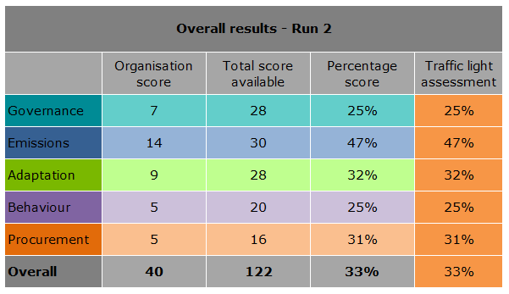 Based on an informal initial assessment. Formal workshops have yet to be carried out with this.

 | Further information
2h | Supporting information and best practice
 | Provide any other relevant supporting information and any examples of best practice by the organisation in relation to governance, management and strategy.
 | By signing up to Scotland’s Climate Change Declaration in 2007, Falkirk Council made a number of commitments, including one to report publicly on progress on addressing carbon emissions. A report has been submitted to the Sustainable Scotland Network for each reporting year and they in turn, publish the reports on their website.

3 | Corporate Emissions, Targets and Project Data
 | Emissions
3a | Corporate emissions from start of baseline year to end of report year
 | Complete the table below using the greenhouse gas emissions total for the organisation calculated on the same basis as for its annual carbon footprint / management reporting or, where applicable, its sustainability reporting. Include greenhouse gas emissions from the organisation’s estate and operations (a) (measured and reported in accordance with Scopes 1 & 2 and, to the extent applicable, selected Scope 3 of the Greenhouse Gas Protocol (b). If data is not available for any year from the start of the baseline year to the end of the report year, provide an explanation in the comments column.
 | (a) No information is required on the effect of the organisation on emissions which are not from its estate and operations.
 | (b) This is the Greenhouse Gas Protocol developed by the World Resources Institute and the World Business Council on Sustainable Development which sets the global standard for how to measure, manage and report greenhouse gas emissions.
 | Reference year | Year | Year type | Scope 1 | Scope 2 | Scope 3 | Total | Units | Comments
 | Baseline carbon footprint | 2013/14 | Financial (April to March) | 16,853 | 21,257 | 11,297 | 49,407 | tCO2e | These figures are based on operational estate ONLY.
 | Year 1 carbon footprint | 2014/15 | Financial (April to March) | 15,861 | 22,284 | 11,781 | 49,926 | tCO2e | These figures are based on operational estate ONLY.

3b | Breakdown of emissions sources
 | Complete the table below with the breakdown of emission sources from the organisation’s most recent carbon footprint (greenhouse gas inventory); this should correspond to the last entry in the table above. Use the comments box to explain what is included within a category. If it is not possible to use a simple emissions factor (a), leave this field blank and provide the total in the emissions column.
 | (a) Emissions factors are published annually by the UK Government Department for Environment, Food and Rural Affairs (Defra)
 | Emission source | Scope | Consumption data | Units | Emission factor | Units | Emissions (tCO2e) | Comments
 | Grid Electricity (generation) | Scope 2 | 41,416,302 | kWh | 0.49426 | kg CO2e/kWh | 20,470.4 | Contains Electricity and Street lighting
 | Natural Gas | Scope 1 | 62,224,523 | kWh | 0.18497 | kg CO2e/kWh | 11,509.7 | Buildings
 | Gas oil | Scope 3 | 742,357 | kWh | 0.27212 | kg CO2e/kWh | 202.0 | Class A2
 | Car - diesel (average) | Scope 3 | 4,062,606 | passenger km | 0.18546 | kg CO2e/passenger km | 753.5 | Business mileage
 | Diesel | Scope 1 | 1,652,743 | litres | 2.60240 | kg CO2e/litre | 4,301.1 | Fleet
 | Water - Supply | Scope 3 | 237,735 | m3 | 0.34410 | kg CO2e/m3 | 81.8
 | Water - Treatment | Scope 3 | 225,848 | m3 | 0.70850 | kg CO2e/m3 | 160.0
 | Refuse Municipal to Landfill | Scope 3 | 33,519 | tonnes | 289.83554 | kgCO2e/tonne | 9,715.0
 | Paper & Board (Mixed) Recycling | Scope 3 | 39,980 | tonnes | 21.00000 | kgCO2e/tonne | 839.6
 | Refuse Mun/Comm/Ind to Combustion | Scope 3 | 121 | tonnes | 21.00000 | kgCO2e/tonne | 2.5
 |  |  |  |  |  | Total | 48,035.6

3c | Generation, consumption and export of renewable energy
 | Provide a summary of the organisation’s annual renewable generation (if any), and whether it is used or exported by the organisation.
 | Generation of renewables | Total generated (kWh) | Total consumed by the organisation (kWh) | Total exported (kWh) | Comments
 | Renewable electricity |  | 30,671
 | Renewable heat |  | -
 | Other 1 (specify in comments)
 | Other 2 (specify in comments)
 | Other 3 (specify in comments)

 | Targets
3d | Organisational targets
 | Name of target | Type of target | Target | Units | Boundary/scope of target | Baseline year | Baseline figure | Units of baseline | Target completion year | Comments
...

