Required section
Public Sector Climate Change Duties Reporting Template (excel format) - (v3.3 14/07/15)
1 | Organisational Profile
1a | Name of the organisation
 | Provide the name of the organisation that is the subject of this report (“the organisation”).
 | Education Scotland
1b | Type of organisation
 | Select from the options below
 | Executive Agency
1c | Number of FTE staff in the organisation
 | 334
1d | Alternative metrics used by the organisation
 | Specify any other metrics that the organisation uses to assess its performance in relation to climate change and sustainability.
 | Metric | Units | Value | Comments
 | Other (specify in comments) | number undertaken | 162 | number of inspections undertaken to ensure a representative national sample
1e | Overall budget of the organisation
 | Specify approximate £/annum for the report year.
 | £35.4m
1f | Report year
 | Specify the report year e.g. 2015/2016.
 | 2014/15 (Financial year)
1g | Organisational context
 | Provide a summary of the organisation's nature and functions that are relevant to Climate Change reporting.
 | Education Scotland operates from eight buildings located across Scotland; seven offices ranging from small to medium size and a data distribution centre. Four offices are within the central belt, (Glasgow, Clydebank, Livingston and Edinburgh) with other offices in Dundee, Aberdeen and Inverness. As six of these sites are landlord operated Education Scotland has limited influence over how they are operated. Meeting stakeholders, partners and colleagues is a vital part of Education Scotland’s business activities and a degree of travel by officials has been necessary in support of this.

2 | Governance, Management and Strategy
 | Governance and management
2a | How is climate change governed in the organisation?
 | 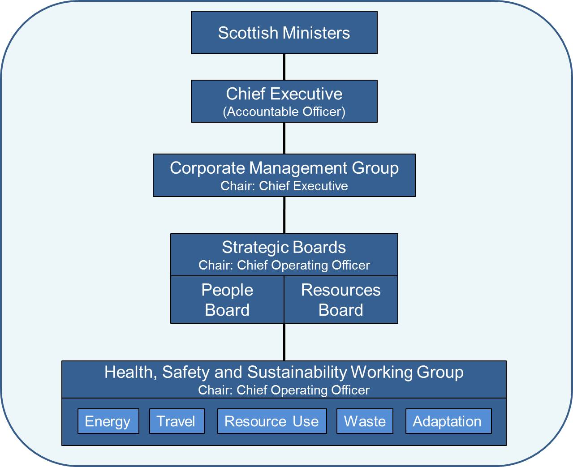 <Insert Diagram Here>
2b | How is climate change action managed and embedded in the organisation?
 | Group/Individual | Members | Role
 | Scottish Ministers | n/a | Setting the strategic objectives for addressing climate change and are responsible for setting the policy and resources framework within which the Agency operates.
 | Chief Executive | n/a | Accountable to Scottish Ministers for the delivery of the Agency's outcomes. Responsible for all operational matters and ensuring compliance with relevant guidance issued by the Scottish Government on a range of topics including climate change.
 | Corporate Management Group | Chief Executive (Chair), Strategic Directors, Programme Director, Education Scotland and Scottish Government officials as required, DG Learning and Justice invited to attend annually, support staff | Supporting the Chief Executive with regard to decisions on strategic direction, policies and organisational performance. Meets monthly to set and monitor strategic policy for the Agency's operations. Accountable for the activities of the Strategic Boards.
 | Strategic Board - Resources Board | Chief Operating Officer (Chair), Assistant Directors, HR, Communications, Union Representative, Education Scotland Officials as required, support staff | Ensuring the most effective deployment of resources to ensure the efficient, effective and economic delivery of business and corporate plans and the Agency's statutory duties. Meets at least 6 times a year and reports directly to the Corporate Management Group.
 | Strategic Board - People Board | Chief Operating Officer (Chair), Assistant Directors, HR, Communications, Programme Director, Union Representative, Education Scotland Officials as required, support staff | Building the capacity of the Agency's people, promoting ways of working together and creating a positive culture across the Agency. Meets quarterly and reports directly to the Corporate Management Group
 | Health, Safety and Sustainability Working Group | Chief Operating Officer (Chair), Directorate Representatives, HR, Communications, Facilities Manager, Union Representatives, support staff | Development of a Health, Safety and Sustainability Management System to implement and maintain climate change policies among other requirements. This includes the development of action plans to contribute to the delivery of Education Scotland's climate change duties. Meets bi-monthly and reports to the People and Resources Board.

 | Strategy
2c | Does the organisation have specific climate change mitigation and adaptation objectives in its corporate plan or similar document?
 | Provide a brief summary of objectives if they exist.
 | Wording of objective | Name of document
 | year on year reduction of greenhouse gas emissions | Education Scotland Annual Accounts 2014-15, http://www.educationscotland.gov.uk/Images/AnnualAccounts2014to2105_tcm4-865398.pdf, page 8
 | year on year reduction of waste generated | Education Scotland Annual Accounts 2014-15, http://www.educationscotland.gov.uk/Images/AnnualAccounts2014to2105_tcm4-865398.pdf, page 8
 | year on year increase in waste recycled | Education Scotland Annual Accounts 2014-15, http://www.educationscotland.gov.uk/Images/AnnualAccounts2014to2105_tcm4-865398.pdf, page 8
 | year on year reduction in miles travelled | Education Scotland Annual Accounts 2014-15, http://www.educationscotland.gov.uk/Images/AnnualAccounts2014to2105_tcm4-865398.pdf, page 8
 | year on year reduction in water usage | Education Scotland Annual Accounts 2014-15, http://www.educationscotland.gov.uk/Images/AnnualAccounts2014to2105_tcm4-865398.pdf, page 8
 |  | Education Scotland Annual Accounts 2014-15, http://www.educationscotland.gov.uk/Images/AnnualAccounts2014to2105_tcm4-865398.pdf, page 8
2d | Does the organisation have a climate change plan or strategy?
 | If yes, provide the name and/or link to any such document.
 | Work on Education Scotland's plan is to be taken forward during 2016. The Health, Safety and Sustainability Working Group was formed in January 2015 with the responsibility for, among other things, the development of action plans aimed at delivering Education Scotland's climate change duties; including the development of mitigation targets and the projects necessary to deliver them. The work of the Group was therefore very much in the early stages during the reporting year.
2e | Does the organisation have any plans or strategies covering the following areas that include climate change?
 | Provide the name of any such document and the timeframe covered.
 | Topic area | Name of document | Time period covered | Comments
 | Adaptation | n/a | n/a
 | Business travel | n/a | n/a | See 2d. Work on developing a climate change plan for Education Scotland is to be taken forward during 2016.
 | Staff Travel | n/a | n/a | See 2d. Work on developing a climate change plan for Education Scotland is to be taken forward during 2016.
 | Energy efficiency | n/a | n/a | See 2d. Work on developing a climate change plan for Education Scotland is to be taken forward during 2016.
 | Fleet transport | n/a | n/a | Education Scotland currently operates one pool car. Any replacement vehicles will be purchased in line with Scottish Government requirements to take account of lifetime energy and environmental impacts including energy consumption, CO2 emissions and other pollutants.
 | ICT
 | Renewable energy | National framework agreement for the supply of electricity for the Scottish public sector | 1/4/13-31/3/17 | Electricity procured on behalf of Education Scotland during 2014/15 through the framework was from Levy Exemption Certificated renewable sources.
 | Sustainable/renewable heat | n/a | n/a | See 2d. Work on developing a climate change plan for Education Scotland is to be taken forward during 2016.
 | Waste management | n/a | n/a | See 2d. Work on developing a climate change plan for Education Scotland is to be taken forward during 2016.
 | Water and sewerage | n/a | n/a | See 2d. Work on developing a climate change plan for Education Scotland is to be taken forward during 2016.
 | Land Use | n/a | n/a | The land resources of Education Scotland's estate are minimal
 | Other | Education Scotland Procurement Policy Manual | n/a
2f | What are the organisation’s top 5 priorities for climate change governance, management and strategy for the year ahead?
 | Provide a brief summary of the organisation’s areas and activities of focus for the year ahead.
 | Establish a reporting boundary and improve monitoring mechanisms to adequately measure the impact of our business activities.
 | Agree a baseline upon which climate change targets can be based and from which future mitigation activities can be measured
 | Develop emission reduction targets to mitigate the impacts of Education Scotland’s business activities.
 | Develop an action plan to deliver Education Scotland's emission reduction targets.
 | Review existing business continuity plans with a view to ensuring they contribute to making Education Scotland more resilient to the impacts of a changing climate
2g | Has the organisation used the Climate Change Assessment Tool (a) or equivalent tool to self-assess its capability / performance?
 | If yes, please provide details of the findings of the self-assessment.
 | The CCAT tool can be accessed at http://www.resourceefficientscotland.com/resource/resource-efficient-scotland-climate-change-assessment-tool-ccat
 | (a) This refers to the tool developed by Resource Efficient Scotland for the purposes of self-assessing an organisation’s capability / performance in relation to climate change.
 | See 2d. Work on developing a climate change plan for Education Scotland is to be taken forward during 2016.
...

