Required section
Public Sector Report on Compliance with Climate Change Duties 2020 Template (excel format) - 2019-2020 Factors
PART 1 | Profile of Reporting Body
1a | Name of reporting body
 | Provide the name of the listed body (the "body") which prepared this report.
 | Education Scotland
1b | Type of body
 | Select from the options below
 | Others
1c | Highest number of full-time equivalent staff in the body during the report year
 | 369
1d | Metrics used by the body
 | Specify the metrics that the body uses to assess its performance in relation to climate change and sustainability.
 | Metric | Units | Value | Comments
 | Floor area | m2 | 4302.00 | Education Scotland occupied space in AB1, Aberdeen (28); Endeavour House, Dundee (457); Denholm House, Livingston (1749); Optima, Glasgow (2020 excluding server room) and Longman House, Inverness (48).
 |  | #N/A
 |  | #N/A
 | Other (specify in comments) | External visits and interactions | 408 | One of our core responsibilities is to carry out inspections of Early Learning and Childcare setting and schools. During 2019/20 we engaged with 408 of such establishments which had a major impact on level of our travel.
1e | Overall budget of the body
 | Specify approximate £/annum for the report year.
 | Budget | Budget Comments
 | £38,380,400.00 | The final budget for 2019-20 was £38.381m. Overall expenditure for the year was £37.804m, resulting in an underspend of £0.577m.
1f | Report year
 | Specify the report year.
 | Report year | Report year comments
 | 2019/20 (Financial year)
1g | Context
 | Provide a summary of the body's nature and functions that are relevant to climate change reporting.
 | Education Scotland is the national improvement agency for education in Scotland. We were established in July 2011 as an Executive Agency of Scottish Ministers under the terms of the Scotland Act 1998. Scottish Ministers have charged us with supporting quality and improvement in Scottish education and thereby securing the delivery of better learning experiences and outcomes for learners of all ages. In support of these functions, officials have to undertake a high degree of travel although this has been reduced towards the end of 2019-20 reporting period due to COVID-19 pandemic. During 2019-20 Education Scotland operated mainly from five locations across Scotland, but we also use some space on an ad-hoc basis within the demise of other organisations. Two of our offices are within the central belt (Glasgow and Livingston), with other offices being in Dundee, Aberdeen and Inverness. As we do not own our buildings, Education Scotland has limited influence over how those buildings are operated.

PART 2 | Governance, Management and Strategy
 | Governance and management
2a | How is climate change governed in the body?
 | Provide a summary of the roles performed by the body’s governance bodies and members in relation to climate change. If any of the body’s activities in relation to climate change sit outside its own governance arrangements (in relation to, for example, land use, adaptation, transport, business travel, waste, information and communication technology, procurement or behaviour change), identify these activities and the governance arrangements. Provide a diagram / chart to outline the governance structure within the body.
 | Everyone in Education Scotland has a role to play in Climate Change duties. Chief Executive - Accountable to Scottish Ministers for the delivery of the Agency’s outcomes. Responsible for all operational matters and ensuring compliance with relevant guidance issued by the Scottish Government on a range of topics including climate change. Strategic Directors - Within Directorates, Strategic Directors have overall responsibility for ensuring the ES sustainability targets are met within their areas, regularly receiving and acting upon relevant advice and information. Heads of Teams and line managers - responsible for ensuring the environmental performance and impact of staff under their control. Health, Safety and Sustainability Working Group (Group will be replaced during 2020/21) - It was within the group's remit to develop environmental management system to implement and maintain climate change policies among other requirements. This includes the development of action plans to contribute to the delivery of Education Scotland’s climate change duties. A new group will be created in order to give adequate attention to the Climate Change topic. Staff - All staff must adhere to environmentally friendly practices and contribute to the organisation’s overall sustainability performance.
 | 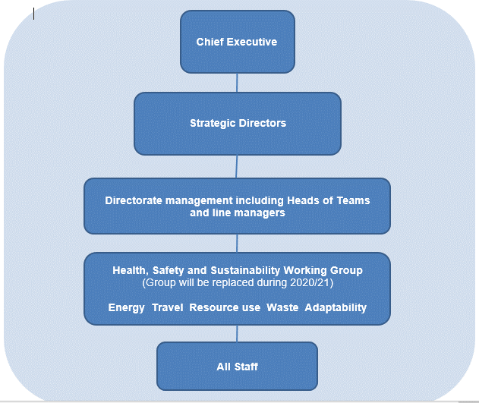
2b | How is climate change action managed and embedded in the body?
 | Provide a summary of how decision-making in relation to climate change action by the body is managed and how responsibility is allocated to the body’s senior staff, departmental heads etc. If any such decision-making sits outside the body’s own governance arrangements (in relation to, for example, land use, adaptation, transport, business travel, waste, information and communication technology, procurement or behaviour change), identify how this is managed and how responsibility is allocated outside the body. Provide a diagram to show how responsibility is allocated to the body’s senior staff, departmental heads etc.
 | Where a decision regarding the Organisation's impact on environment is needed, the matter is usually discussed by the Health, Safety and Sustainability group and the appropriate recommendation is then formed and passed up to the Leadership team. If a decision can be made at a lower level, it is then made within the group and the Health, Safety and Sustainability group's minutes will reflect that for any future reference. Facilities team compiles annual emissions figures and progress against Education Scotland’s emissions targets and these are reported to the Leadership t Team and published as part of our annual accounts report..

 | Strategy
2c | Does the body have specific climate change mitigation and adaptation objectives in its corporate plan or similar document?
 | Provide a brief summary of objectives if they exist.
 | Wording of objective | Name of document |  |  | Document Link
 | Reduction of greenhouse gas emissions in line with targets as set out in the legislation. | Emissions reduction targets and Education Scotland Annual Accounts 2019-20 |  |  | Not published outside the Organisation

2d | Does the body have a climate change plan or strategy?
 | If yes, provide the name of any such document and details of where a copy of the document may be obtained or accessed.
 | Education Scotland is working to achieve emissions reduction as set out in the framework contained withint The Climate Change (Emissions Reduction Targets) (Scotland) Act 2019 that set out significant challenges for public bodies with interim targets for Greenhouse gas reductions of at least 56% by 2020, 75% by 2030, 90% by 2040 from the baseline levels. We also have a Health, Sustainability and Welfare policy which considers our impact on natural environment - this is an internal document available to all our staff via the intranet as well as copy displayed in our buildings.
2e | Does the body have any plans or strategies covering the following areas that include climate change?
 | Provide the name of any such document and the timeframe covered.
 | Topic area | Name of document | Link | Time period covered | Comments
 | Adaptation | None | N/A | N/A | This will be considered as part of the development of the overall strategy/plan.
 | Business travel | Travel and subsistence rules | Internal document, no external link available | Ongoing | Staff are encouraged to use technology to avoid unnecessary travel such as video conference facilities and Skype. Reviews of our new ways of working will continue throughout the next year in light of COVID-19 pandemic and to establish best practice for the years ahead.
 | Staff Travel | Home working Policy | Only internal, no external link available | Live policy - ongoing | Homeworking is considered for staff if work is spread over several locations or involves travelling because of an office location or distance to work. Staff are also encouraged to use public or shared transport to reduce carbon emissions. Staff are also permitted to join a Cycle to work scheme and cycle to work. These may change due to COVID-19 pandemic.
 | Energy efficiency | Sustainability advice available on the intranet | Only internal, no external link available | Ongoing | Staff are encouraged to switch electrical items off when not in use (internal posters). The Facilities Services Team will work with building managers and contractors to identify efficency opportunities where possible.
 | Fleet transport | None | N/A | N/A | We have removed our pool car from use.
 | ICT |  | N/A | Ongoing | Education Scotland continue to provide a range of online resources and publications. The organisation is also using technology to improve processes, for example questionnaires can be completed electronically for inspection and reviews, educational establishments can also submit documents electronically. We are using electrinic records management system in order to reduce consumption of paper.
 | Renewable energy |  | N/A | Ongoing | Education Scotland have used the Scottish Government's Utilities framework for the supply of electricity which provides 100% of our electricity from renewable resources.
 | Sustainable/renewable heat |  | N/A | N/A | As our premises are landlord managed, we do not have much influence over the heat source.
 | Waste management |  | N/A | Ongoing | Education Scotland is commited to reduce it's annual production of waste and to increase the amount recycled. This is done via the Facilities management.
 | Water and sewerage |  | N/A | N/A
 | Land Use | None | N/A | N/A
 | Other
2f | What are the body’s top 5 priorities for climate change governance, management and strategy for the year ahead?
 | Provide a brief summary of the body’s areas and activities of focus for the year ahead.
 | 1. Create a dedicated group within the organisation. 2. Develop a formal climate change plan/strategy 3. Minimise the operational impact on the environment by sharing available space with other public bodies 4. Promote the use of video conference equipment as an initiative to help reduce the level of travel our organisation undertakes. 5. Engage with staff to seek opportunities to reduce our impact on the environment
2g | Has the body used the Climate Change Assessment Tool (a) or equivalent tool to self-assess its capability / performance?
 | If yes, please provide details of the key findings and resultant action taken.
 | (a) This refers to the tool developed by Resource Efficient Scotland for self-assessing an organisation’s capability / performance in relation to climate change.
 | No

 | Further information
2h | Supporting information and best practice
 | Provide any other relevant supporting information and any examples of best practice by the body in relation to governance, management and strategy.
...

