Required section
Public Sector Climate Change Duties Reporting Template (excel format) - (v3.3 14/07/15)
1 | Organisational Profile
1a | Name of the organisation
 | Provide the name of the organisation that is the subject of this report (“the organisation”).
 | Edinburgh Napier University
1b | Type of organisation
 | Select from the options below
 | Further Education
1c | Number of FTE staff in the organisation
 | 1512
1d | Alternative metrics used by the organisation
 | Specify any other metrics that the organisation uses to assess its performance in relation to climate change and sustainability.
 | Metric | Units | Value | Comments
 |  | #N/A
 |  | #N/A
 |  | #N/A
 | Other (specify in comments)
1e | Overall budget of the organisation
 | Specify approximate £/annum for the report year.
 | £119,000,000.00
1f | Report year
 | Specify the report year e.g. 2015/2016.
 | 2014/15 (Academic year)
1g | Organisational context
 | Provide a summary of the organisation's nature and functions that are relevant to Climate Change reporting.
 | Edinburgh Napier University (ENU) is one of the largest higher education institutions in Scotland, with over 18,000 students from 109 countries and over 1,500 FTE staff. The University is organised into six schools and 12 professional services. Research is undertaken in areas which are directly relevant to employers' needs to supports sustainable economic growth in Scotland and beyond. University teaching and research activity within Edinburgh is split across three main campus buildings and eight other smaller buildings. The three main campus buildings at 63,000m2 of internal floor space account for almost 90% of the internal floor area. Four of the smaller buildings are leased. In the academic year 2014/2015 four student accommodation buildings were leased providing for 1087 students. The University is currently in the process of moving from older accommodation buildings to new buildings. The lease on two accommodation buildings ended during summer 2015 and at the same time a new building was taken on. In summer 2016 one of the older student accommodation buildings will be exchanged for a new build. During 2015/16 a new Estate Strategy will be publically launched proposing an investment of £100m over the next ten years which will include significant refurbishment and extension of existing buildings, one large new build and potentially an additional student accommodation building (addition to that noted above). Carbon management activities have predominantly focussed on academic properties and have delivered a reduction in carbon dioxide equivalent emissions between 2006/07 and 2014/15 of just over 30% with reductions in electricity of 21%, water of 42% and water of 49% achieved across the same period. From 2014/2015 the scope will include gas, electricity, water and waste from all academic properties, fleet vehicles and all staff business travel. Electricity and gas will be included for residential properties. There is currently low confidence in the accuracy

2 | Governance, Management and Strategy
 | Governance and management
2a | How is climate change governed in the organisation?
 | Governance through the Environmental Sustainability Advisory Group (ESAG). Membership consists of academic and professional services colleagues. Representatives from Edinburgh Napier University Students' Association are also invited. Quarterly reports covering all aspects of environmental sustainability are provided to the Finance & Property Committee. Overall governance of environmental sustainability is led through the development of an Environmental Management System at Edinburgh Napier. ENU aims to gain ISO14001 by the end of the 2015/16 academic year. All key documents area available at www.bit.ly/ENU-EMS
 | 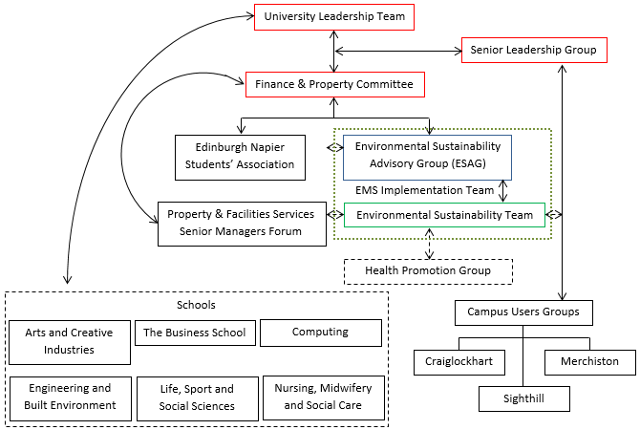
2b | How is climate change action managed and embedded in the organisation?
 | See diagram above in 2a. The University is a member of EcoCampus, supporting the development of an Environmental Management System. Gold EcoCampus status was gained in March 2015. We are aiming to achieve Platinum status, equivalent to ISO14001 by the end of the 2015/16 academic year. The EMS will ensure improved management of all environment aspects across the University through the implementation of appropriate policy, management plans and action.
 | <Insert Diagram Here>

 | Strategy
2c | Does the organisation have specific climate change mitigation and adaptation objectives in its corporate plan or similar document?
 | Provide a brief summary of objectives if they exist.
 | Wording of objective | Name of document
 | "We will be environmentally and financially sustainable and resilient". | Edinburgh Napier: Strategy 2020
 | "A curriculum that develops enterprise and employment skills within an international context, that encourages interdisciplinary learning and that fosters ethical understanding and environmental awareness". | Learning, Teaching and Assessment Strategy 2014 - 2020
 | "Achieve Platinum EcoCampus award". | Corporate Plan 2015/16

2d | Does the organisation have a climate change plan or strategy?
 | If yes, provide the name and/or link to any such document.
 | Environmental Sustainability Policy www.bit.ly/ENU-ES-Policy
2e | Does the organisation have any plans or strategies covering the following areas that include climate change?
 | Provide the name of any such document and the timeframe covered.
 | Topic area | Name of document | Time period covered | Comments
 | Adaptation | No
 | Business travel | Carbon Management Plan | 2008/09 to 2015/16
 | Staff Travel | Carbon Management Plan | 2008/09 to 2015/16
 | Energy efficiency | Carbon Management Plan | 2008/09 to 2015/16
 | Fleet transport | Carbon Management Plan | 2008/09 to 2015/16
 | ICT | No
 | Renewable energy | Carbon Management Plan | 2008/09 to 2015/16
 | Sustainable/renewable heat | Carbon Management Plan | 2008/09 to 2015/16
 | Waste management | Carbon Management Plan | 2008/09 to 2015/16
 | Water and sewerage | Carbon Management Plan | 2008/09 to 2015/16
 | Land Use | No
 | Other | N/A
2f | What are the organisation’s top 5 priorities for climate change governance, management and strategy for the year ahead?
 | Provide a brief summary of the organisation’s areas and activities of focus for the year ahead.
 | Gain ISO14001 and Platinum EcoCampus status. Fully develop and embed updated Environmental Sustainability Strategy. Embed environmental sustainability within existing policies and strategies where gaps of commitment exist. Embed environmental sustainability within the University community, through developing volunteering and other activities. Publish Estates Strategy.
2g | Has the organisation used the Climate Change Assessment Tool (a) or equivalent tool to self-assess its capability / performance?
 | If yes, please provide details of the findings of the self-assessment.
 | The CCAT tool can be accessed at http://www.resourceefficientscotland.com/resource/resource-efficient-scotland-climate-change-assessment-tool-ccat
 | (a) This refers to the tool developed by Resource Efficient Scotland for the purposes of self-assessing an organisation’s capability / performance in relation to climate change.
 | Performance has been historically assessed using the Carbon Trust Standard, Carbon Masters Standard and more recently through the Carbon Trust Water Standard. Wider tools such as Universities that Count and an assessment of the University Carbon Management Plan with the assistance of the Carbon Trust have also supported internal evaluation. Overall performance of environmental sustainability is now used following EcoCampus and periodic physical assessments linked to the development of an Environmental Management System. The Climate Change Assessment Tool has not been used to date.

 | Further information
2h | Supporting information and best practice
 | Provide any other relevant supporting information and any examples of best practice by the organisation in relation to governance, management and strategy.
 | The development of an Environmental Management System will ensure strong governance covering all significant environmental aspects. The EMS is encouraging greater integration of existing strategies within the University, including, for example, data protection and the overall management of data and resources within the University. The current Carbon Management Plan will be superseded by an Environmental Sustainability Strategy. The Strategy will cover all aspects of environmental management at the University. The Strategy will be completed once the updated Estates Strategy is launched within the 2015/16 year.

3 | Corporate Emissions, Targets and Project Data
 | Emissions
3a | Corporate emissions from start of baseline year to end of report year
 | Complete the table below using the greenhouse gas emissions total for the organisation calculated on the same basis as for its annual carbon footprint / management reporting or, where applicable, its sustainability reporting. Include greenhouse gas emissions from the organisation’s estate and operations (a) (measured and reported in accordance with Scopes 1 & 2 and, to the extent applicable, selected Scope 3 of the Greenhouse Gas Protocol (b). If data is not available for any year from the start of the baseline year to the end of the report year, provide an explanation in the comments column.
 | (a) No information is required on the effect of the organisation on emissions which are not from its estate and operations.
 | (b) This is the Greenhouse Gas Protocol developed by the World Resources Institute and the World Business Council on Sustainable Development which sets the global standard for how to measure, manage and report greenhouse gas emissions.
 | Reference year | Year | Year type | Scope 1 | Scope 2 | Scope 3 | Total | Units | Comments
 | Baseline carbon footprint | 2014/15 | Academic (September to August) | 2,245 | 4,624 | 3,183 | 10,052 | tCO2e
 | Year 1 carbon footprint | 2015/16 | Academic (September to August) |  |  |  | - | tCO2e
 | Year 2 carbon footprint | 2016/17 | Academic (September to August) |  |  |  | - | tCO2e
 | Year 3 carbon footprint | 2017/18 | Academic (September to August) |  |  |  | - | tCO2e
...

