Required section
Public Sector Climate Change Duties Reporting Template (excel format) - (v3.3 14/07/15)
1 | Organisational Profile
1a | Name of the organisation
 | Provide the name of the organisation that is the subject of this report (“the organisation”).
 | East Ayrshire Council
1b | Type of organisation
 | Select from the options below
 | Local Authority
1c | Number of FTE staff in the organisation
 | 6,214
1d | Alternative metrics used by the organisation
 | Specify any other metrics that the organisation uses to assess its performance in relation to climate change and sustainability.
 | Metric | Units | Value | Comments
 | Floor area | m2 | 331,349
 | Population size served | population | 122,440
1e | Overall budget of the organisation
 | Specify approximate £/annum for the report year.
 | £318,623,000.00
1f | Report year
 | Specify the report year e.g. 2015/2016.
 | 2014/15 (Financial year)
1g | Organisational context
 | Provide a summary of the organisation's nature and functions that are relevant to Climate Change reporting.
 | As the largest single employer in East Ayrshire, the Council recognises the importance of climate change. Leading by example we have ensured that our policies in terms of managing our assets, infrastructure and people take account of the need to reduce our carbon footprint and put in place plans to mitigate against the damaging effects of climate change. We have a large property estate and through effective energy management, we aim to reduce energy usage in our buildings. In terms of assets, the Council operates more than 500 vehicles and a number of initiatives are being taken forward in order to reduce the emissions from our transport fleet. Our procurement policies are also designed to ensure that the goods and services we buy are energy efficient and sustainably produced. The Council is also responsible for a large and varied range of services, including waste management, street lighting, housing and flood prevention; these are just some of the areas where our policies and programmes are designed to ensure that account is taken of climate change issues. In terms of the wider community, the Council consulted on the Main Issues Report for the Proposed Local Development Plan together with associated documents comprising the Monitoring Statement and Strategic Environmental Assessment. An overall aim of the new Local Development Plan will be ensuring that new development occurs in the most sustainable locations, taking into account the need to mitigate against climate change.

2 | Governance, Management and Strategy
 | Governance and management
2a | How is climate change governed in the organisation?
 | East Ayrshire Council has sound and effective governance to deliver a wide range of climate change related strategies. Programmes and activities are managed corporately via the Council's committee structure. Examples include, but are not restricted to, the following: Energy Strategy and Carbon Management Programme (Cabinet), Annual Climate Change Declaration (Cabinet), Windfarm Applications (Planning Committee), Revised waste recycling and collection agreements (Cabinet/Governance & Scrutiny Committee) and the Housing Improvement Programme (including energy efficiency measures) - Cabinet/Governance & Scrutiny Committee. Operationally, the Head of Facilities and Property Management fulfils an important role as the Council's 'Energy Champion'. The role of the Energy Champion is to raise awareness and stimulate activity within the Council, as well as advising and supporting opportunities for improvement. Like all Council services, Facilities and Property Management sets out an annual Service Improvement Plan, which includes some of the key actions relating to the climate change agenda. Whilst this service has defined corporate responsibilities for the co-ordination of mitigating measures and embedding climate change into council policies and strategies, responsibility for actions related to climate change is spread across relevant council services.
2b | How is climate change action managed and embedded in the organisation?
 | The Council's services are grouped into two strategic themes, each of which is headed up by a Depute Chief Executive. The strategic themes are Safer Communities and Economy and Skills. In addition, Legal, Procurement and Democratic Services falls under the remit of the Chief Governance Officer who reports directly to the Chief Executive. Within the two strategic themes, there are specific responsibilities which contribute to the Council's climate change objectives, Most of these are contained within Safer Communities. Safer Communities - overall responsibility for sustainability and climate change, carbon management, corporate asset management plan, energy management and carbon reduction delivery for all council properties, domestic energy efficiency and fuel poverty, property design including energy efficiency and renewables, planned maintenance including building energy management systems, transport planning including promotion of sustainable travel, roads and winter maintenance, street lighting, statutory flood management responsibilities, corporate responsibility for emergency and contingency planning, biodiversity and countryside management, waste management, fleet management, local Housing Strategy, housing investment including new builds and facilities management.
Source: Facilities and Property Management Service Improvement Plan 2015/16
 | 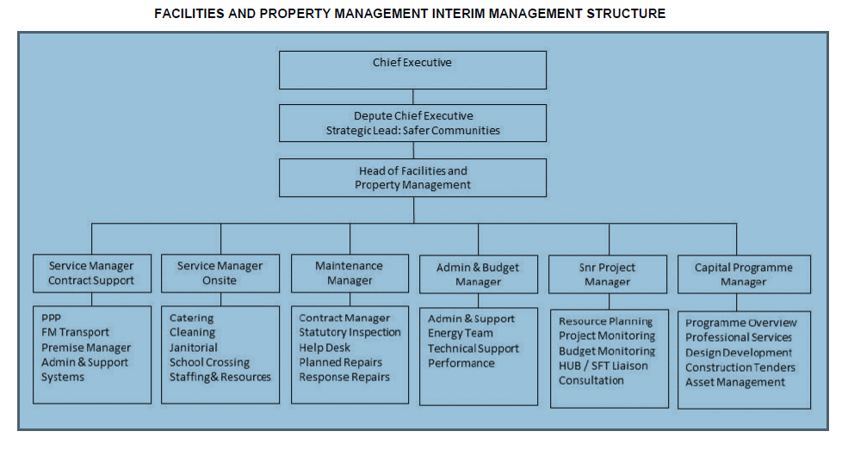

 | Strategy
2c | Does the organisation have specific climate change mitigation and adaptation objectives in its corporate plan or similar document?
 | Provide a brief summary of objectives if they exist.
 | Wording of objective | Name of document
 | The natural environment protected, conserved and enhanced, and the negative effects of climate change mitigated (local outcome) | East Ayrshire Single Outcome Agreement 2013-2015
 | Reduce energy use in the buildings we operate from | Energy Strategy and Carbon Management Programme
 | Reduce energy use in our housing stock
 | Contribute towards the aspirations of the 'Zero Waste Plan'
 | Reduce the energy requirements of our street lighting
 | Reduce emissions from transport fleet
 | Raise energy awareness
 | Ensure that we procure goods and services that are energy efficient
 | Monitor, report and review energy consumption
2d | Does the organisation have a climate change plan or strategy?
 | If yes, provide the name and/or link to any such document.
 | Yes. The Council's Energy Strategy and Carbon Management Programme outlines what the Council intends to do to meet our carbon footprint reduction aspirations. Within this document there are 8 key objectives that are linked to a detailed action plan, which reflects our key priorities and is underpinned by a comprehensive programme of works. This document has been reviewed and updated prior to its submission to the Council's Executive Management Team and Cabinet for approval.
2e | Does the organisation have any plans or strategies covering the following areas that include climate change?
 | Provide the name of any such document and the timeframe covered.
 | Topic area | Name of document | Time period covered | Comments
 | Adaptation | Flood Risk Management Strategy and Local Flood Risk Management Plan | 2016-22 | The Flood Risk Management (Scotland) Act 2009 requires the lead authority for each local plan district (which in this case is North Ayrshire Council for the Ayrshire Local Plan District) to prepare a local flood risk management strategy by December 2015 and the Local Flood Risk Management Plan by June 2016.
 | Business travel | Local Transport Strategy | 2014-20 | Via objective 5 of the Local Transport Strategy, the Council aims to encourage the integration of transport modes and promote greater use of public transport and other sustainable modes of transport. Further measures are being developed to encourage behaviour change in business and staff travel within the organisation. The current Local Transport Strategy contains a number of actions which are intended to address matters such as sustainable transport and to provide continued improvement in the transportation choices in East Ayrshire. In addition to these objectives the Local Transport Strategy promotes environmental improvement and health of the community through the promotion of cycling and walking both as a means of transport and as a leisure activity.
 | Staff Travel
 | Energy efficiency | Transformation Strategy | 2012-17 | Release efficiency savings resulting from implementation of energy saving measures across the Council's property estate. The property estate accounts for 71% of carbon emissions for the Council; energy costs themselves account for 60% of the overall running costs of our buildings.
 | Fleet transport | Fleet Asset Management Strategy | Ongoing | Aims to set standards for sustainable specification care and use, reduce the number of fleet assets to a sustainable level, monitor and report running costs and identify improvement opportunities.
 | ICT | ICT & Digital First Strategy | 2014-20 | Strategy seeks to ensure that ICT assets are disposed of in a responsible and sustainable manner, and are reused within the Council and wider community where possible. Recognition is also given to 'agile, home and flexible working'. The benefits of allowing employees to work from home, in certain circumstances, are many and include reduced emissions resulting from less commuting to and from the workplace. In addition to this, there currently exists within the council, good practice, whereby staff make use of technological solutions such as teleconferencing facilities in place of face to face meetings, where appropriate and webinars to conduct business. These measures may also support the reduction of carbon emissions through a reduction in staff business travel. Additionally, the Council will consider the potential impact of hardware solutions, implementing energy reduction techniques where appropriate, in accordance with our 'green' agenda.
 | Renewable energy | Energy Strategy and Carbon Management Programme | Ongoing | The Energy Management strand of the Strategy contains a commitment (Action 1.6) to develop the use of renewable energy. In introducing and developing these technologies to all relevant sectors across East Ayrshire Council, consideration will be given to solar, biomass, wind and other renewable solutions including district heating systems. The use of heat mapping will assist in the identification of potential installation options.
 | Sustainable/renewable heat | Energy Strategy and Carbon Management Programme | Ongoing | Assist in the reduction of energy consumption and carbon emissions within our operational properties.
 | Waste management | Transformation Strategy | 2012-17 | Release efficiency savings resulting from diversification of household waste from landfill and by maximising our recycling and composting rates. Continue to ensure compliance with Zero Waste (Scotland) Regulations. The Council has completed the roll out of its kerbside food and plastics collection service. With a comprehensive kerbside recycling service now fully implemented, the delivery of a residual waste treatment contract, the development of a Household Recycling Centre and bulking facility in the South area and the introduction of 3 weekly residual waste collections, the Council are progressing towards the national household waste recycling target of 60% by 2020.
...

