Required section
Public Sector Climate Change Duties Reporting Template (excel format) - (v3.3 14/07/15)
1 | Organisational Profile
1a | Name of the organisation
 | Provide the name of the organisation that is the subject of this report (“the organisation”).
 | Dumfries and Galloway Council
1b | Type of organisation
 | Select from the options below
 | Local Authority
1c | Number of FTE staff in the organisation
 | 5,500
1d | Alternative metrics used by the organisation
 | Specify any other metrics that the organisation uses to assess its performance in relation to climate change and sustainability.
 | Metric | Units | Value | Comments
 | Population size served | Population | 149940.00
 |  | #REF!
 |  | #REF!
 | Other (specify in comments) |  | 73,895 | Number of dwellings
1e | Overall budget of the organisation
 | Specify approximate £/annum for the report year.
 | £344,281,000.00
1f | Report year
 | Specify the report year e.g. 2015/2016.
 | 2014/15 (Financial year)
1g | Organisational context
 | Provide a summary of the organisation's nature and functions that are relevant to Climate Change reporting.
 | Public Body - Unitary Local Authority in 'West Scotland' as defined by the National Climate Information Centre. Dumfries & Galloway is a mostly rural region, with two hundred miles of coast line; 6,426 square kilometres; population 149,940 (2014); number of dwellings 73,895 (2014). The main towns are Dumfries and Locharbriggs (37,640 residents), Stranraer (10,380), Annan (8,450), Dalbeattie (4,190), Castle Douglas (4,160) and Lockerbie (4,100). All other settlements have populations of less than 4,000. In terms of accessibility two-fifths of the population live further than 30 minutes drive away from a large town. The council estate includes a wide range of properties and just under 1,000 hectares of land for which it has maintenance responsibilities. Services are provided from approximately 425-500 properties with about 250-300 considered major facilities e.g. schools, leisure centres, libraries, offices, museums, harbours and depots located in all corners of the region, concentrated in the main population centres. There are 1983 Km of Core Paths in the region. The council is the Strategic Housing Authority, however the majority of the social housing responsibility for the region is met by Registered Social Landlords. The region has four areas, Annandale & Eskdale, Nithsdale, Stewartry and Wigtownshire each with a council area committee with delegated remit and responsibilities. Our Council priorities:- http://www.dumgal.gov.uk/index.aspx?articleid=8841

2 | Governance, Management and Strategy
 | Governance and management
2a | How is climate change governed in the organisation?
 | The council is a key partner in the Dumfries and Galloway Strategic Partnership and the delivery of the region's Single Outcome Agreement 2013-2016. The SOA's vision is shared by all the partners who have given their firm and unequivocal pledge to realising it. Priority 6 has 4 ambitions for the environment, and Priority 5 has ambitions for community and individual resilience. Oversight of the SOA is the responsibility of the Strategic Partnership and perfomance is reported publicly on a 6 monthly basis including specific indicators on carbon emmissions and energy consumption that are supported by narrative giving context to the indicators. There is annual scrutiny of Priority 6 by the Community Planning Executive Group which in turn reports the outcome of their scrutiny to the Strategic Partnership. The Strategic Partnership hosted a workshop on Carbon in November 2014 that included a number of recommendations to be taken forward. The detailed membership, remit and working arrangements and are detailed in the Governance, Operating and Financial Framework, which can be found here:- http://www.dumgal.gov.uk/commplan/index.aspx?articleid=10715 The elected Members of the Council have made clear their commitment to climate change mitigation and carry out their governance duties on an on-going basis. In 2012 the Council re-signed the Scottish Climate Change Declaration for the organisation and the region, and signed up to the Covenant of Mayor’s programme . This Covenant pledges the council will strive to achieve the European target of a 20% cut in greenhouse gases across the region by 2020. Our Council's priorities, since October 2014, have been: •Build the local economy •Provide the best start in life for all our children •Protect our most vulnerable people •Be an inclusive council. Decisions are made based on
 | 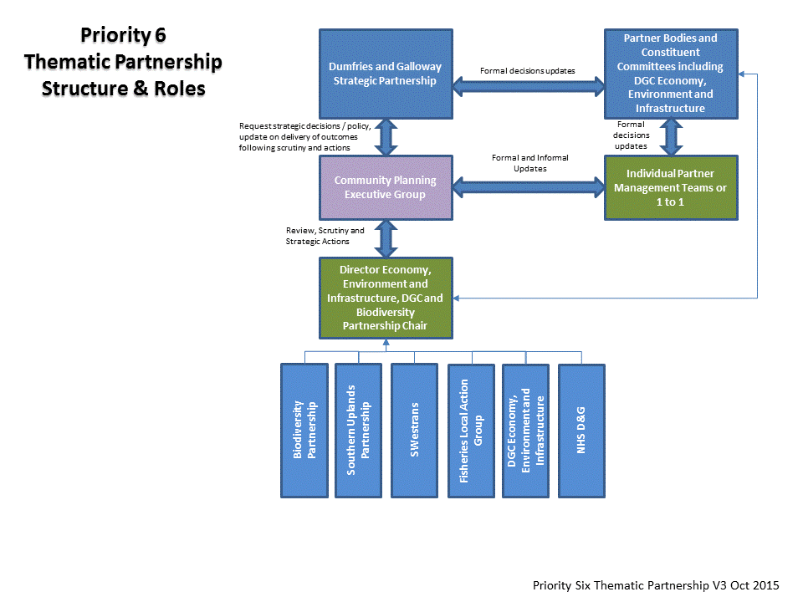 D&G Strategic Partnership - Priority 6
2b | How is climate change action managed and embedded in the organisation?
 | The Single Outcome Agreement 2013-2016 has five principles to guide partners to achieve the partnership's vision for the Single Outcome Agreement including "Sustainability - ensuring long-term economic, social and environmental wellbeing". The vision will be delivered by the community partners, including the council, through the six priorities. Priority 6 'We will protect and sustain our environment' is in the process of setting up a thematic partnership led jointly by the Director Economy, Environment and Infrastructure, D&G Council and Chair of the D&G Biodiversity Partnership. Many of the Council's strategies and policies are influenced by climate change specifically CMP2 which aims to ensure that all six of the Council's former Departments work together to meet carbon reduction targets by devolving the responsibility of energy use to each service (diagram below). Each of the six Departments has a Business Plan which includes commitments to reduce carbon emissions and be energy efficient, assess service sustainability and plan for improvement. An impact assessment is carried out on all of the six Business Plans. For example - Each school is devolved their own energy budget with the aim of the cash incentive motivating an improvement and subsequent reduction in emissions allowing schools to lead their own climate change action. (Schools are an important area as they make up such a large part of the Council estate). It is a requirement to report progress on a six monthly basis on business plans to Service Committees and quarterly to Council Corporate Management Team on the Corporate management indicators. A computer based Covalent system is the tool for recording and reporting progress. The SDECM (Sustainable Development and Energy Carbon Management) Team report progress on the implementation of CMP2 to the EEIC (Environment Economy and Infrastructure Committee) annually. All reports to council committees for decisions on policy, strategy, plan,
 | 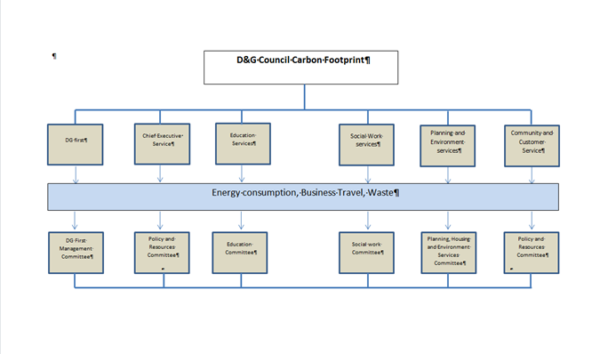 Diagram is figure 7 from CMP2 p34 Note says "At the time of writing CMP2, only devolvement of carbon emissions associated with energy consumption in buildings had been proposed"

 | Strategy
2c | Does the organisation have specific climate change mitigation and adaptation objectives in its corporate plan or similar document?
 | Provide a brief summary of objectives if they exist.
 | Wording of objective | Name of document
 | We will protect and sustain our environment | Dumfries and Galloway Single Outcome Agreement 2013-16 http://www.dumgal.gov.uk/CHttpHandler.ashx?id=216 page 9
 | We will be a carbon reducing region | Dumfries and Galloway Single Outcome Agreement 2013-16 http://www.dumgal.gov.uk/CHttpHandler.ashx?id=216 page 9
 | We will improve the accessibility of transport | Dumfries and Galloway Single Outcome Agreement 2013-16 http://www.dumgal.gov.uk/CHttpHandler.ashx?id=216 page 9
 | We will be a resource efficient region | Dumfries and Galloway Single Outcome Agreement 2013-16 http://www.dumgal.gov.uk/CHttpHandler.ashx?id=216 page 9
 | Our landscape, natural and built environment will be sustainably managed | Dumfries and Galloway Single Outcome Agreement 2013-16 http://www.dumgal.gov.uk/CHttpHandler.ashx?id=216 page 9
 | We will protect and sustain our environment | Council priority 6 until September 2014 http://www.dumgal.gov.uk/CHttpHandler.ashx?id=16897&p=0 page 31

2d | Does the organisation have a climate change plan or strategy?
 | If yes, provide the name and/or link to any such document.
 | Climate Change Mitigation Plan:- D&GC Carbon Management Plan 2 and Climate Change Action Plan (known as CMP2) http://www.dumgal.gov.uk/CHttpHandler.ashx?id=4566&p=0

2e | Does the organisation have any plans or strategies covering the following areas that include climate change?
 | Provide the name of any such document and the timeframe covered.
 | Topic area | Name of document | Time period covered | Comments
 |  | Dumfries and Galloway Single Outcome Agreement | 2013-16 | Regional - current climate
 | Adaptation - overall | under development
 |  | D&GC Business Continuity Plans | Bi-annual review | Organisation - Risk assessment current climate
 |  | Galloway and Southern Ayrshire Biosphere “Climate Ready Biosphere Vision” | in preparation | Partnership for Area - future climate uses Projections:- UKCP09 High Emissions (A1F1)
 | Adaptation - Natural Environment | D&G Local Biodiversity Action Plan (LBAP) | 2009 | DGC lead - Regional - future climate
 |  | D&G Draft Open Space Strategy | 2014- 2019 | Regional - current climate
 |  | D&G's Core Paths Plan | 2013 | Regional - current climate
 |  | Open Outdoors D&G Countryside Access Strategy | 2012-2017 | Regional - current climate
 |  | 3 National Scenic Areas Management Strategies | 2003 | Regional - future climate
 | Adaptation - Buildings and Infrastructure networks | Local Development Plan | 2014-2019 | Regional - future climate
 |  | Statutory and other Supplementary Guidance |  | Regional - future climate
 |  | Roads Asset Management Plan | 2010 | Regional - future climate Section 1 p11, current work to prepare RAMP2
 |  | Solway draft Flood Risk Management Plan | in preparation 2016-2022 | Regional - Risk assessment future climate - based on CC projections used by SEPA
 |  | Shoreline Management Plan | 2005 | Regional - currently seeking guidance on best approach for review
 | Adaptation - Society | D&G Anti-Poverty Strategy | in development for 2015-2020 | Regional Resilience - current climate
 |  | Children's Services Plan | Mar 2015 - Sep 2016 | Regional Resilience - current climate
 |  | D&G Major Emergency Scheme partner arrangements | 2013 | Regional Resilience - current climate
 | Business travel | Carbon Management Plan 2 and Climate Change Action Plan | 2012-2015 | Organisation
 | Staff Travel | Policy for home-working and agile-working | ongoing | Organisation
 |  | Swestrans Regional Transport Strategy | 2008 | Regional - Influences staff travel
 |  | Rural Transport Solutions Project | 2013/14 | Regional - Influences staff travel
 |  | Go Smart Dumfries and Galloway Project |  | Regional - Influences staff travel
 |  | D&G Local Transport Strategy | agreed 11.11.14 | DGC Lead - Regional - Influences staff travel
 |  | D&G Active Travel Strategy | in development | Regional - Influences staff travel
 | Energy efficiency | Carbon Management Plan 2 and Climate Change Action Plan | 2012-2015 | Organisation
 |  | D&G Local Housing Strategy | 2011-2016 | Regional
 |  | Street Lighting Spend to Save | 2013-2021 | Emissions reduction Organisation - wider benefits Regional
 |  | Local Development Plan | 2014-2019 | Regional - future climate
 | Fleet transport | Fleet Asset Management |  | Organisation
 |  | Fleet Review |  | Organisation
 | ICT | centrally controlled power management | in preparation | Organisation
 |  | Corporate Print Strategy | in preparation | Organisation
 | Renewable energy | Bio Mass Heating and Solar PV (Phase 2) |  | Organisation
 |  | 100%RES Communities SEAP | 2012 - 2014 | Regional
 | Sustainable/renewable heat | Bio Mass Heating and Solar PV (Phase 2) |  | Organisation
 | Waste management | Carbon Management Plan 2 and Climate Change Action Plan | 2012-2015 | Organisation
 |  | Waste Resource Management Strategy | 2011-2020 | Regional
 |  | Waste Prevention Strategy | 2006 | Regional
 | Water and sewerage | Carbon Management Plan 2 and Climate Change Action Plan | 2012-2015 | Organisation
 | Land Use | Local Development Plan | 2014-2019 | Regional
 |  | Statutory and other Supplementary Guidance |  | Regional
 |  | Renewable Energy Action Plan |  | Regional
 | Other | Corporate Procurement Strategy 2014 – 2017 | 2014-2017 | Organisation
 |  | D&G Draft Regional Economic Strategy | 2015 - 2020 | Regional
 |  | D&G Regional Tourism Strategy | 2011 - 2016 | Regional

2f | What are the organisation’s top 5 priorities for climate change governance, management and strategy for the year ahead?
 | Provide a brief summary of the organisation’s areas and activities of focus for the year ahead.
 | Explore ways of extending joint working with partner organisations particularly through the Community Planning Partnership structures. Adaptation - progress with "Five Steps to managing your climate risks" - target to complete steps 2 and 3, alongside preparation for 4 and 5; Update Carbon Management Plan for 2016-2020; Improve the guidance for and application of Impact Assessments in council decision making processes; Ensure Reshaping of the Council continues to embed mitigation, adaptation and sustainability in service business plans
...
6 | Validation and Declaration
6b | Peer validation process
 | Briefly describe the organisation’s peer validation process, if any, of the data or information contained within this report.
 | At present we have no peer review process in place overall but gas and electricity data is externally validated through the CRC process and waste emissions via SEPA. We are however considering peer review with partner authorities through SSN or SEON for future years. At present our criteria would be to work with other mainly rural authorities and the Ayrshires /Borders would be ideal partners in that process.
6c | External validation process
 | Briefly describe the organisation’s external validation process, if any, of the data or information contained within this report.
 | At present the only external validation of data relates to CRC returns (gas and electricity). We are hoping that guidance will be forthcoming on how to address external validation once the first year's reports have been assessed by SSN/SG
6d | No Validation Process
 | If the organisation has not undergone any peer or external validation that relates to the information in this report, indicate this in the space provided and the reasons why this has not been undertaken.
 | The plan is to develop either a peer or external review process based on best practice established in the assessment of the first year's reports.
6e | Declaration
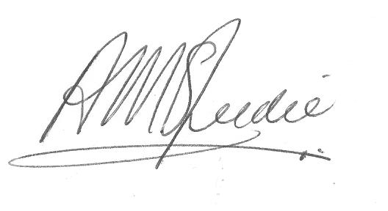
 | We confirm that the information in this report is accurate and provides a fair representation of the organisation’s performance in relation to climate change.
 | Name: | Alistair M Speedie
 | Role in the organisation: | Director Economy Environment & Infrastructure
 | Date: | 24-Nov-15
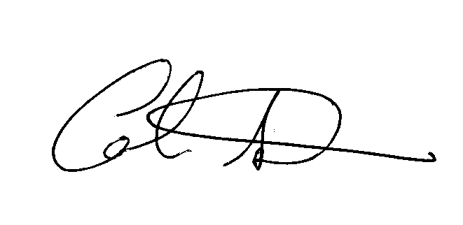
 | Name: | Cllr Colin Smyth
 | Role in the organisation: | Chairman Economy Environment & Infrastructure Committee
 | Date: | 24-Nov-15

