Required section
Public Sector Climate Change Duties Reporting Template (excel format) - (v3.3 14/07/15)
1 | Organisational Profile
1a | Name of the organisation
 | Provide the name of the organisation that is the subject of this report (“the organisation”).
 | Aberdeen City Council
1b | Type of organisation
 | Select from the options below
 | Local Authority
1c | Number of FTE staff in the organisation
 | 7989
1d | Alternative metrics used by the organisation
 | Specify any other metrics that the organisation uses to assess its performance in relation to climate change and sustainability.
 | Metric | Units | Value | Comments
 |  | #N/A
 |  | #N/A
 |  | #N/A
 | Other (specify in comments)
1e | Overall budget of the organisation
 | Specify approximate £/annum for the report year.
 | £429,929,000.00
1f | Report year
 | Specify the report year e.g. 2015/2016.
 | 2014/15 (Financial year)
1g | Organisational context
 | Provide a summary of the organisation's nature and functions that are relevant to Climate Change reporting.
 | As a Local Authority Aberdeen City Council has a strong role to play in: reducing emissions from it's own estate and a wide range of services including buildings, transport, land use and waste; driving and influencing emission reduction across the city; and managing risk and building resilience to a changing climate.

2 | Governance, Management and Strategy
 | Governance and management
2a | How is climate change governed in the organisation?
 | At the start of this reporting period the majority of reporting was done by Planning and Sustainable Development, through the former Enterprise, Strategic Planning and Infrastructure Committee. Under restructuring this was moved to the Communities, Housing and Infrastructure Committee. However, dependent upon the topic, reporting can be done through other committees including Audit, Risk and Scrutiny Committee, Finance, Policy and Resources Committee and Full Council.
 | 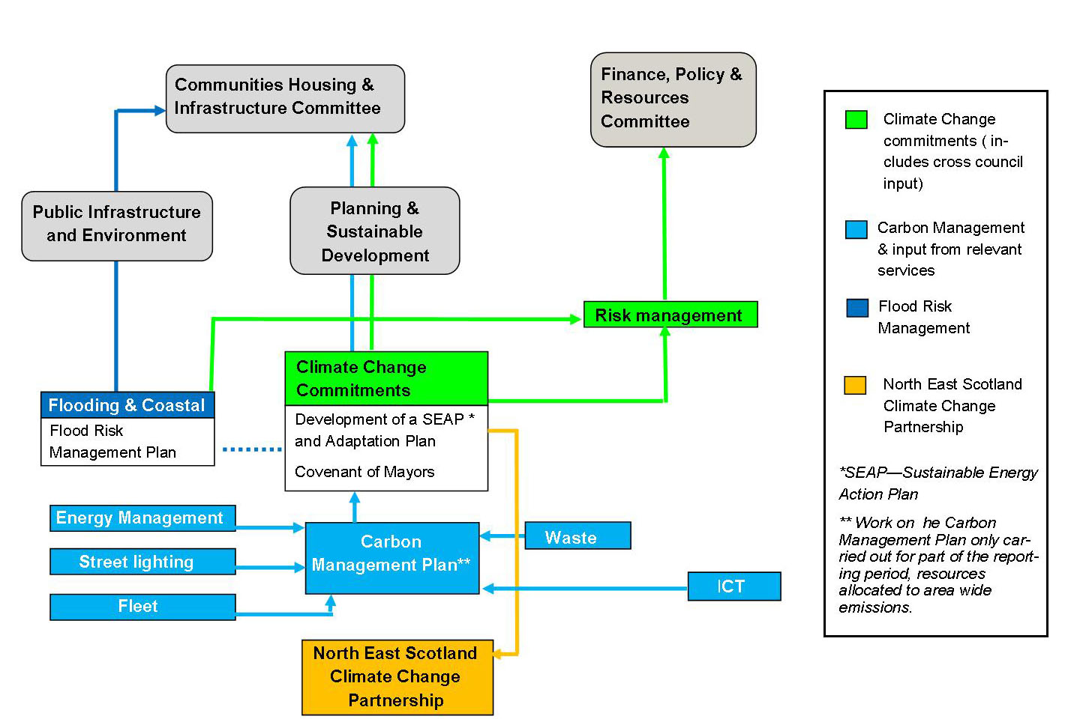
2b | How is climate change action managed and embedded in the organisation?
 | The Council’s Planning and Environmental Policy Team, in Planning & Sustainable Development, has a specific remit for climate change and plays a role in coordinating mitigation measures and embedding climate change into council policies and strategies. The team coordinated the Carbon Management Plan, until work ceased on this activity to concentrate on wider emissions (please note the Carbon Management Team only existed for part of the reporting period), in the form of a Sustainable Energy Action Plan. The team is also presently responsible for collating emissions data for reporting purposes and provides this as a bulletin paper on an annual basis. However, responsibility for actions related to climate change is spread across relevant council services, as indicated in the diagram. Asset Management and Operations oversee building conditions and undertake surveys, working closely with the Energy Management Unit and Building Services/Maintenance to bring buildings up to standard and perform better in relation to energy efficiency. This work is done on an ongoing basis. The Energy Management Team is responsible for overseeing collation of the data behind the Carbon Reduction Commitment and report on this externally on an annual basis. The Waste Management Team is responsible for overseeing collation of waste data returns for domestic and trade waste collections, they report to SEPA on this on an annual basis. The Local Development Plan Team is responsible for providing the strategic direction for city development, including incorporation of sustainability principles. They also oversee development of supplementary guidance. The Local Development Plan is reviewed on a five yearly cycle and is reported to what is now the Communities, Housing and Infrastructure Committee. All Council plans, policies and strategies undergo Strategic Environmental Assessment to assess their environmental impact, this includes addressing climate change. Activities to develop a Flood Risk Mana
 | 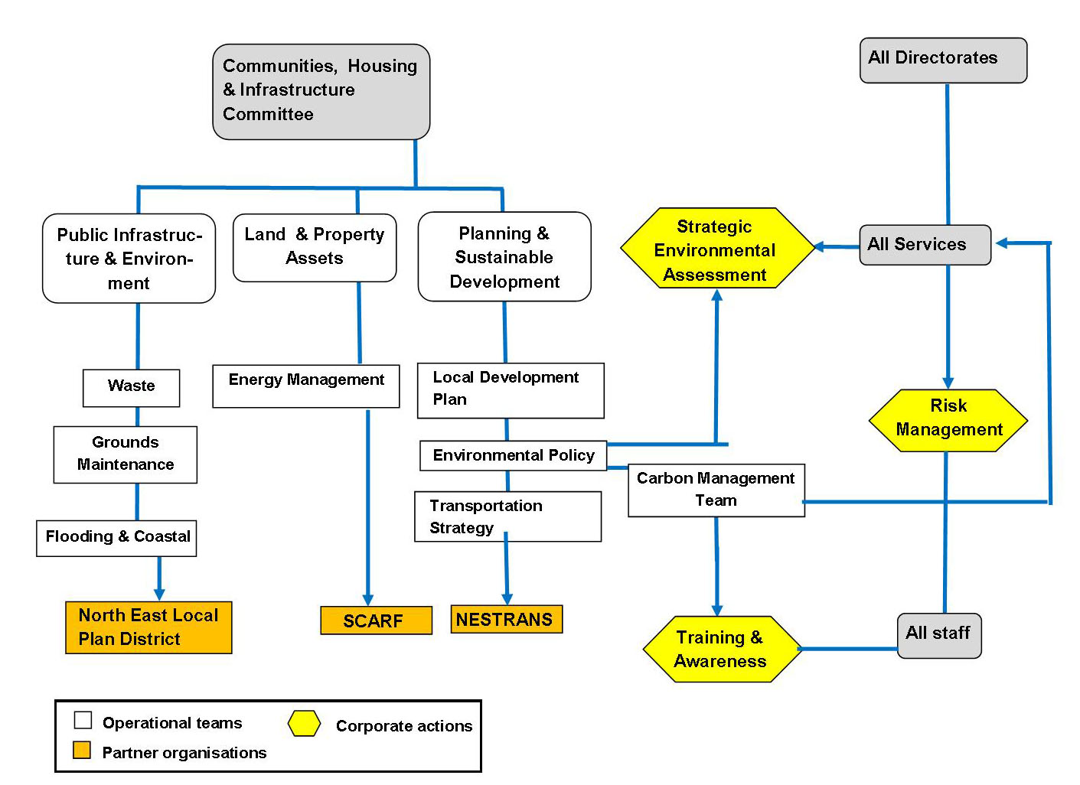

 | Strategy
2c | Does the organisation have specific climate change mitigation and adaptation objectives in its corporate plan or similar document?
 | Provide a brief summary of objectives if they exist.
 | Wording of objective | Name of document
 | We will design and construct all new infrastructure to be energy efficient by maximising the use of low carbon technology and materials. Increase sustainable economic growth for the benefit of all citizens through support of national outcomes. | 5 Year Business Plan, http://www.aberdeencity.gov.uk/NextFiveYears/nfy_home.asp
 | Reduce Aberdeen City Council’s annual energy consumption and associated carbon emissions in line with the Council’s Carbon Management Plan 2010-2015. | Alternative Energy Strategy for Council Owned Buildings, Section 1, page 3 http://www.aberdeencity.gov.uk/nmsruntime/saveasdialog.asp?lID=42070&sID=904 Carbon Management Plan, Section 2.3, page 10 http://www.aberdeencity.gov.uk/planning_environment/environmental/your_environment/cma_carbonmanagement.asp
 | We will design and construct all new infrastructure to be energy efficient by maximising the use of low carbon technology and materials. We will use recycled materials where appropriate. We will increase energy efficiency and introduce carbon reduction measures in our processes and our housing and non-housing assets to reduce our carbon footprint, save money and to bring people out of fuel. We will manage waste effectively and in line with UK and European legislative requirements by maximising recycling and reducing waste to landfill, thereby reducing our costs and carbon footprint. We will provide and promote a sustainable transport system, including cycling, which reduces our carbon emissions. | Aberdeen - A Smarter City. This is the administrations policy statement. These objectives come under the Smarter Environment (Natural Resources) theme. http://www.aberdeencity.gov.uk/council_government/about_us/about_us.asp
 | Aims to take on the urgent challenges of sustainable development and climate change.To be a city/region which takes the lead in reducing the amount of carbon dioxide released into the air, adapts to the effects of climate change and limits the amount of non-renewable resources it uses. | Aberdeen City and Shire Strategic Development Plan, section 2, page 6 http://www.aberdeencityandshire-sdpa.gov.uk/DevelopmentPlan/DevPlan.asp
 | Aberdeen 2022 – being the city we love to live in: a socially, economically and environmentally sustainable and great city. | Community Plan and Single Outcome Agreement (currently under review) http://www.gov.scot/Resource/0042/00420885.pdf
 | To reinforce our place, now and in the future as the energy city by further enhancing the region’s economic competitiveness, maximising the capacity and value of renewable energy and giving greater energy security by being at the forefront of a hydrogen economy. | Hydrogen Strategy for Aberdeen City Region 2015-2025, Part 2, page 16 http://www.hytrec.eu/Resources/Resources.aspx
 | A connected city in respect of infrastructure and people and a light of the north in relation to the environment. | City Centre Master Plan, page 18 http://www.aberdeencity.gov.uk/nmsruntime/saveasdialog.asp?lID=63586&sID=25779
 | It is necessary to improve air quality in Aberdeen to protect the health of the City’s inhabitants. | Air Quality Action Plan 2011 http://www.aberdeencity.gov.uk/nmsruntime/saveasdialog.asp?lID=56878&sID=5034
 | Emphasis is placed on addressing poor air quality, noise and emissions from congestion and traffic growth. | Local Transport Strategy http://www.aberdeencity.gov.uk/nmsruntime/saveasdialog.asp?lID=62886&sID=2866
 | Transport masterplanning looking to reduce air pollution and emissions. | Sustainable Urban Mobility Plan http://www.aberdeencity.gov.uk/SUMP/
 | Aligns with Zero Waste Plan targets | Aberdeen Waste Strategy 2014-2025, section 3, page 7 http://www.aberdeencity.gov.uk/nmsruntime/saveasdialog.asp?lID=56656&sID=24896
 | Recognise the economic, environmental and social value of open spaces and maximise opportunities to mitigate and adapt to climate change and further biodiversity. | Aberdeen Open Space Strategy 2011-2016, objectives 2 and 8 http://www.aberdeencity.gov.uk/nmsruntime/saveasdialog.asp?lID=42832&sID=11561
 | Key goals and growth sectors. | Shaping Aberdeen, Pages 12 and 17 details the key goals and growth sectors. http://committees.aberdeencity.gov.uk/documents/s33119/Strategic%20Infrastructure%20Plan.pdf
 | Key theme 7 - Actively promote our offer and the transition to a low carbon economy. | City Regional Deal
2d | Does the organisation have a climate change plan or strategy?
 | If yes, provide the name and/or link to any such document.
 | No plan or strategy was in place during 2014 - 2015, however, they were and are still being developed. This includes a plan for climate adaptation that can guide decision making processes over the long term and build city resilience. This will sit alongside Powering Aberdeen, the city's Sustainable Energy Action Plan to ensure work to manage the impacts of a changing climate take place alongside actions to reduce emissions. There is also cross over with many of the strategies highlighted within 2c, alongside the ongoing work arising from Future/Smart Cities and digital transformation. Work is ongoing to develop an ICT strategy that will incorporate climate change considerations.
2e | Does the organisation have any plans or strategies covering the following areas that include climate change?
 | Provide the name of any such document and the timeframe covered.
 | Topic area | Name of document | Time period covered | Comments
 | Adaptation | See responses within section 4. |  | Adaptation Plan and Risk Assessment is in current development.
 | Business travel |  |  | This is incorporated within the travel plan under four policy areas as opposed to a specific policy on business travel.
 | Staff Travel | Council Travel Plan | Developed in 2001. | Surveys are conducted every 2 years since 2008. The travel plan itself has not recently been refreshed due to resource constraints.
 | Energy efficiency | Local Housing Strategy | 2012 - 2017 | Outlines housing strategic approach to fuel poverty, energy efficiency and climate change
 | Fleet transport | Fleet Asset Management Plan | 2013 | Emission reduction/ alternative fuels
 | ICT |  |  | No ICT strategy exists, however one is being developed this year.
 | Renewable energy | Alternative Energy Strategy for Council Owned Buildings
 | Sustainable/renewable heat
 | Waste management | Internal Waste Minimisation Plan | 2013
 | Water and sewerage
 | Land Use | Aberdeen Local Development Plan | 2012 - 2017 | Currently under review
 | Housing | Local Housing Strategy | 2012-2017
 | Open Space Audit and Strategy | Aberdeen Open Space Strategy | 2011 - 2016 | Currently under review
 | Nature Conservation Strategy | Nature Conservation Strategy | 2010 - 2015 | Currently under review
 | Transport Strategy | Local Transport Strategy | 2008 - 2012 | Currently under review
2f | What are the organisation’s top 5 priorities for climate change governance, management and strategy for the year ahead?
 | Provide a brief summary of the organisation’s areas and activities of focus for the year ahead.
 | It's important to state that the Council does not have an over-arching sustainability strategy, therefore the priorities indicated have been provided from the view of officers within the Planning and Environmental Policy team. These are not listed in order of priority and many other areas are equally important but have not been included. • Approval of Powering Aberdeen, our city's Sustainable Energy Action Plan. This covers many areas such as transport, waste, energy, construction and planning etc. • Ongoing development of an Adaptation Plan. • Review of the Community Planning and Single Outcome Agreement arrangements. • Sustainable Procurement activities aligning to the requirements of the Public Reform Act, Community Benefits and flexible frameworks. • Review of policies and progression of an environmental management system.
...

