Required section
Public Sector Climate Change Duties Reporting Template (excel format) - (v3.3 14/07/15)
1 | Organisational Profile
1a | Name of the organisation
 | Provide the name of the organisation that is the subject of this report (“the organisation”).
 | Perth & Kinross Council
1b | Type of organisation
 | Select from the options below
 | Local Authority
1c | Number of FTE staff in the organisation
 | 2815
1d | Alternative metrics used by the organisation
 | Specify any other metrics that the organisation uses to assess its performance in relation to climate change and sustainability.
 | Metric | Units | Value | Comments
 |  |  |  | None
 |  |  |  | None
 |  |  |  | None
 | Other (specify in comments)
1e | Overall budget of the organisation
 | Specify approximate £/annum for the report year.
 | £331,012,000.00
1f | Report year
 | Specify the report year e.g. 2015/2016.
 | 2014/15 (Financial year)
1g | Organisational context
 | Provide a summary of the organisation's nature and functions that are relevant to Climate Change reporting.
 | Under the Climate Change (Scotland) Act 2009 the Council has a duty relating to climate change and, in exercising its functions must act: • in the way best calculated to the delivery of the Act’s emissions reduction targets; • in the way best calculated to deliver any statutory adaptation programmes; and • in a way that it considers most sustainable. The Council has a good record in climate change reporting, having previously produced 6 annual progress reports to COSLA (via SSN) in relation to the Scottish Climate Change Declaration.

2 | Governance, Management and Strategy
 | Governance and management
2a | How is climate change governed in the organisation?
 | Perth and Kinross Council became a signatory to Scotland’s Climate Change Declaration (SCCD) on 17th January 2007. Across Perth and Kinross climate change is viewed as an area wide issue and is addressed by the Community Planning process through the Community Safety and Environment Outcome Delivery Group (CSEO). The CSEO was established in January 2014 to take action on specific local outcomes and milestones outlined in the Perth and Kinross Community Plan/Single Outcome Agreement 2013-2023. This is done through the development and monitoring of the Community Safety and Environment Group Outcome Delivery Plan, on which progress is reported every six months to the Community Planning Partnership Board.

2b | How is climate change action managed and embedded in the organisation?
 | The Council’s Corporate Management Group (Directors and Heads of Service) adopted the role of corporate sustainable development champion in 2008, with climate change being addressed as part of sustainable development. Currently, the Head of Planning and Development is the designated lead officer for corporate sustainable development and climate change within the Council. Co-ordination of the Council's commitments under the Scottish Climate Change Declaration (SCCD) is part of the remit of the Sustainability, Policy and Research Team based in Planning and Development. The Council's Energy Management Team also has a key role and substantial involvement in the process, with both teams having previous joint responsibility for the Carbon Management Plan (which expired in 2012). Corporate Sustainable Development Framework - developed to ensure the Council considers, integrates and balances specified sustainable development principles throughout its organisational operation, service delivery and decision-making. Three of the framework’s 30 Principles for Sustainable Development (SDP) relate specifically to climate change: • Efficient use of resources now and in the future in the built environment and service provision (e.g. energy efficiency, land, water resources, flood defence, waste minimisation etc.) • Mitigation and adaptation to manage the impact of climate change & reduce the production
 | 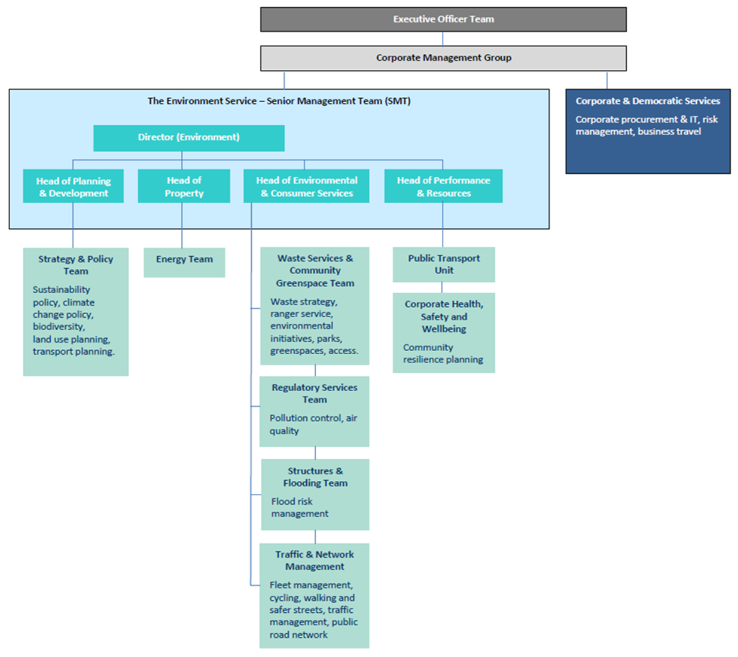

 | Strategy
2c | Does the organisation have specific climate change mitigation and adaptation objectives in its corporate plan or similar document?
 | Provide a brief summary of objectives if they exist.
 | Wording of objective | Name of document
 | Protect and enhance the natural and built environment through planning frameworks that support sustainable development and design | Perth & Kinross Council Corporate Plan 2013 - 2018, Local Outcome: Attractive Welcoming Environment, page 22

 | Decrease the carbon footprint within Perth and Kinross by reducing the carbon emissions from our organisation and in the community
 | Manage municipal waste and increase recycling and composting rates | Perth & Kinross Corporate Plan 2013-2018
 | Reduce fuel poverty amongst social and private sector households by maximising income and through measures to reduce energy consumption | Perth & Kinross Council Corporate Plan 2013 - 2018, Local Outcome: Longer, Healthier lives for all, page 19
 | Introduction of a range of home energy efficiency initiatives including ‘Green Deal’ in Perth and Kinross | Perth and Kinross Community Plan/Single Outcome Agreement 2013-2023, Local Outcome: Attractive, Welcoming Environment, page 35
 | Enhanced and protected natural and built environment through planning frameworks that support sustainable development and design
 | Reduced carbon footprint within Perth and Kinross by reducing the carbon emissions and working with communities to maximise their uptake of energy reduction initiatives | Perth and Kinross Community Plan/Single Outcome Agreement 2013-2023
2d | Does the organisation have a climate change plan or strategy?
 | If yes, provide the name and/or link to any such document.
 | No
2e | Does the organisation have any plans or strategies covering the following areas that include climate change?
 | Provide the name of any such document and the timeframe covered.
 | Topic area | Name of document | Time period covered | Comments
 | Adaptation | Perth and Kinross Local Development Plan | 2014-2024 | Policy PM1A. Development must contribute positively, to the quality of the surrounding built and natural environment. All development should be planned and designed with reference to climate change, mitigation and adaptation.
 | Business travel | TACTRAN Regional Transport Strategy | 2008-2023 | Issue Env 1. Need to contributeto reducing climate change/global warming (marked as very important).
 | Staff Travel | TACTRAN Regional Transport Strategy | 2008-2023 | Issue Env 1. Need to contributeto reducing climate change/global warming (marked as very important).
 | Energy efficiency | Perth and Kinross Local Housing Strategy | 2011-2016 | The strategy has a remit to improve housing design and energy efficiency and in doing so making a contribution to reducing energy consumption and ‘green house’ gas emissions.
 | Fleet transport
 | ICT | Perth & Kinross Council ICT Strategy |  | “Our aim is to reduce the overall Carbon impact of ICT operations.”Objective: • Measurable steps are made in meeting the challenge of improved energy efficiency.
 | Renewable energy | Perth and Kinross Local Development Plan | 2014-2024 | Policy ER1. Supports proposals for the utilisation, distribution and development of renewables and low carbon sources of energy
 | Sustainable/renewable heat | Perth and Kinross Local Development Plan | 2014-2024 | Supports potential provision of district heating systems and CHP
 | Waste management | Perth & Kinross Waste Management Plan | 2010-2025
 | Water and sewerage
 | Land Use | TAYplan - Strategic Development Plan | 2012-2016 | Specific policies include: Policy 2- Shaping better quality places; Policy 3-Managing TAYplan's Assets; Policy 4-Strategic Development Areas; Policy 6-Energy and Waste/Resource Management Infrastructure
 |  | Perth and Kinross Local Development Plan | 2014-2024 | Specific policies include: PM1A-Placemaking; EP1-Climate Change, Carbon Reduction and Sustainable Construction; EP2-New Development and Flooding
 | Other | Tayside Biodiversity Partnership Action Plan | 2002-2015. Currently under review. | Addresses the impacts of climate change on biodiversity, and the role of ecosystems in adapting to climate change
2f | What are the organisation’s top 5 priorities for climate change governance, management and strategy for the year ahead?
 | Provide a brief summary of the organisation’s areas and activities of focus for the year ahead.
 | • Develop renewable energy supplementary planning guidance for Perth and Kinross. • Develop zero waste supplementary planning guidance. • A review of the carbon management plan • Produce a strategy to assess the risks and opportunities for the Council and our communities of predicted climate change scenarios and impacts • Set up processes to incorporate statutory guidance for compliance with duties under the Procurement Reform (Scotland) Act 2014, to assess climate change risks and opportunities for contract or framework development.
2g | Has the organisation used the Climate Change Assessment Tool (a) or equivalent tool to self-assess its capability / performance?
 | If yes, please provide details of the findings of the self-assessment.
 | The CCAT tool can be accessed at http://www.resourceefficientscotland.com/resource/resource-efficient-scotland-climate-change-assessment-tool-ccat
 | (a) This refers to the tool developed by Resource Efficient Scotland for the purposes of self-assessing an organisation’s capability / performance in relation to climate change.
 | CCAT traffic light assessment rates all sections as amber for progress, with an overall score of 39%.

 | Further information
2h | Supporting information and best practice
 | Provide any other relevant supporting information and any examples of best practice by the organisation in relation to governance, management and strategy.

3 | Corporate Emissions, Targets and Project Data
 | Emissions
3a | Corporate emissions from start of baseline year to end of report year
 | Complete the table below using the greenhouse gas emissions total for the organisation calculated on the same basis as for its annual carbon footprint / management reporting or, where applicable, its sustainability reporting. Include greenhouse gas emissions from the organisation’s estate and operations (a) (measured and reported in accordance with Scopes 1 & 2 and, to the extent applicable, selected Scope 3 of the Greenhouse Gas Protocol (b). If data is not available for any year from the start of the baseline year to the end of the report year, provide an explanation in the comments column.
 | (a) No information is required on the effect of the organisation on emissions which are not from its estate and operations.
 | (b) This is the Greenhouse Gas Protocol developed by the World Resources Institute and the World Business Council on Sustainable Development which sets the global standard for how to measure, manage and report greenhouse gas emissions.
 | Reference year | Year | Year type | Scope 1 | Scope 2 | Scope 3 | Total | Units | Comments
 | Baseline carbon footprint | 2014/15 | Financial (April to March) | 24,646 | 4,604 |  | 29,250 | tCO2e | In accordance with the pilot reporting guidance, a 2014/15 baseline has been selected as the Council doesn't have a current Carbon Management Plan.
 | Year 1 carbon footprint | #REF! | Financial (April to March) |  |  |  | - | tCO2e
 | Year 2 carbon footprint | #REF! | Financial (April to March) |  |  |  | - | tCO2e
 | Year 3 carbon footprint | #REF! | Financial (April to March) |  |  |  | - | tCO2e
 | Year 4 carbon footprint | #REF! | Financial (April to March) |  |  |  | - | tCO2e
 | Year 5 carbon footprint | #REF! | Financial (April to March) |  |  |  | - | tCO2e
 | Year 6 carbon footprint | #REF! | Financial (April to March) |  |  |  | - | tCO2e
 | Year 7 carbon footprint | #REF! | Financial (April to March) |  |  |  | - | tCO2e
 | Year 8 carbon footprint | #REF! | Financial (April to March) |  |  |  | - | tCO2e
 | Year 9 carbon footprint | #REF! | Financial (April to March) |  |  |  | - | tCO2e
 | Year 10 carbon footprint | #REF! | Financial (April to March) |  |  |  | - | tCO2e
 | Year 11 carbon footprint | #REF! | Financial (April to March) |  |  |  | - | tCO2e
 | Year 12 carbon footprint | #REF! | Financial (April to March) |  |  |  | - | tCO2e
 | Year 13 carbon footprint | #REF! | Financial (April to March) |  |  |  | - | tCO2e
 | Year 14 carbon footprint | #REF! | Financial (April to March) |  |  |  | - | tCO2e
 | Year 15 carbon footprint | #REF! | Financial (April to March) |  |  |  | - | tCO2e

3b | Breakdown of emissions sources
 | Complete the table below with the breakdown of emission sources from the organisation’s most recent carbon footprint (greenhouse gas inventory); this should correspond to the last entry in the table above. Use the comments box to explain what is included within a category. If it is not possible to use a simple emissions factor (a), leave this field blank and provide the total in the emissions column.
 | (a) Emissions factors are published annually by the UK Government Department for Environment, Food and Rural Affairs (Defra)
 | Emission source | Scope | Consumption data | Units | Emission factor | Units | Emissions (tCO2e) | Comments
 | Grid Electricity (generation) | Scope 1 | 31,858,887 | kWh | 0.49426 | kg CO2e/kWh | 15,746.6
 | Grid Electricity (transmission & distribution losses) | Scope 2 | 31,858,887 | kWh | 0.04322 | kg CO2e/kWh | 1,376.9
 | Natural Gas | Scope 1 | 41,721,744 | kWh | 0.18497 | kg CO2e/kWh | 7,717.3
 | Fuel Oil | Scope 1 | 4,204,002 | kWh | 0.26950 | kg CO2e/kWh | 1,133.0
 | Biomass | Scope 1 | 4,107,597 | kWh | 0.01184 | kg CO2e/kWh | 48.6
 | Water - Supply | Scope 2 | 201,795 | m3 | 0.34410 | kg CO2e/m3 | 69.4
 | Water - Treatment | Scope 2 | 146,724 | m3 | 0.70850 | kg CO2e/m3 | 104.0
 | Diesel | Scope 2 | 1,173,472 | Litres | 2.60240 | kg CO2e/litre | 3,053.8
 |  |  |  |  |  | Total | 29,249.6

3c | Generation, consumption and export of renewable energy
 | Provide a summary of the organisation’s annual renewable generation (if any), and whether it is used or exported by the organisation.
 | Generation of renewables | Total generated (kWh) | Total consumed by theorganisation (kWh) | Total exported (kWh) | Comments
 | Renewable electricity
 | Renewable heat | 4,107,597 | 4,107,597
 | Other 1 (specify in comments)
 | Other 2 (specify in comments)
 | Other 3 (specify in comments)

 | Targets
3d | Organisational targets
 | Name of target | Type of target | Target | Units | Boundary/scope of target | Baseline year | Baseline figure | Units of baseline | Target completion year | Comments
 | Community Plan/SOA | annual | 5 | annual % reduction | All emissions | 2014/15 | 29,250 | tCO2e |  | The Community Plan/SOA target requires all public sector organisations in Perth and Kinross to annually reduce their emissions by 5% until 2022/23 (tonnes CO2). The target completion year column cannot be filled in as there is no option to choose 2022/23.

 | Projects and changes
3e | Estimated total annual carbon savings from all projects implemented by the organisation in the report year
 | If no projects were implemented against an emissions source, enter "0". If the organisation does not have any information for an emissions source, enter “Unknown”. If the organisation does not include the emissions source in its carbon footprint, enter “N/A”.
 | Emissions source | Total estimated annual carbon savings (tCO2e) | Comments
 | Electricity | Unknown | In accordance with the pilot reporting guidance, the option "Unknown" has been selected as the Council doesn't have a current Carbon Management Plan and therefore no costed list of identified climate change reduction projects
 | Natural gas | Unknown
 | Other heating fuels | Unknown
 | Waste | Unknown
 | Water and sewerage | Unknown
 | Travel | Unknown
 | Fleet transport | Unknown
 | Other 1 (specify in comments)
 | Other 2 (specify in comments)
 | Other 3 (specify in comments)
 | Total | -

3f | Detail the top 10 carbon reduction projects implemented by the organisation in the report year

 | Project name | Funding source | First full year of CO2e savings | Capital cost (£) | Operational cost (£/annum) | Project lifetime (years) | Primary fuel/emission source saved | Estimated carbon savings per year (tCO2e/annum) | Estimated costs savings (£/annum) | Savings figures are estimated or actual | Behaviour Change | Comments
 | Blairgowrie High School Lighting upgrade | Capital | 2015/16 | 35,000 |  | 25 | Grid Electricity (generation) | 27 |  | Estimated
 | Friarton Depot Lighting Upgrade | Central Energy Efficiency Fund (CEEF) | 2015/16 | 22,000 |  | 25 | Grid Electricity (generation) | 17 | 3,610 | Estimated
 | Perth Academy BEMS controls upgrade | Revenue | 2015/16 | 25,000 |  | 25 | Natural Gas | 35 |  | Estimated
 | Blairgowrie Recreaction Centre Lighting Upgrade | Central Energy Efficiency Fund (CEEF) | 2015/16 | 35,000 |  | 25 | Grid Electricity (generation) | 30 | 4,000 | Estimated
 | Coupar angus Lighting and Lighting control Upgrade | Prudential Borrowing | 2015/16 | 27,000 |  | 25 | Grid Electricity (generation) | 21 |  | Estimated
 | St Dominics Lighting Upgrade | Prudential Borrowing | 2015/16 | 33,000 |  | 25 | Grid Electricity (generation) | 28 |  | Estimated
 | Pitcairn Primary School Lighting Upgrade | Prudential Borrowing | 2015/16 | 20,000 |  | 25 | Grid Electricity (generation) | 15 |  | Estimated
 | Kenmore Primary School Lighting Upgrade | Capital | 2015/16 | 26,000 |  | 25 | Grid Electricity (generation) | 20 |  | Estimated
 | Auchterarder Community Campus - BEMS upgrade to Secondary Block | Capital | 2015/16 | 15,000 |  | 25 | Natural Gas | 10 |  | Estimated
 | Auchterarder Community Campus - BEMS upgrade to Sports Block | Capital | 2015/16 | 15,000 |  | 25 | Natural Gas | 10 |  | Estimated

3g | Estimated decrease or increase in emissions from other sources in the report year
 | If the organisation’s corporate emissions increased or decreased for any other reason in the report year, provide an estimate of the amount and direction.
 | Emissions source | Total estimated annual emissions (tCO2e) | Increase or decrease in emissions | Comments
 | Estate changes | Unknown | Decrease | As the Council consolidates from 7 buildings to 3 the amount of space occupied will reduce by 20%. The reduction from 21236 sq m to 17054 sq m will remove the need to heat, light, maintain, the spaces previoulsy occupied. Reducing the Councils utility / energy costs / consumption. Further carbon savings through reduced travel within Perth will also create carbon savings.
 | Service provision
 | Staff numbers
 | Other 1 (specify in comments)
 | Other 2 (specify in comments)
 | Other 3 (specify in comments)
 | Total |  | -

3h | Anticipated annual carbon savings from all projects implemented by the organisation in the year ahead
 | If no projects are expected to be implemented against an emissions source, enter “0”. If the organisation does not have any information for an emissions source, enter “Unknown”. If the organisation does not include the emissions source in its carbon footprint, enter “N/A”.
 | Emissions source | Total estimated annual carbon savings (tCO2e) | Comments
 | Electricity | Unknown | In accordance with the pilot reporting guidance, the option "Unknown" has been selected as the Council doesn't have a current Carbon Management Plan and therefore no costed list of identified climate change reduction projects
 | Natural gas | Unknown
 | Other heating fuels | Unknown
 | Waste | Unknown
 | Water and sewerage | Unknown
 | Travel | Unknown
 | Fleet Transport | Unknown
 | Other 1 (specify in comments)
 | Other 2 (specify in comments)
 | Other 3 (specify in comments)
 | Total | -

3i | Estimated decrease or increase in emissions from other sources in the year ahead
 | If the organisation’s corporate emissions are likely to increase or decrease for any other reason in the year ahead, provide an estimate of the amount and direction.
 | Emissions source | Total estimated annual emissions (tCO2e) | Increase or decrease in emissions | Comments
 | Estate changes
 | Service provision
 | Staff numbers
 | Other 1 (specify in comments)
 | Other 2 (specify in comments)
 | Other 3 (specify in comments)
 | Total |  | -

3j | Total carbon reduction project savings since baseline year
 | If the organisation has data available, estimate the total emissions savings made from projects since the organisation’s baseline year.
 | Total savings | Total estimated emissions savings (tCO2e) | Comments
 | Total project savings since baseline year

 | Further information
3k | Supporting information and best practice
 | Provide any other relevant supporting information and any examples of best practice by the organisation in relation to corporate emissions, targets and projects.
 | Although the Council doesn't have a current Carbon Management Plan, it does have an annual Energy Program which identifies energy management projects (some of which have associated carbon reduction savings). Progress on capital projects is reported to the Environment Service Management Team on a monthly basis, albeit with emphasis on financial savings rather than carbon reduction. The need for a new Carbon Management Plan is being discussed alongside potential for an energy strategy for Perth and Kinross, and more information will be available on this in the 2016 mandatory reporting template.

4 | Adaptation
 | Assessing and managing risk
4a | Has the organisation assessed current and future climate-related risks?
 | If yes, provide a reference or link to any such risk assessment(s).
 | The Council completed a Local Climate Impact Profile in 2008. Climate change risk has previously featured in the Corporate Risk Register, however it is not listed in the current register. The Council has measures in place for assessing specific risks (primarily through statutory planning guidance for: Flood Risk and Flood Risk Assessments; Forest & Woodland Strategy; Zero Carbon and Sustainable Construction; Green Infrastructure). Every council proposal going to committee is screened for climate change threats and opportunities via the Integrated Appraisal Toolkit (IAT) and all IAT reports are passed through individual Senior Management Teams before going to committee. However, the Council still needs to assess current and future risk in a more structured and comprehensive manner and in 2016 is scheduled to produce a strategy 'to assess the risks and opportunities for the Council and our communities of predicted climate change scenarios and impacts, and take action to adapt accordingly and in line with sustainable development principles; and, produce a strategy to develop a land use planning response for climate change adaptation'. Statutory guidance is currently being developed by the Scottish Government to assist public bodies in demonstrating their compliance with the Sustainable Procurement Duty in the Procurement Reform (Scotland) Act 2014. This includes an amended set of tools to create a systematic approach to achieving sustainable procurement. Using spend data and risk and opportunity analysis, the tools will help focus resources in areas with the greatest potential to deliver sustainable outcomes and help assess climate change risks and opportunities for contract or framework development. The Sustainability, Research and Policy Team will work with Corporate Procurement to determine the best way to incorporate the statutory guidance into council processes once it has been produced (expected late 2015).
...

